整體統計
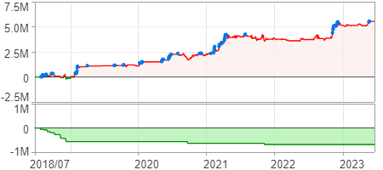
回測整體統計

回測資料範圍 | 2018/07/02 - 2023/07/02 (日資料) (逐筆洗價)
執行商品個數 | 1784(成功)3(失敗)
回測執行時間 | 2023/07/03 13:18 (費時2分59秒)
交易腳本 | 選股轉交易_v16_MDD_不還原且除權息前出
初始資金 | 1000萬元
交易費用 | 股票0.2%(成交金額)、期貨100元(口)

項目 | 全部 |  | 做多 |  | 做空
淨利 | 5,545,468 | 55.45% | 5,545,468 | 55.45% | 0 | 0.00%
毛利 | 11,091,062 | 110.91% | 11,091,062 | 110.91% | 0 | 0.00%
獲利因子 | 2 |  | 2 |  | n/a
毛損 | -5,545,594 | -55.46% | -5,545,594 | -55.46% | 0 | 0.00%
總交易成本 | 1,059,272 | 10.59% | 1,059,272 | 10.59% | 0 | 0.00%
最大投入金額 | 11,651,464 |  | 11,651,464 |  | 15,396,697
總交易次數 | 330 |  | 330 |  | 0
獲利交易次數 | 171 |  | 171 |  | 0
勝率 | 51.82% |  | 51.82% |  | 0.00%
虧損交易次數 | 159 |  | 159 |  | 0
平均交易 | 16,804 | 0.17% | 16,804 | 0.17% | 0 | 0.00%
平均獲利交易 | 64,860 | 0.65% | 64,860 | 0.65% | 0 | 0.00%
平均獲利虧損比 | 1.86 |  | 1.86 |  | 0.00
平均虧損交易 | -34,878 | -0.35% | -34,878 | -0.35% | 0 | 0.00%
最大獲利交易 | 871,933 | 8.72% | 871,933 | 8.72% | 0 | 0.00%
最大虧損交易 | -230,899 | -2.31% | -230,899 | -2.31% | 0 | 0.00%
最大區間獲利 | 5,768,146 | 57.68% | 5,768,146 | 57.68% | 5,768,146 | 57.68%
最大區間虧損 | -684,682 | -6.85% | -684,682 | -6.85% | -684,682 | -6.85%
全部交易的平均持倉K線根數 | 10.24 |  | 10.24 |  | 0.00
獲利交易的平均持倉K線根數 | 10.72 |  | 10.72 |  | 0.00
回測K線根數 | 1219 |  | 1219 |  | 1219
虧損交易的平均持倉K線根數 | 9.72 |  | 9.72 |  | 0.00
時間加權報酬 | 66,943,523 | 669.44% | 66,943,523 | 669.44% | 0 | 0.00%
最大投入報酬率 | 5,545,468 | 47.59% | 5,545,468 | 47.59% | 0 | 0.00%
買進持有報酬 | 9,039,400 | 90.39% | 9,039,400 | 90.39% | 9,039,400 | 90.39%
大盤指數報酬 | 9,090,657 | 90.91% | 9,090,657 | 90.91% | 9,090,657 | 90.91%

執行失敗商品
商品名稱 | 狀態 | 說明
雄順(2073.TW) | 錯誤 | 選股策略執行錯誤
宏碁資訊(6811.TW) | 錯誤 | 選股策略執行錯誤
鏵友益(6877.TW) | 錯誤 | 選股策略執行錯誤

最大持倉報酬率圖
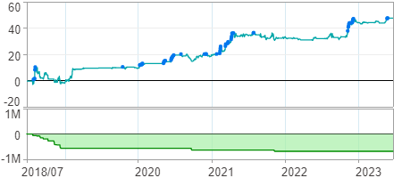

時間加權報酬率圖
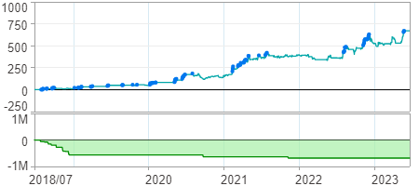

淨利曲線圖

