整體統計
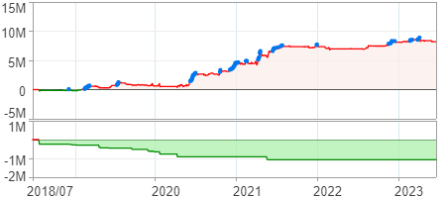
回測整體統計

回測資料範圍 | 2018/07/02 - 2023/07/02 (日資料) (逐筆洗價)
執行商品個數 | 1778(成功)6(失敗)
回測執行時間 | 2023/07/03 14:09 (費時1分44秒)
交易腳本 | 選股轉交易_v16_MDD_不還原且除權息前出
初始資金 | 1000萬元
交易費用 | 股票0.2%(成交金額)、期貨100元(口)

項目 | 全部 |  | 做多 |  | 做空
淨利 | 8,194,719 | 81.95% | 8,194,719 | 81.95% | 0 | 0.00%
毛利 | 14,360,338 | 143.60% | 14,360,338 | 143.60% | 0 | 0.00%
獲利因子 | 2.33 |  | 2.33 |  | n/a
毛損 | -6,165,619 | -61.66% | -6,165,619 | -61.66% | 0 | 0.00%
總交易成本 | 1,365,241 | 13.65% | 1,365,241 | 13.65% | 0 | 0.00%
最大投入金額 | 13,421,048 |  | 13,421,048 |  | 17,565,094
總交易次數 | 499 |  | 499 |  | 0
獲利交易次數 | 203 |  | 203 |  | 0
勝率 | 40.68% |  | 40.68% |  | 0.00%
虧損交易次數 | 296 |  | 296 |  | 0
平均交易 | 16,422 | 0.16% | 16,422 | 0.16% | 0 | 0.00%
平均獲利交易 | 70,741 | 0.71% | 70,741 | 0.71% | 0 | 0.00%
平均獲利虧損比 | 3.40 |  | 3.40 |  | 0.00
平均虧損交易 | -20,830 | -0.21% | -20,830 | -0.21% | 0 | 0.00%
最大獲利交易 | 1,004,016 | 10.04% | 1,004,016 | 10.04% | 0 | 0.00%
最大虧損交易 | -287,728 | -2.88% | -287,728 | -2.88% | 0 | 0.00%
最大區間獲利 | 9,148,111 | 91.48% | 9,148,111 | 91.48% | 9,148,111 | 91.48%
最大區間虧損 | -1,075,107 | -10.75% | -1,075,107 | -10.75% | -1,075,107 | -10.75%
全部交易的平均持倉K線根數 | 6.50 |  | 6.50 |  | 0.00
獲利交易的平均持倉K線根數 | 7.31 |  | 7.31 |  | 0.00
回測K線根數 | 1219 |  | 1219 |  | 1219
虧損交易的平均持倉K線根數 | 5.94 |  | 5.94 |  | 0.00
時間加權報酬 | 79,535,550 | 795.36% | 79,535,550 | 795.36% | 0 | 0.00%
最大投入報酬率 | 8,194,719 | 61.06% | 8,194,719 | 61.06% | 0 | 0.00%
買進持有報酬 | 9,037,437 | 90.37% | 9,037,437 | 90.37% | 9,037,437 | 90.37%
大盤指數報酬 | 9,090,657 | 90.91% | 9,090,657 | 90.91% | 9,090,657 | 90.91%

執行失敗商品
商品名稱 | 狀態 | 說明
雄順(2073.TW) | 錯誤 | 選股策略執行錯誤
南俊國際(6584.TW) | 錯誤 | 選股策略執行錯誤
華安(6657.TW) | 錯誤 | 選股策略執行錯誤
聯寶(6821.TW) | 錯誤 | 選股策略執行錯誤
綠茵(6846.TW) | 錯誤 | 選股策略執行錯誤
鏵友益(6877.TW) | 錯誤 | 選股策略執行錯誤

最大持倉報酬率圖
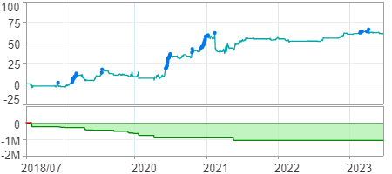

時間加權報酬率圖
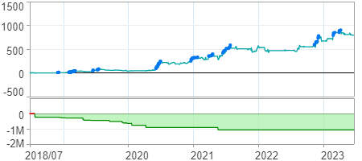

淨利曲線圖

