整體統計
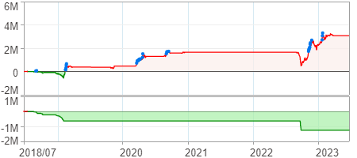
回測整體統計

回測資料範圍 | 2018/07/02 - 2023/07/02 (日資料) (逐筆洗價)
執行商品個數 | 974(成功)0(失敗)
回測執行時間 | 2023/07/03 13:10 (費時3分39秒)
交易腳本 | 選股轉交易_v16_MDD_不還原且除權息前出
初始資金 | 1000萬元
交易費用 | 股票0.2%(成交金額)、期貨100元(口)

項目 | 全部 |  | 做多 |  | 做空
淨利 | 3,077,039 | 30.77% | 3,077,039 | 30.77% | 0 | 0.00%
毛利 | 4,931,047 | 49.31% | 4,931,047 | 49.31% | 0 | 0.00%
獲利因子 | 2.66 |  | 2.66 |  | n/a
毛損 | -1,854,008 | -18.54% | -1,854,008 | -18.54% | 0 | 0.00%
總交易成本 | 367,785 | 3.68% | 367,785 | 3.68% | 0 | 0.00%
最大投入金額 | 12,014,115 |  | 12,014,115 |  | 11,782,850
總交易次數 | 116 |  | 116 |  | 0
獲利交易次數 | 81 |  | 81 |  | 0
勝率 | 69.83% |  | 69.83% |  | 0.00%
虧損交易次數 | 35 |  | 35 |  | 0
平均交易 | 26,526 | 0.27% | 26,526 | 0.27% | 0 | 0.00%
平均獲利交易 | 60,877 | 0.61% | 60,877 | 0.61% | 0 | 0.00%
平均獲利虧損比 | 1.15 |  | 1.15 |  | 0.00
平均虧損交易 | -52,972 | -0.53% | -52,972 | -0.53% | 0 | 0.00%
最大獲利交易 | 453,300 | 4.53% | 453,300 | 4.53% | 0 | 0.00%
最大虧損交易 | -292,164 | -2.92% | -292,164 | -2.92% | 0 | 0.00%
最大區間獲利 | 3,874,282 | 38.74% | 3,874,282 | 38.74% | 3,874,282 | 38.74%
最大區間虧損 | -1,253,363 | -12.53% | -1,253,363 | -12.53% | -1,253,363 | -12.53%
全部交易的平均持倉K線根數 | 15.48 |  | 15.48 |  | 0.00
獲利交易的平均持倉K線根數 | 16.00 |  | 16.00 |  | 0.00
回測K線根數 | 1219 |  | 1219 |  | 1219
虧損交易的平均持倉K線根數 | 14.29 |  | 14.29 |  | 0.00
時間加權報酬 | 5,376,697 | 53.77% | 5,376,697 | 53.77% | 0 | 0.00%
最大投入報酬率 | 3,077,039 | 25.61% | 3,077,039 | 25.61% | 0 | 0.00%
買進持有報酬 | 8,869,867 | 88.70% | 8,869,867 | 88.70% | 8,869,867 | 88.70%
大盤指數報酬 | 9,090,657 | 90.91% | 9,090,657 | 90.91% | 9,090,657 | 90.91%

執行失敗商品
商品名稱 | 狀態 | 說明

最大持倉報酬率圖
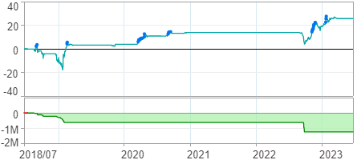

時間加權報酬率圖
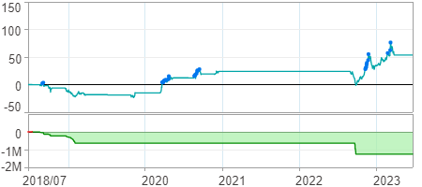

淨利曲線圖

