整體統計
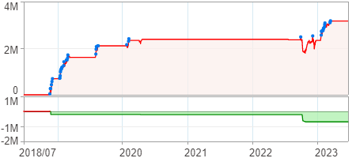
回測整體統計

回測資料範圍 | 2018/07/02 - 2023/07/02 (日資料) (逐筆洗價)
執行商品個數 | 810(成功)0(失敗)
回測執行時間 | 2023/07/03 13:09 (費時2分32秒)
交易腳本 | 選股轉交易_v16_MDD_不還原且除權息前出
初始資金 | 1000萬元
交易費用 | 股票0.2%(成交金額)、期貨100元(口)

項目 | 全部 |  | 做多 |  | 做空
淨利 | 3,168,190 | 31.68% | 3,168,190 | 31.68% | 0 | 0.00%
毛利 | 3,820,554 | 38.21% | 3,820,554 | 38.21% | 0 | 0.00%
獲利因子 | 5.86 |  | 5.86 |  | n/a
毛損 | -652,364 | -6.52% | -652,364 | -6.52% | 0 | 0.00%
總交易成本 | 192,010 | 1.92% | 192,010 | 1.92% | 0 | 0.00%
最大投入金額 | 4,424,008 |  | 4,424,008 |  | 5,911,198
總交易次數 | 56 |  | 56 |  | 0
獲利交易次數 | 50 |  | 50 |  | 0
勝率 | 89.29% |  | 89.29% |  | 0.00%
虧損交易次數 | 6 |  | 6 |  | 0
平均交易 | 56,575 | 0.57% | 56,575 | 0.57% | 0 | 0.00%
平均獲利交易 | 76,411 | 0.76% | 76,411 | 0.76% | 0 | 0.00%
平均獲利虧損比 | 0.70 |  | 0.70 |  | 0.00
平均虧損交易 | -108,727 | -1.09% | -108,727 | -1.09% | 0 | 0.00%
最大獲利交易 | 576,030 | 5.76% | 576,030 | 5.76% | 0 | 0.00%
最大虧損交易 | -576,510 | -5.77% | -576,510 | -5.77% | 0 | 0.00%
最大區間獲利 | 3,174,597 | 31.75% | 3,174,597 | 31.75% | 3,174,597 | 31.75%
最大區間虧損 | -696,192 | -6.96% | -696,192 | -6.96% | -696,192 | -6.96%
全部交易的平均持倉K線根數 | 10.82 |  | 10.82 |  | 0.00
獲利交易的平均持倉K線根數 | 11.00 |  | 11.00 |  | 0.00
回測K線根數 | 1219 |  | 1219 |  | 1219
虧損交易的平均持倉K線根數 | 9.33 |  | 9.33 |  | 0.00
時間加權報酬 | 18,326,115 | 183.26% | 18,326,115 | 183.26% | 0 | 0.00%
最大投入報酬率 | 3,168,190 | 71.61% | 3,168,190 | 71.61% | 0 | 0.00%
買進持有報酬 | 9,176,589 | 91.77% | 9,176,589 | 91.77% | 9,176,589 | 91.77%
大盤指數報酬 | 9,090,657 | 90.91% | 9,090,657 | 90.91% | 9,090,657 | 90.91%

執行失敗商品
商品名稱 | 狀態 | 說明

最大持倉報酬率圖
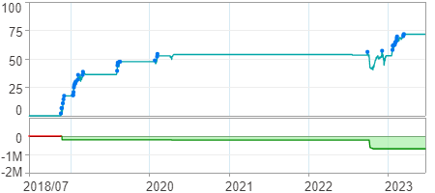

時間加權報酬率圖
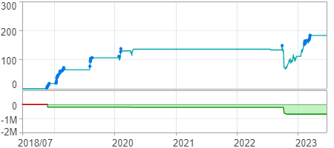

淨利曲線圖

