整體統計
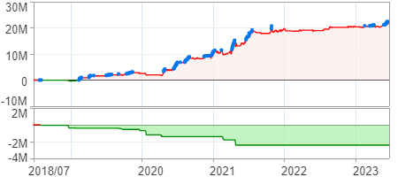
回測整體統計

回測資料範圍 | 2018/07/02 - 2023/07/02 (日資料) (逐筆洗價)
執行商品個數 | 1784(成功)0(失敗)
回測執行時間 | 2023/07/03 14:03 (費時59秒)
交易腳本 | 選股轉交易_v16_MDD_不還原且除權息前出
初始資金 | 1000萬元
交易費用 | 股票0.2%(成交金額)、期貨100元(口)

項目 | 全部 |  | 做多 |  | 做空
淨利 | 22,317,156 | 223.17% | 22,317,156 | 223.17% | 0 | 0.00%
毛利 | 42,145,374 | 421.45% | 42,145,374 | 421.45% | 0 | 0.00%
獲利因子 | 2.13 |  | 2.13 |  | n/a
毛損 | -19,828,218 | -198.28% | -19,828,218 | -198.28% | 0 | 0.00%
總交易成本 | 2,548,224 | 25.48% | 2,548,224 | 25.48% | 0 | 0.00%
最大投入金額 | 20,998,985 |  | 20,998,985 |  | 33,350,899
總交易次數 | 441 |  | 441 |  | 0
獲利交易次數 | 228 |  | 228 |  | 0
勝率 | 51.70% |  | 51.70% |  | 0.00%
虧損交易次數 | 213 |  | 213 |  | 0
平均交易 | 50,606 | 0.51% | 50,606 | 0.51% | 0 | 0.00%
平均獲利交易 | 184,848 | 1.85% | 184,848 | 1.85% | 0 | 0.00%
平均獲利虧損比 | 1.99 |  | 1.99 |  | 0.00
平均虧損交易 | -93,090 | -0.93% | -93,090 | -0.93% | 0 | 0.00%
最大獲利交易 | 800,388 | 8.00% | 800,388 | 8.00% | 0 | 0.00%
最大虧損交易 | -481,410 | -4.81% | -481,410 | -4.81% | 0 | 0.00%
最大區間獲利 | 22,863,226 | 228.63% | 22,863,226 | 228.63% | 22,863,226 | 228.63%
最大區間虧損 | -2,420,914 | -24.21% | -2,420,914 | -24.21% | -2,420,914 | -24.21%
全部交易的平均持倉K線根數 | 9.01 |  | 9.01 |  | 0.00
獲利交易的平均持倉K線根數 | 9.36 |  | 9.36 |  | 0.00
回測K線根數 | 1219 |  | 1219 |  | 1219
虧損交易的平均持倉K線根數 | 8.63 |  | 8.63 |  | 0.00
時間加權報酬 | 125,260,399 | 1252.60% | 125,260,399 | 1252.60% | 0 | 0.00%
最大投入報酬率 | 22,317,156 | 106.28% | 22,317,156 | 106.28% | 0 | 0.00%
買進持有報酬 | 9,009,130 | 90.09% | 9,009,130 | 90.09% | 9,009,130 | 90.09%
大盤指數報酬 | 9,090,657 | 90.91% | 9,090,657 | 90.91% | 9,090,657 | 90.91%

執行失敗商品
商品名稱 | 狀態 | 說明

最大持倉報酬率圖
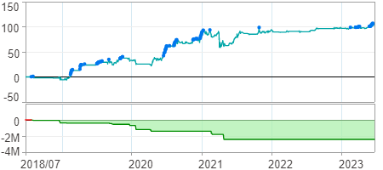

時間加權報酬率圖
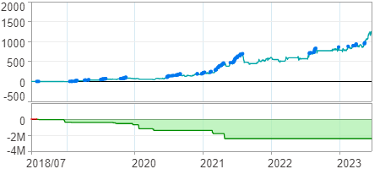

淨利曲線圖

