整體統計
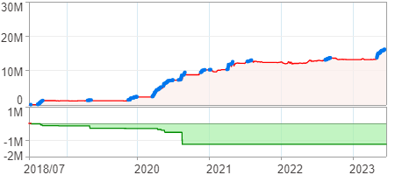
回測整體統計

回測資料範圍 | 2018/07/02 - 2023/07/02 (日資料) (逐筆洗價)
執行商品個數 | 1778(成功)6(失敗)
回測執行時間 | 2023/07/03 14:05 (費時45秒)
交易腳本 | 選股轉交易_v16_MDD_不還原且除權息前出
初始資金 | 1000萬元
交易費用 | 股票0.2%(成交金額)、期貨100元(口)

項目 | 全部 |  | 做多 |  | 做空
淨利 | 16,035,149 | 160.35% | 16,035,149 | 160.35% | 0 | 0.00%
毛利 | 20,342,244 | 203.42% | 20,342,244 | 203.42% | 0 | 0.00%
獲利因子 | 4.72 |  | 4.72 |  | n/a
毛損 | -4,307,095 | -43.07% | -4,307,095 | -43.07% | 0 | 0.00%
總交易成本 | 728,938 | 7.29% | 728,938 | 7.29% | 0 | 0.00%
最大投入金額 | 15,678,183 |  | 15,678,183 |  | 22,901,039
總交易次數 | 687 |  | 687 |  | 0
獲利交易次數 | 307 |  | 307 |  | 0
勝率 | 44.69% |  | 44.69% |  | 0.00%
虧損交易次數 | 380 |  | 380 |  | 0
平均交易 | 23,341 | 0.23% | 23,341 | 0.23% | 0 | 0.00%
平均獲利交易 | 66,261 | 0.66% | 66,261 | 0.66% | 0 | 0.00%
平均獲利虧損比 | 5.85 |  | 5.85 |  | 0.00
平均虧損交易 | -11,334 | -0.11% | -11,334 | -0.11% | 0 | 0.00%
最大獲利交易 | 1,390,765 | 13.91% | 1,390,765 | 13.91% | 0 | 0.00%
最大虧損交易 | -516,902 | -5.17% | -516,902 | -5.17% | 0 | 0.00%
最大區間獲利 | 16,197,692 | 161.98% | 16,197,692 | 161.98% | 16,197,692 | 161.98%
最大區間虧損 | -1,258,900 | -12.59% | -1,258,900 | -12.59% | -1,258,900 | -12.59%
全部交易的平均持倉K線根數 | 17.26 |  | 17.26 |  | 0.00
獲利交易的平均持倉K線根數 | 20.31 |  | 20.31 |  | 0.00
回測K線根數 | 1219 |  | 1219 |  | 1219
虧損交易的平均持倉K線根數 | 14.79 |  | 14.79 |  | 0.00
時間加權報酬 | 503,345,878 | 5033.46% | 503,345,878 | 5033.46% | 0 | 0.00%
最大投入報酬率 | 16,035,149 | 102.28% | 16,035,149 | 102.28% | 0 | 0.00%
買進持有報酬 | 9,037,437 | 90.37% | 9,037,437 | 90.37% | 9,037,437 | 90.37%
大盤指數報酬 | 9,090,657 | 90.91% | 9,090,657 | 90.91% | 9,090,657 | 90.91%

執行失敗商品
商品名稱 | 狀態 | 說明
雄順(2073.TW) | 錯誤 | 選股策略執行錯誤
南俊國際(6584.TW) | 錯誤 | 選股策略執行錯誤
華安(6657.TW) | 錯誤 | 選股策略執行錯誤
聯寶(6821.TW) | 錯誤 | 選股策略執行錯誤
綠茵(6846.TW) | 錯誤 | 選股策略執行錯誤
鏵友益(6877.TW) | 錯誤 | 選股策略執行錯誤

最大持倉報酬率圖
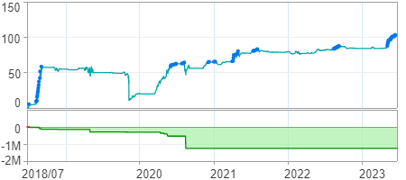

時間加權報酬率圖
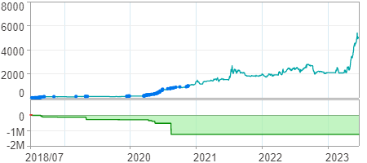

淨利曲線圖

