Description
source of data: surfdrive/GIS_data/infrustracture/03 - Bridges and Culverts

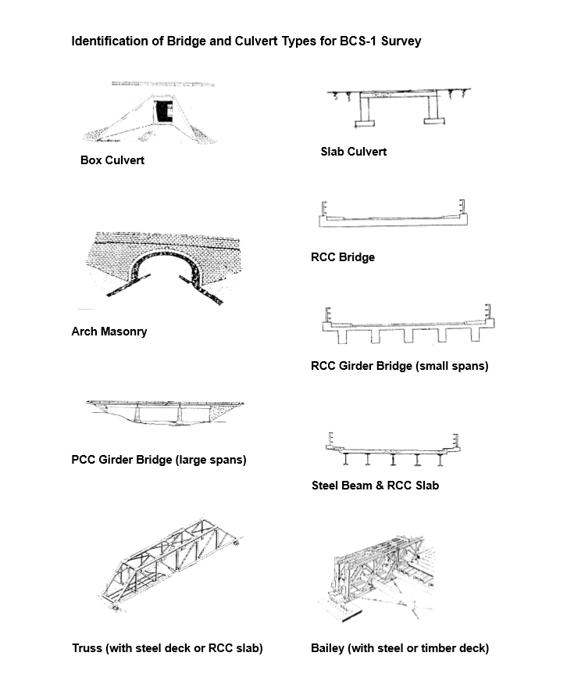
LRP= Location Reference Point
BCS=Bridge Condition Survey
Condition of bridge Based on BCS:
A | no damade
B | minor damage
C | major elemental damage
D | major structural damage

