Sheet1
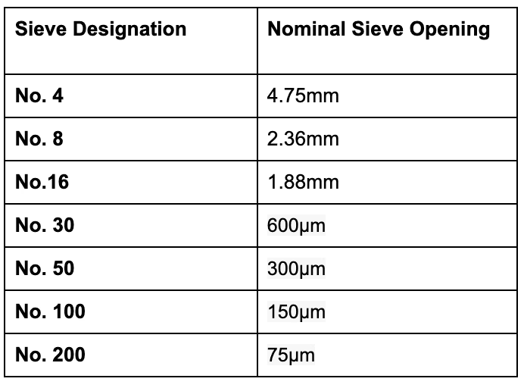
Sample |  | Date
Dry Weight
Sieve # | Size | Weight of Seive | Weight after seiving | Wt of soil retained | % of soil | Cumulative %

