Sheet1
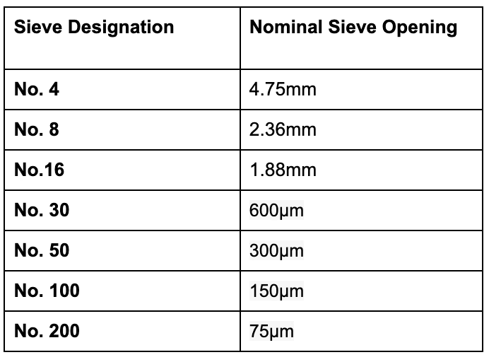
Sample |  | Date
Dry Weight
Sieve # | Size | Weight of Seive | Weight after seiving | Wt of soil retained | % of soil | Cumulative % | keep everything
above 4 | gravel
4 | sand

200 | fines

