Picture
ITEM (S)
CLASSIC
ADU Classic | 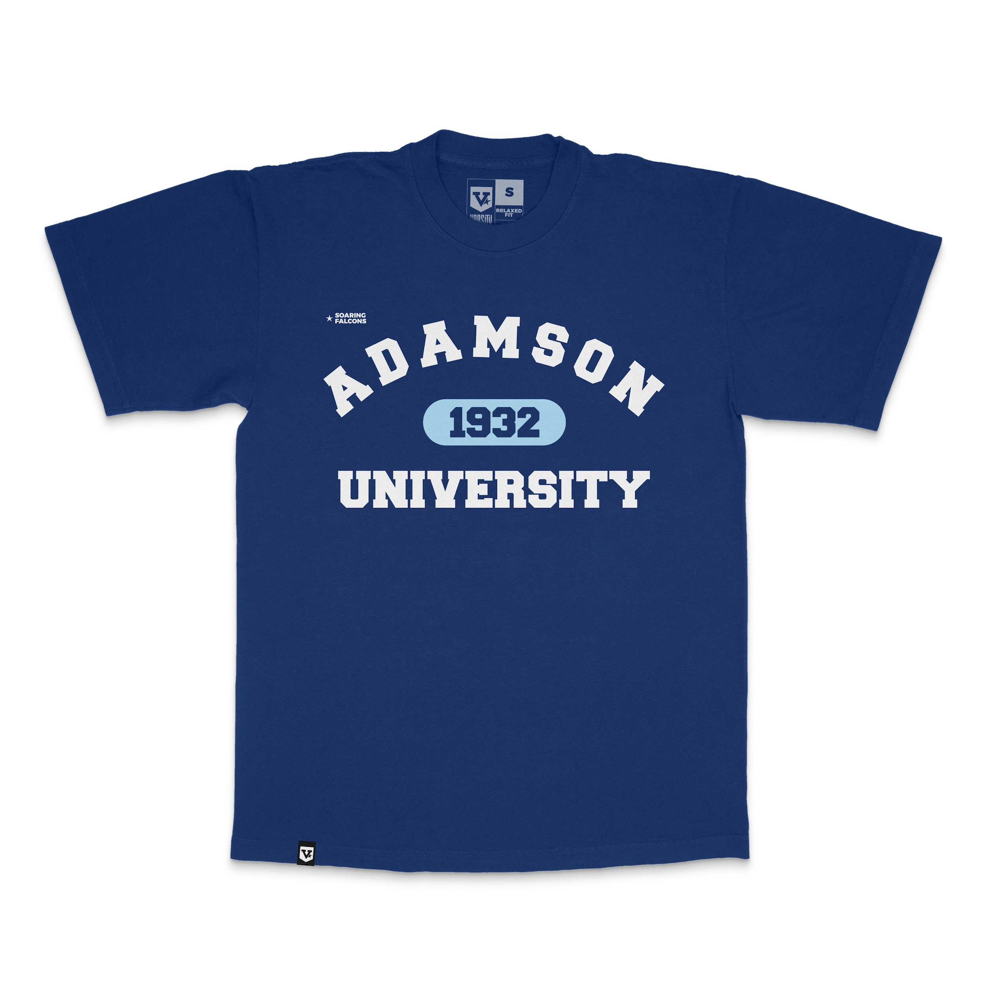
ADMU Classic | 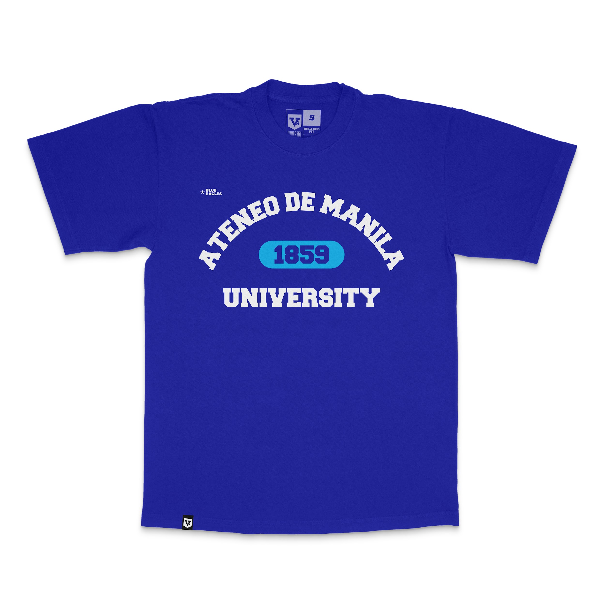
DLSU Classic | 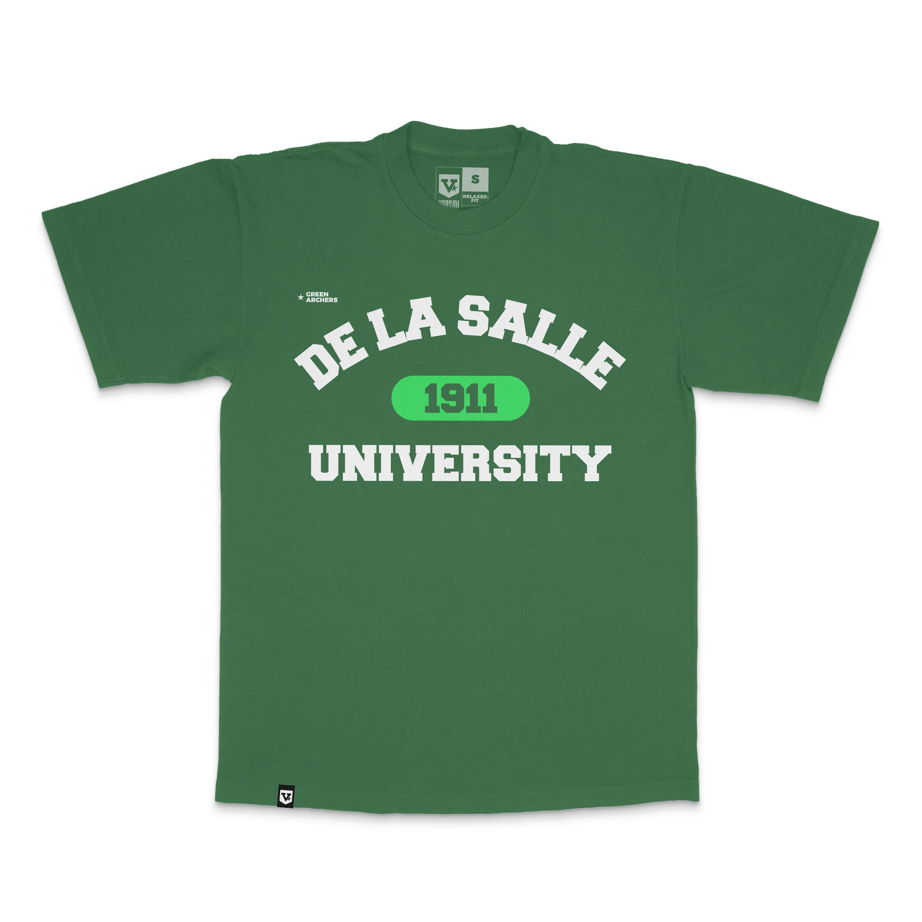
FEU Classic | 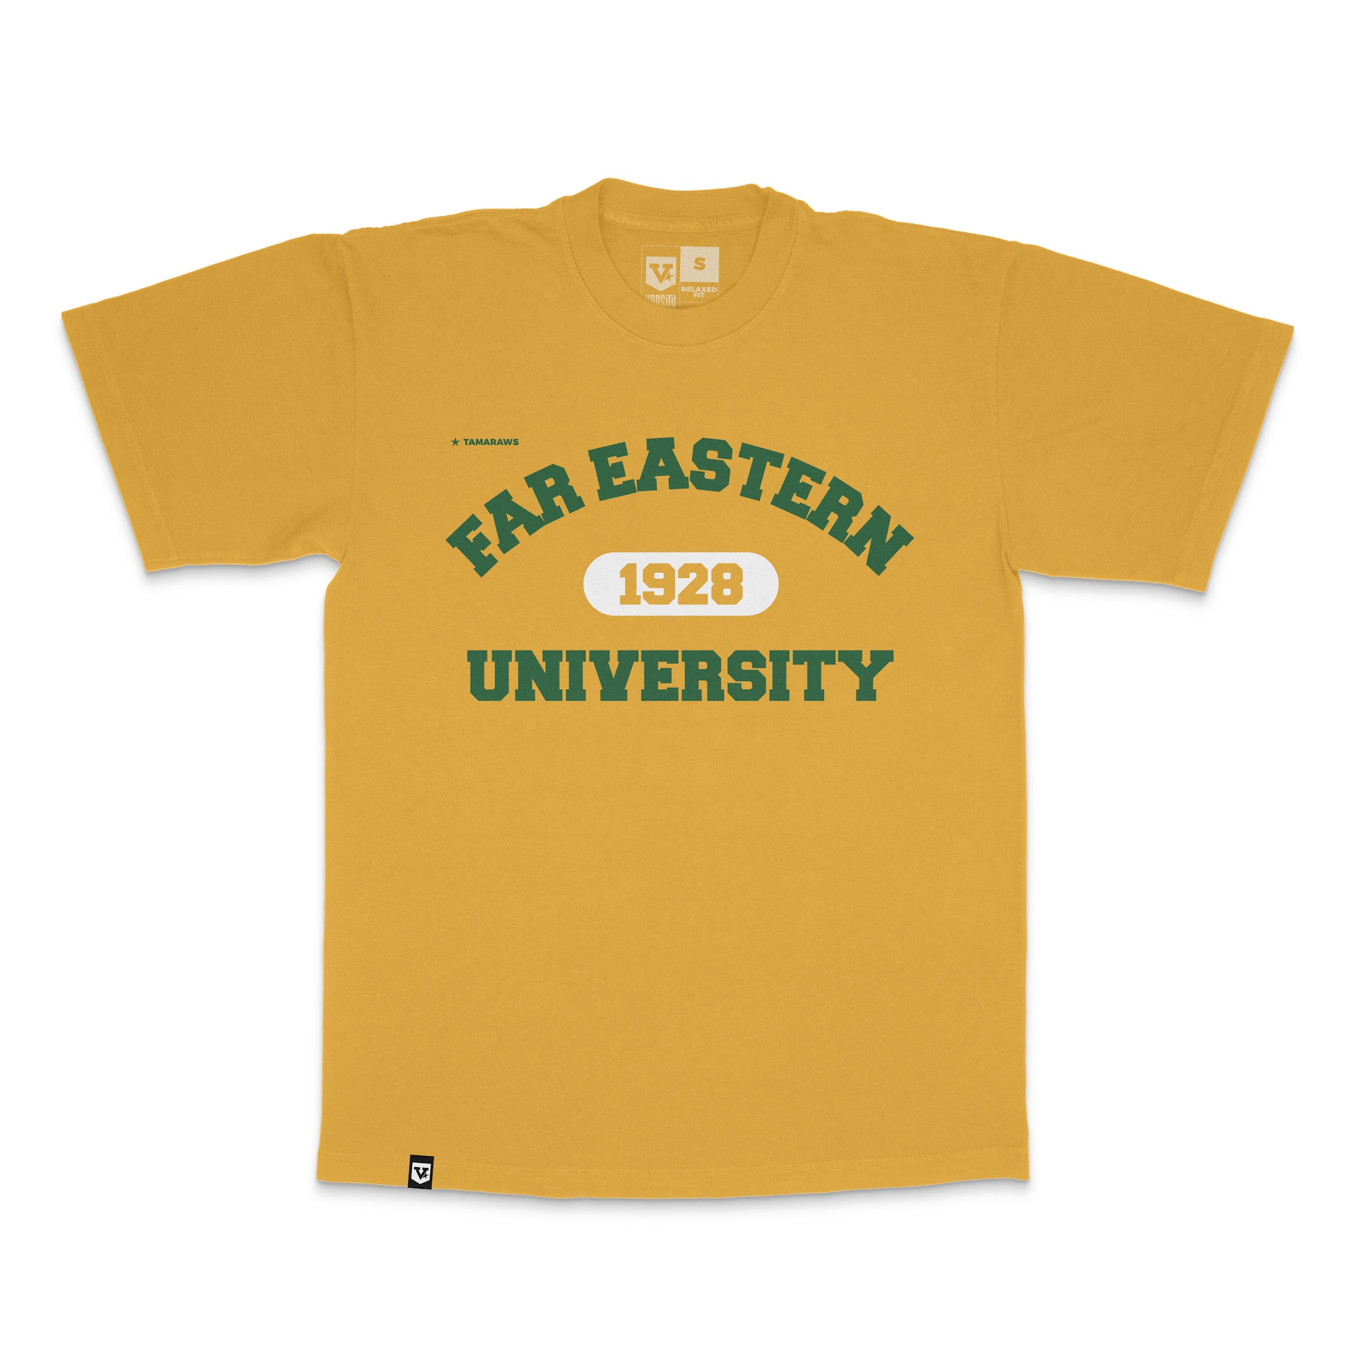
NU Classic | 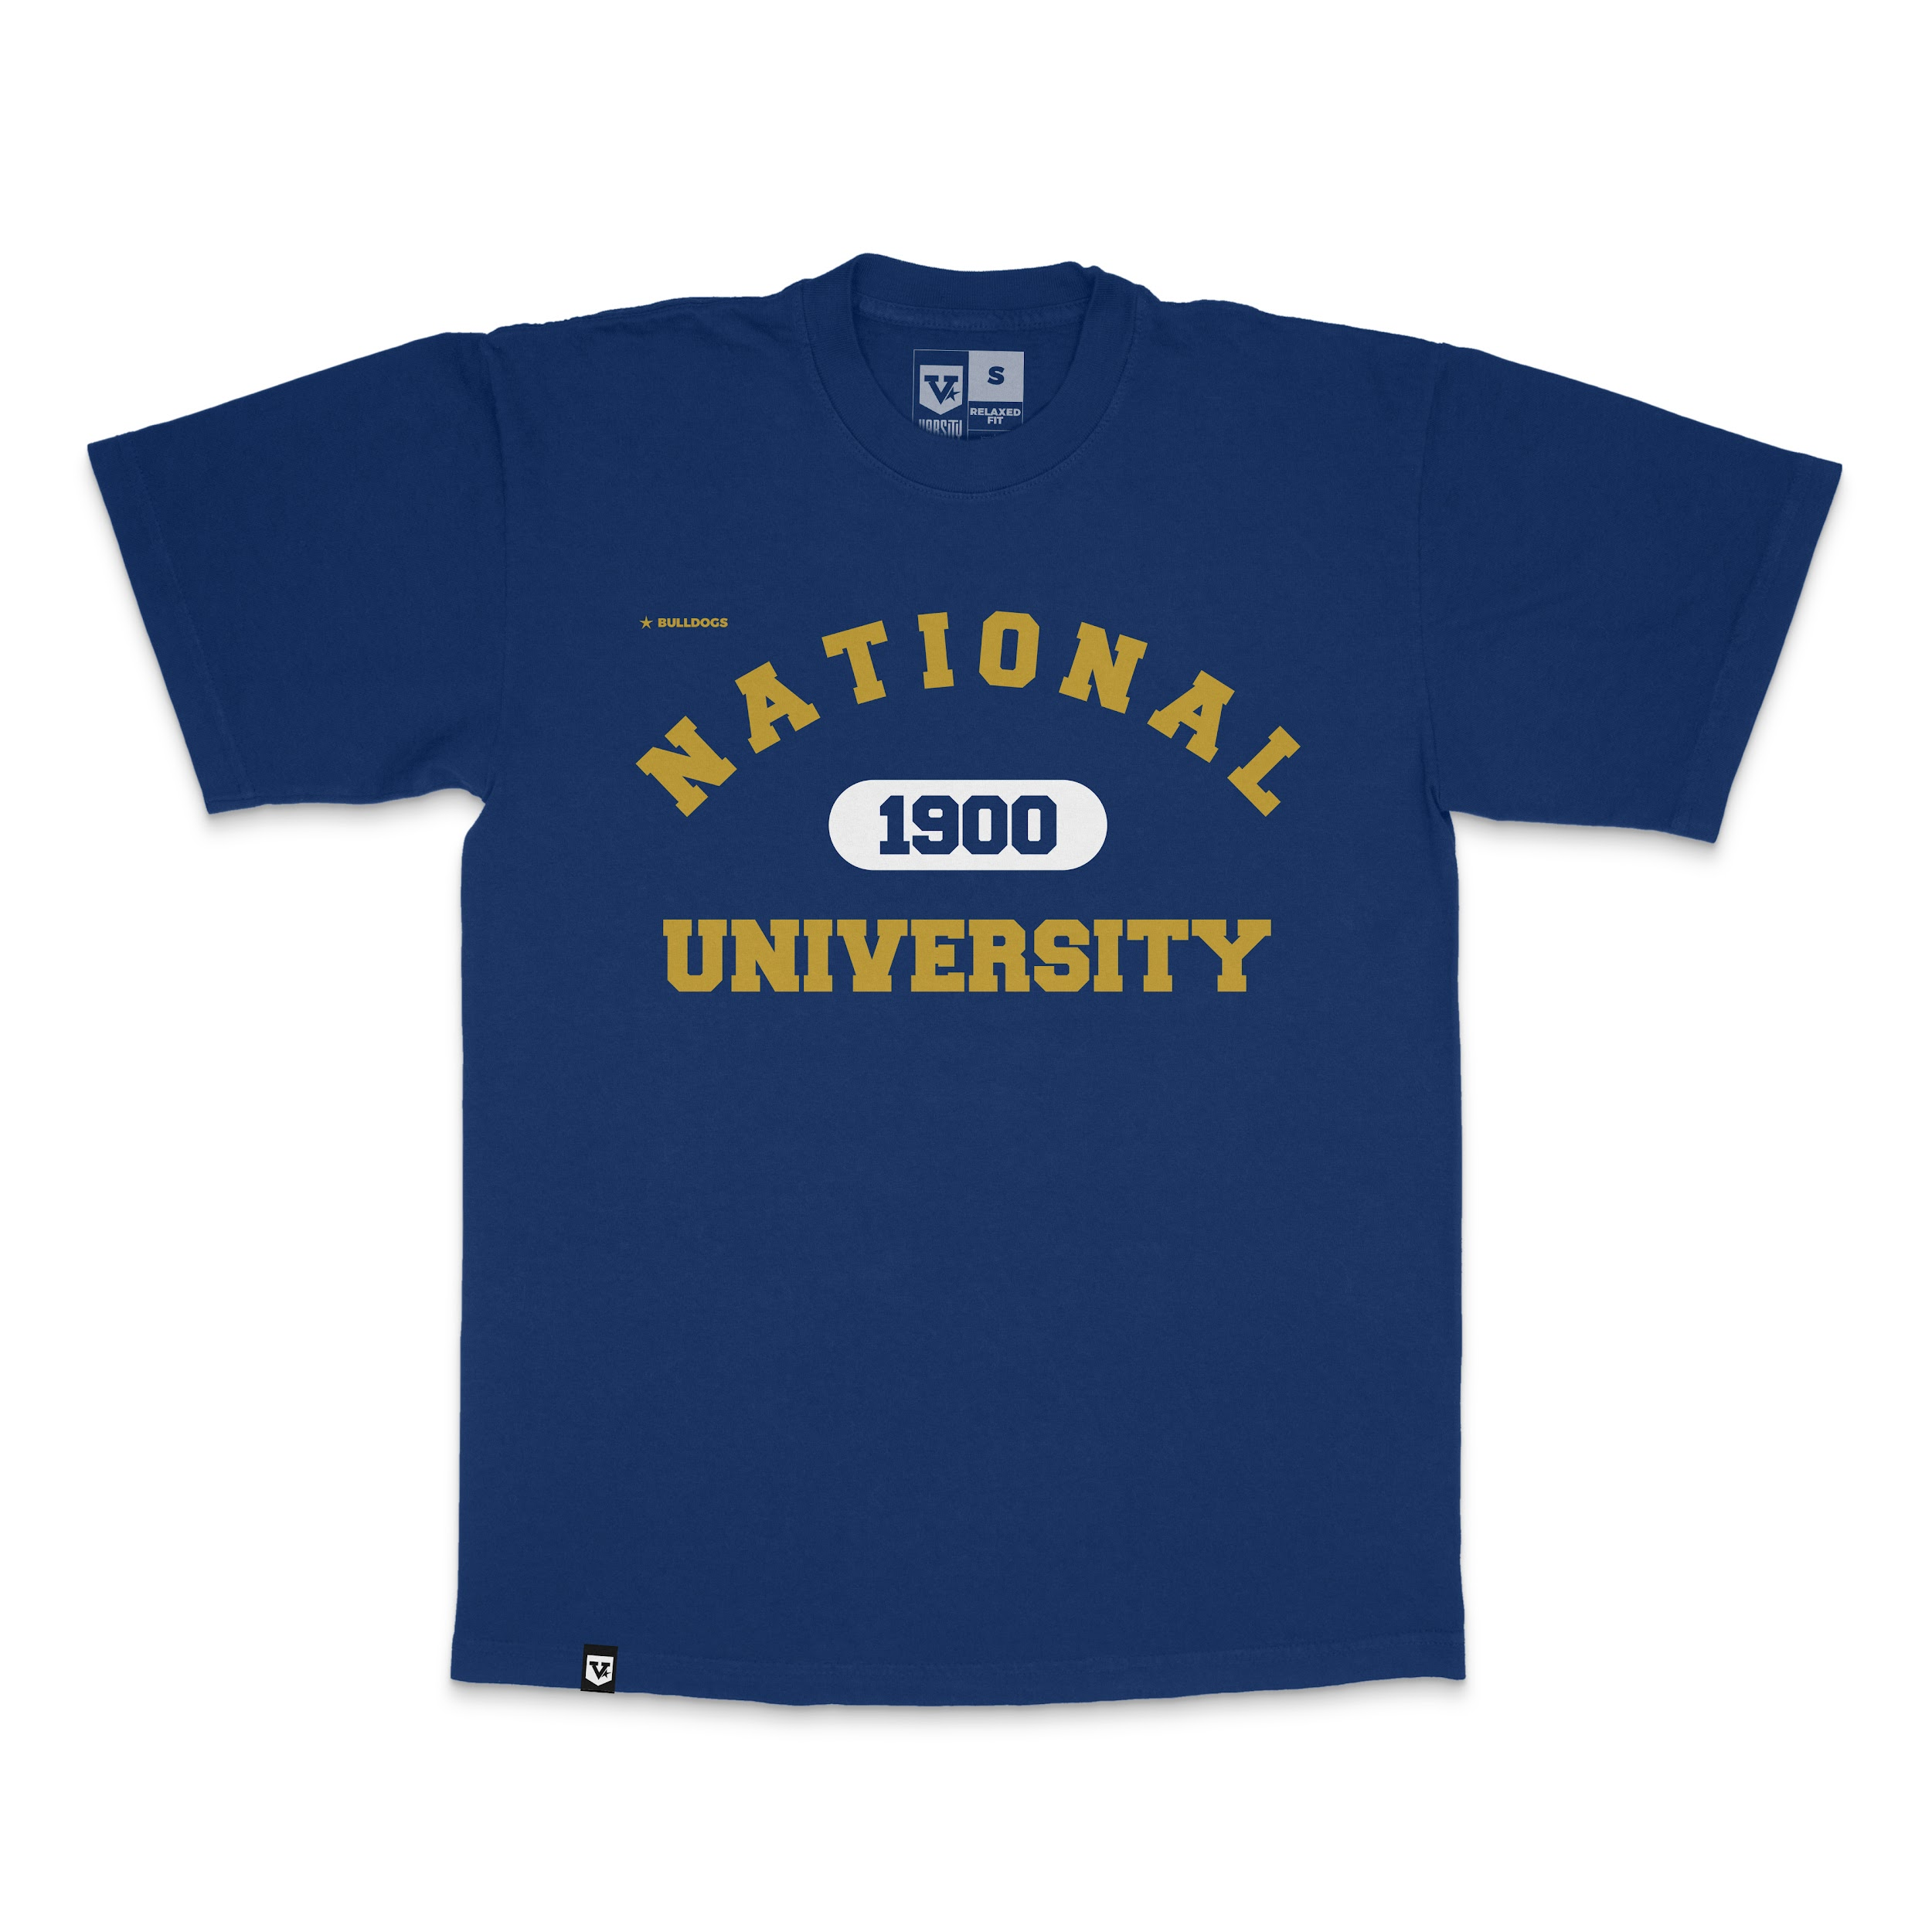
UE Classic | 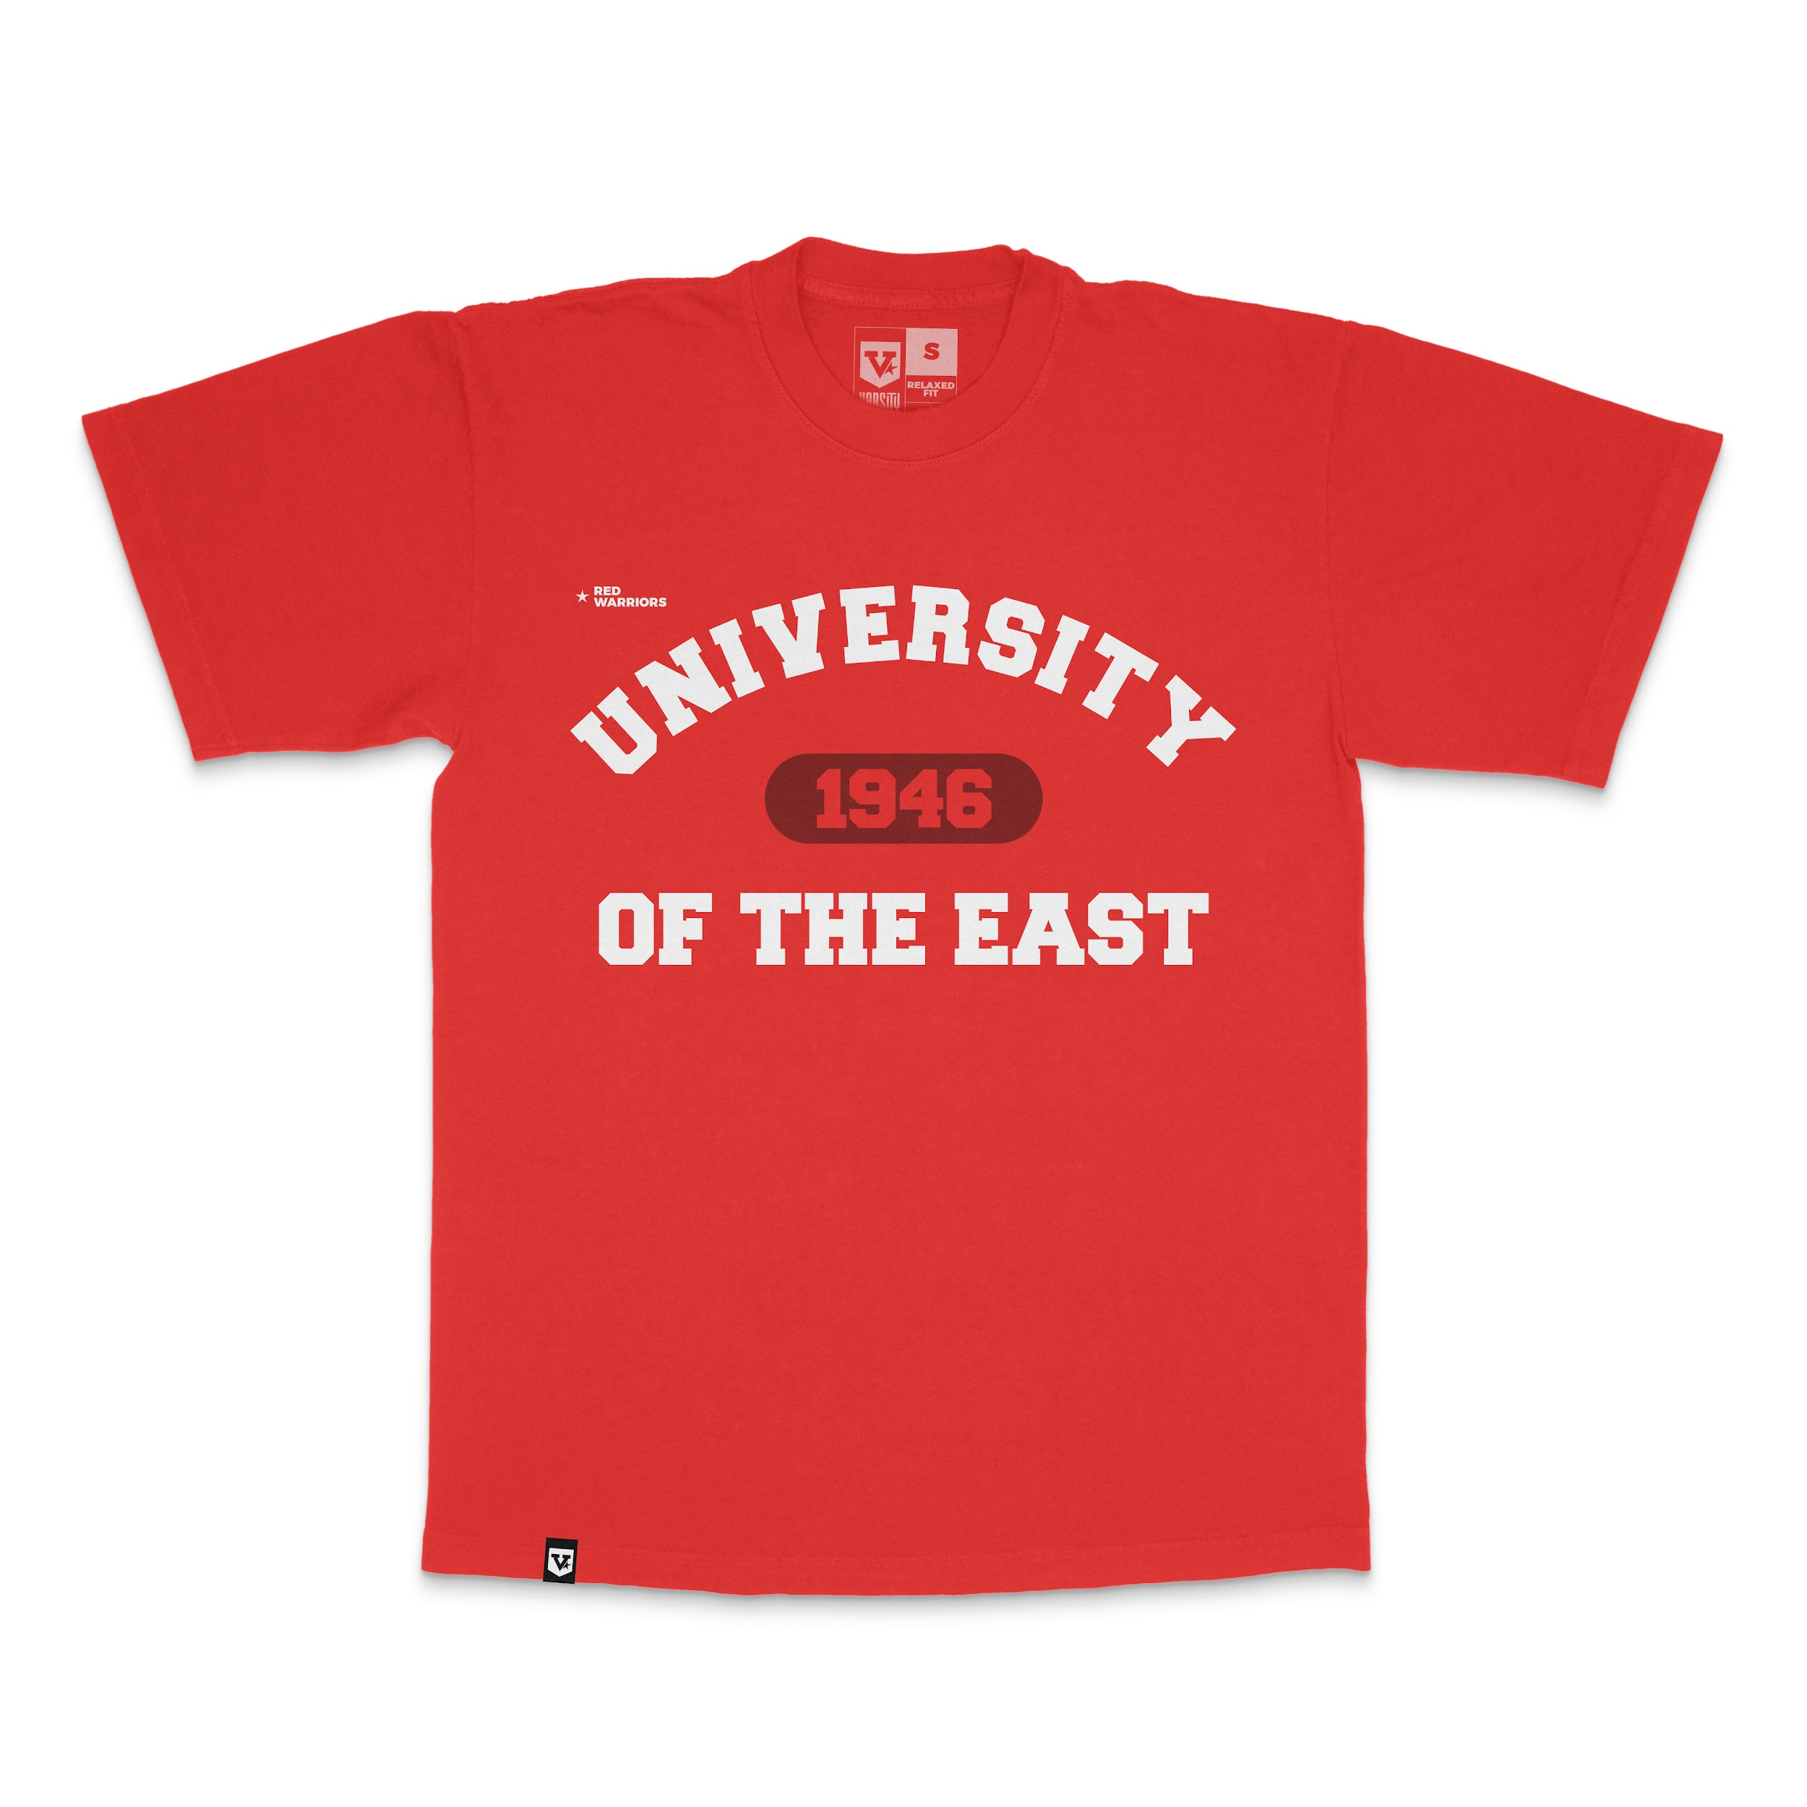
UP Classic | 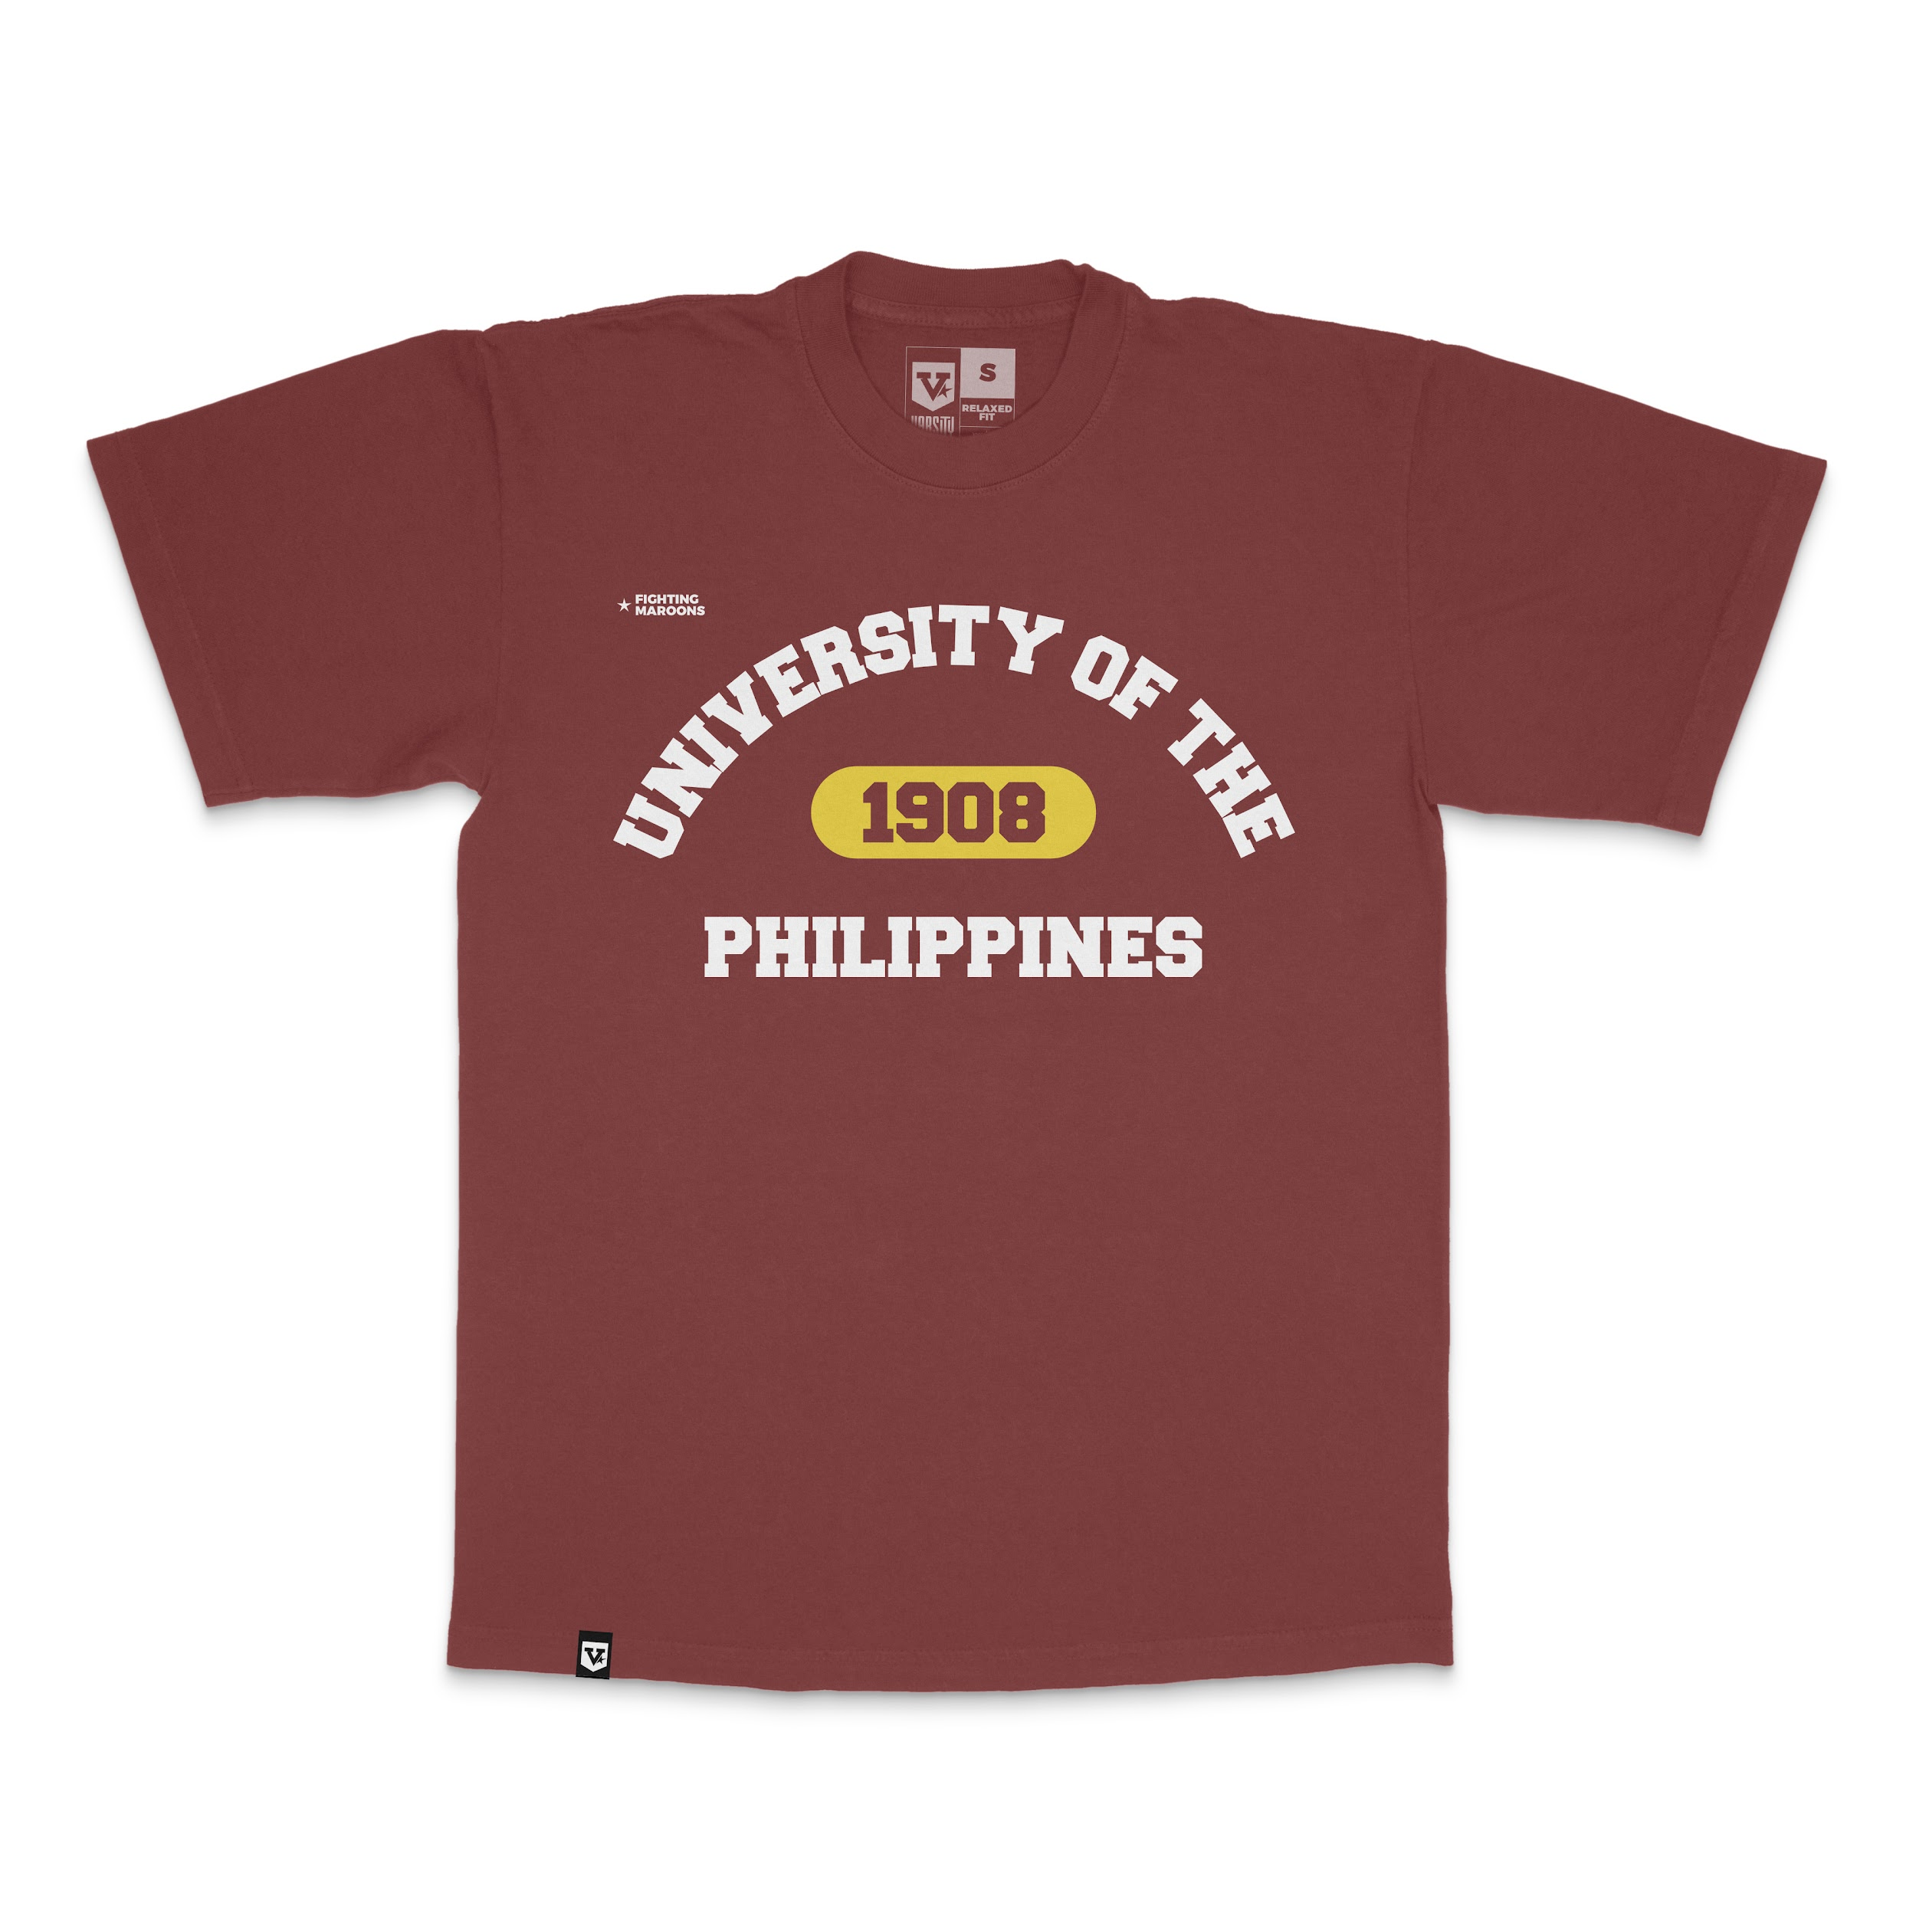
UST Classic | 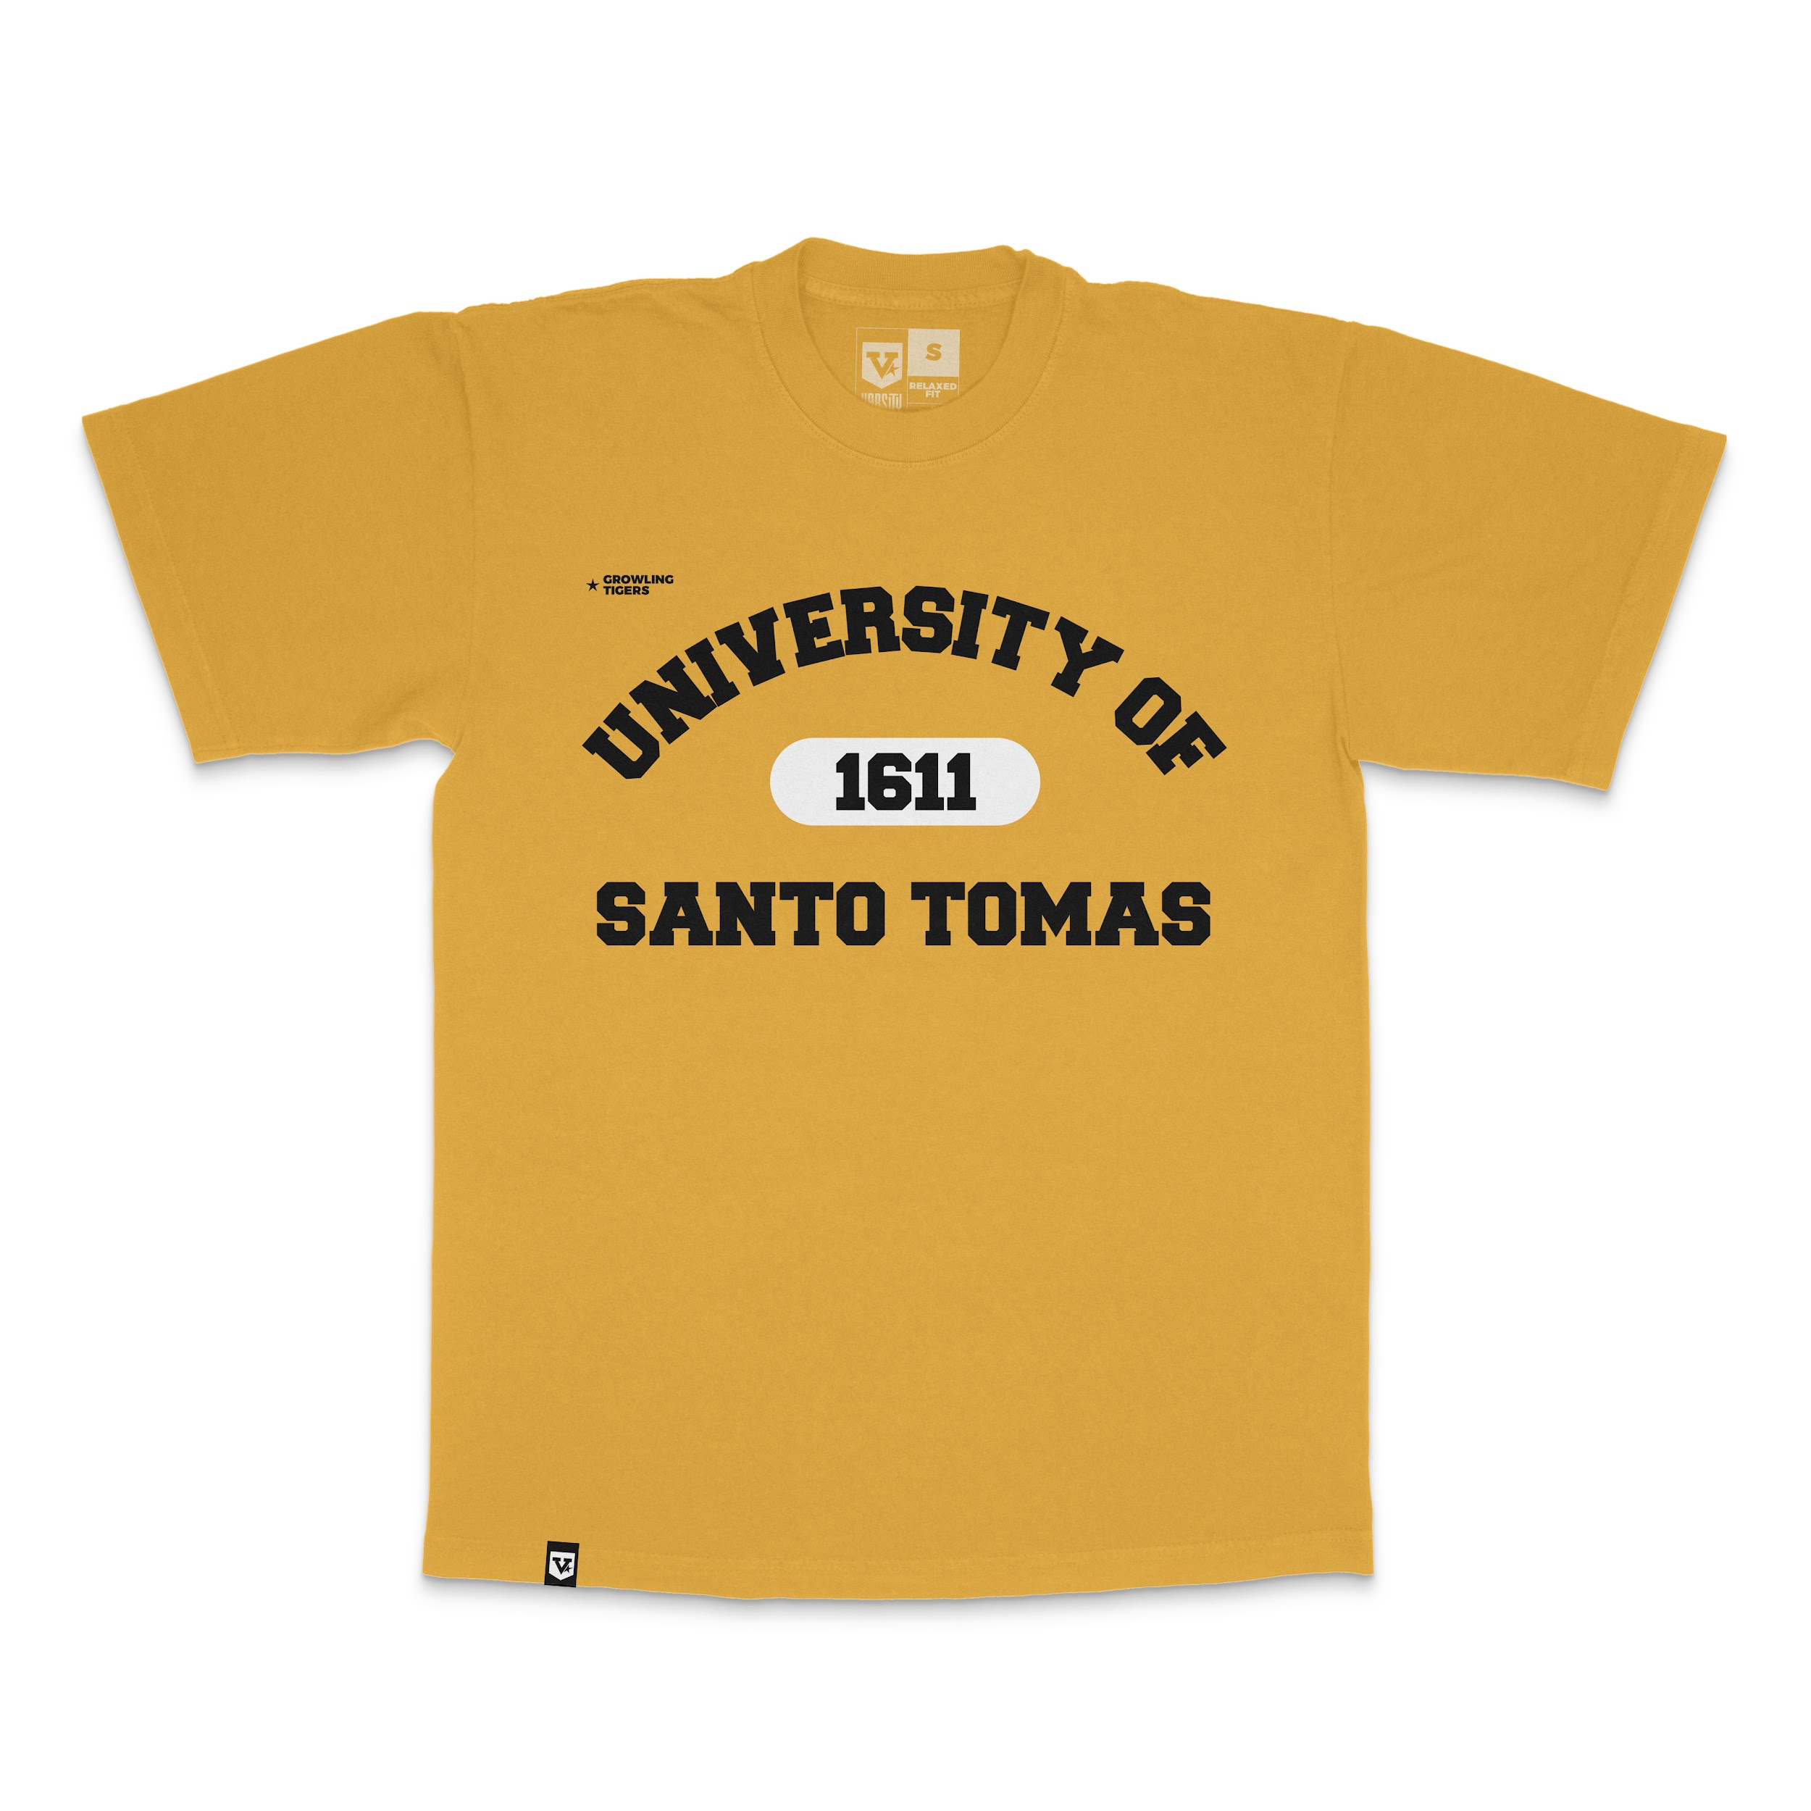
TSHIRT EMBLEM
ADU Emblem
DLSU Emblem
FEU Emblem
NU Emblem
UE Emblem
VOLLEYBALL v.1
FEU Volleyball
UE Volleyball
UST Volleyball
VOLLEYBALL BLACK V.2 | BACK PRINT
DLSU Volleyball v.2
UST Volleyball v.2
RETRO TSHIRT
NU Retro
UE Retro
UST Retro
ATHLETIC VERSION
ADU A. Version
ATENEO A. Version
FEU A. Version
UE A. Version
UP A. Version
UST A. Version
VARSITY JACKET
ADU V. Jacket
DLSU V. Jacket
FEU V. Jacket
NU V. Jacket
UE V. Jacket
SWEATSHIRT
DLSU Sweatshirt
FEU Sweatshirt
UP Sweatshirt
UST Sweatshirt
HOODIES
ADMU Hoodies
DLSU Hoodies
FEU Hoodies
UP Hoodies
UST Hoodies
CAPS
FEU
STICKER PACK BASKETBALL VERSION 2
ADU v.2
ADMU v.2
DLSU v.2
FEU v.2
UE v.2
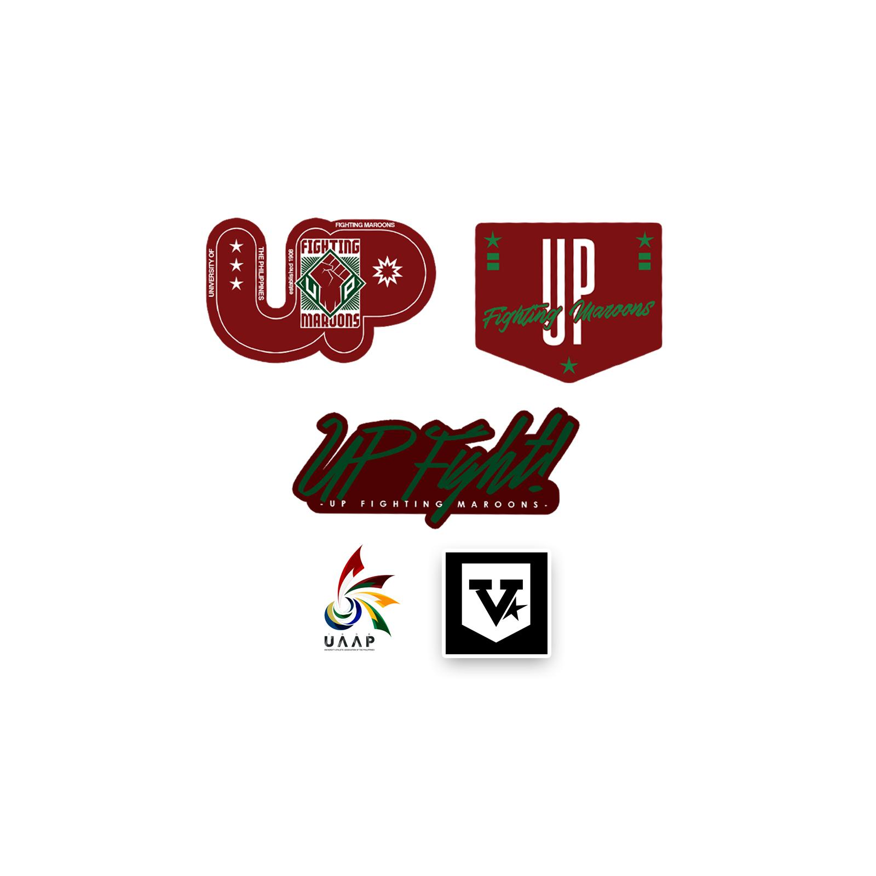
UP v.2
UST v.2
STICKER PACK VOLLEYBALL
ADU
ADMU
DLSU
FEU
NU
UE
UP
UST
STICKER LONG
ADU
ADMU
DLSU
FEU
NU
UE
BALLER VERSION 1
ADU v.1
ADMU v.1
DLSU v.1
FEU v.1
NU v.1
UP v.1
BALLER VERSION 2
ADU v.2
ADMU v.2
DLSU v.2
FEU v.2
NU v.2
UE v.2
UP v.2
UST v.2
LANYARD
ADU
ADMU
DLSU
FEU
UE
UST
SCARVES VERSION 1
ADU
ADMU
DLSU
FEU
UE
UP
SCARVES VERSION 2
ADMU v.2
DLSU v.2
UP v.2
KEYCHAIN
ADU
ADMU
DLSU
FEU
NU
UE
UP
UST

