19 Aug 2025 USD
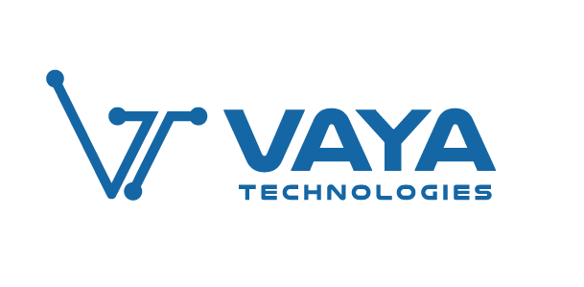
 | Daily Actual | Daily Forecast | % Budget Variance | Prior day Actual | Prior day Variance% | Aug FY26 Actual | MTD FY26 Forecast (Budget) | % Budget Variance | Prior Month MTD FY26 | % Prior Month Variance | MTD Runrate | Aug Forecast FY26 (Budget) | Run rate % Variance | YTD FY26 ACTUAL | YTD Forecast FY26 | FY26 %Budget Variance

Akello
Smart learning | 1,020.0 | 290 | 251% | 904.0 | 13% | 9,702 | 5516.13 | 76% | 37,713 | -74% | 15,830 | 9,000 | 76% | 250,162 | 121,864 | 105%
Library | - | 903 | -100% | 1.0 | -100% | 297.79 | 17161.29 | -98% | 21,849.89 | -99% | 486 | 28,000 | -98% | 176,652 | 255,030 | -31%
Total | 1,020 | 1,194 | -15% | 905 | 13% | 10,000 | 22,677 | -56% | 59,563 | -83% | 16,315 | 37,000 | -56% | 426,814 | 376,894 | 13%

