Notes
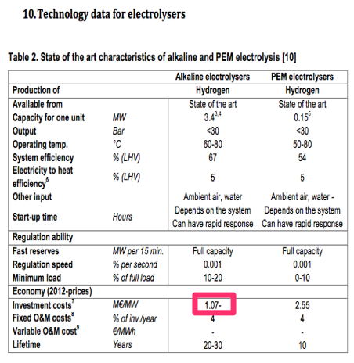
Source

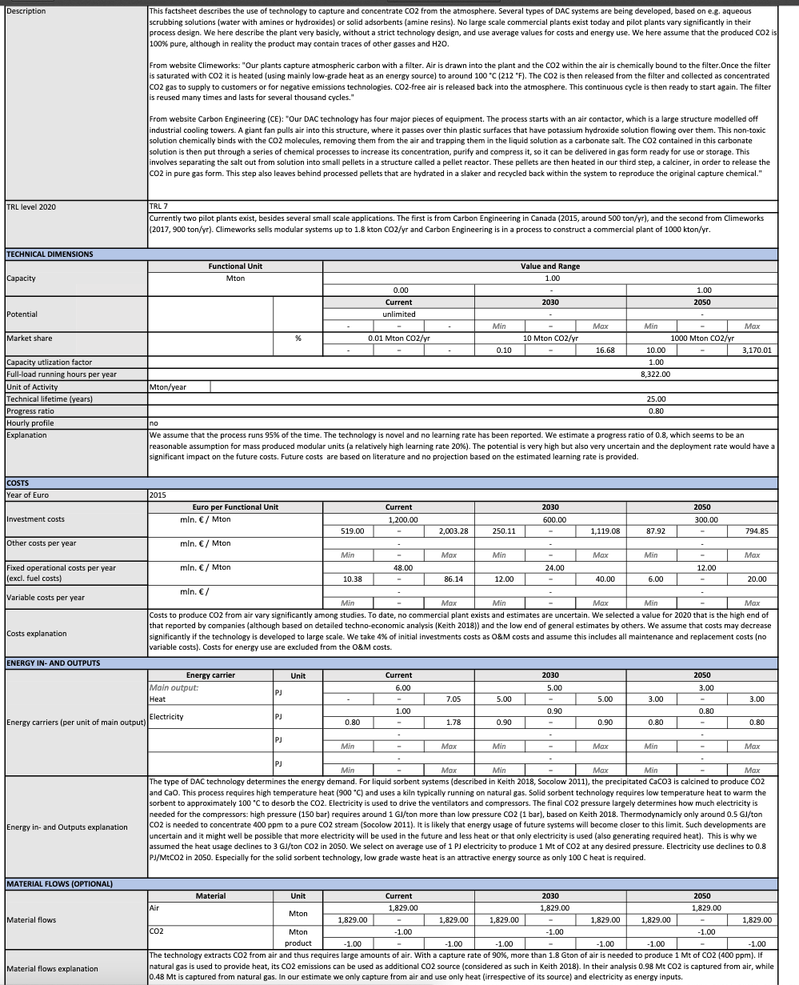
TNO (2019)

 | Full load hours | 8322 | uur / year

 | Capacity | 1 | Mton/year
 |  | 120163.42 | kg/hour

 | Investment costs | 1200.00 | mln euro/ PJ
 |  | 1200000000 | euro / plant

 | Fixed operational costs (excl fuel costs) | 48 | mln euro/ PJ
 |  | 48000000.00 | euro / plant / year

 | Technical lifetime | 25.00 | years

 | ENERGY INPUT
 | Heat | 6 | PJ
 | Electricity | 1.00 | PJ
 | ENERGY OUTPUT
 | Methanol | 1.00 | Mton

 | Energy input per kg product
 | Heat | 6.000 | PJ/Mton CO2
 | Electricity | 1.000 | PJ/Mton CO2
 | Total input per captured kg of CO2 | 7.000 | MJ/kg CO2

 | Solid sorbent technology is assumed, which requires 100 degrees Celcius heat
 | Therefore assumed that the DAC is connected to the district heating network

 | Steam hot water input | 0.85714286 | %
 | Electricity input | 0.14285714 | %

