Notes
Source |  | Value | Unit | Notes

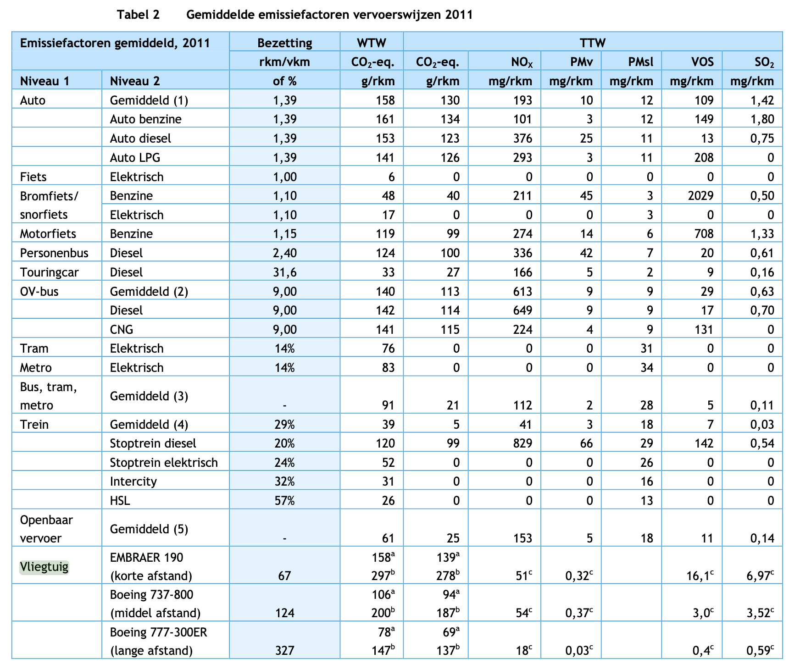

CE Delft | Occupation | 67 | pkm/vkm

 | Passenger capacity | 100 | #
 | Occupation rate | 0.67 | -

Mukhopadhaya & Graver | Performance analysis of regional electric aircraft, 2022, Jayant Muhopadhaya & Brandon Graver (International Council on Clean transportation, ICCT)

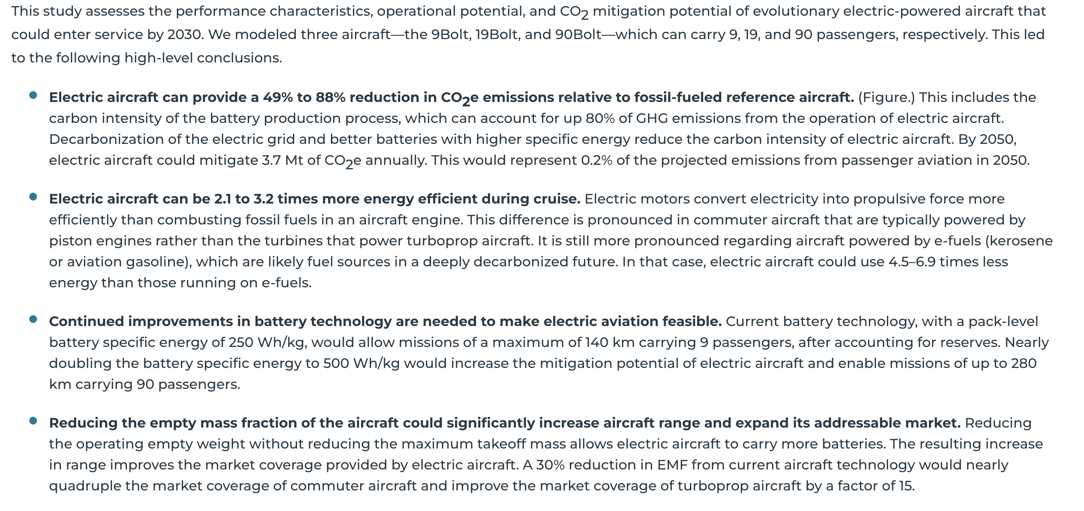
 | Based on current technology a 9Bolt with 9 passenger capacity is assumed
 | Efficiency is given for 140km cruising range
 | Cruising does not include take-off and landing, which typically is more energy-intensive

 | RPK = revenue passenger kilometer, assumed to be equal to the passenger kilometer

 | Fuel used per pkm | 0.72 | MJ/pkm
 | Fuel used given occupation rate | 1.07 | MJ/pkm

 | This fuel usage does not take landing, take off etc. into account

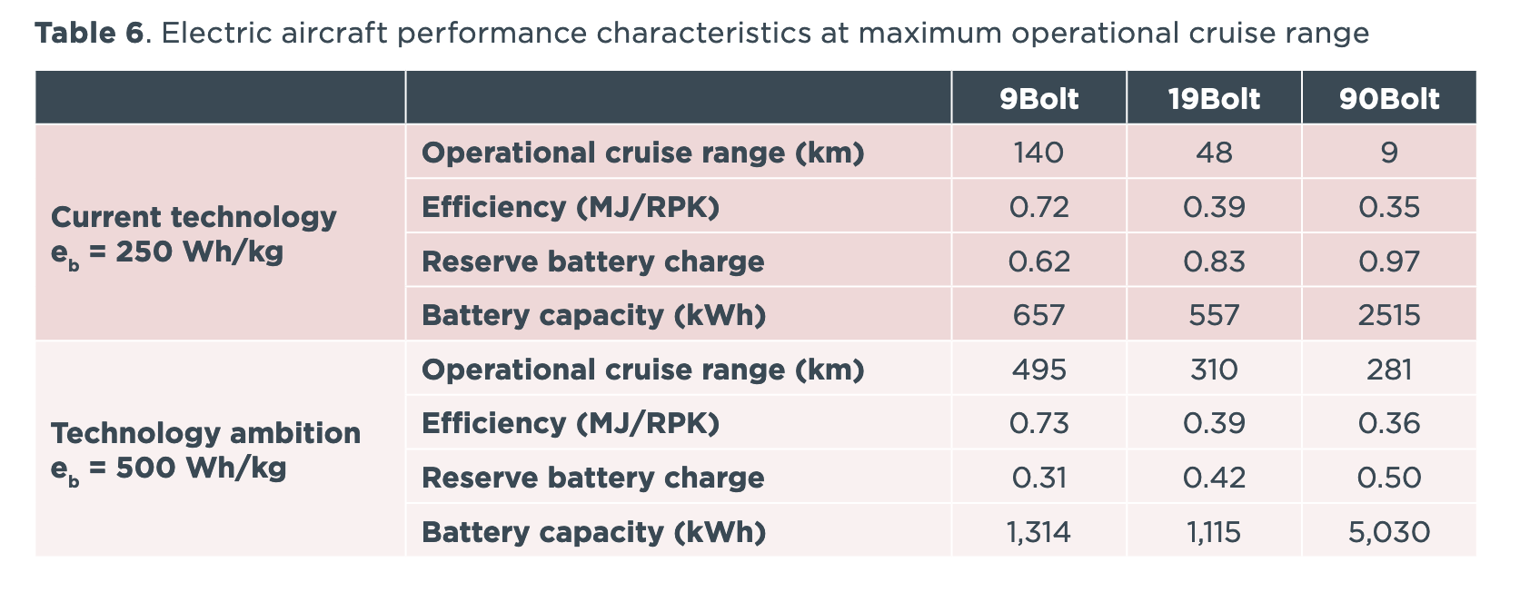

OAG

 | Fuel consumption outside of cruising needs to be taken into account

 | A319 aircraft with a 348km flight has the following fuel distribution:
 | Fuel burn in tonnes in different stages
 | Taxi out | 0.237
 | Take off | 0.084
 | Climb | 0.216
 | Cruise | 1.314
 | Approach | 0.142
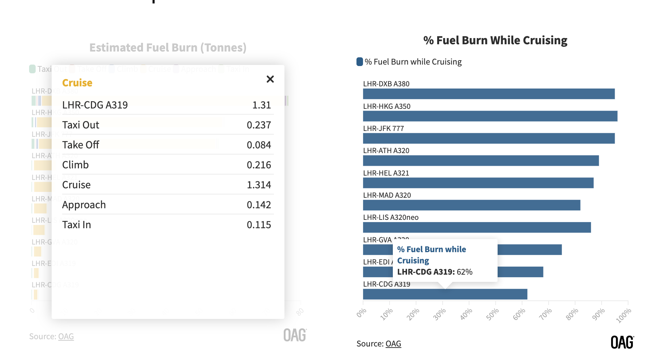
 | Taxi in | 0.115
 | Total | 2.108

 | Relative share of cruising in total fuel used | 0.62 | -

 | Fuel used total flight | 1.72 | MJ/pkm
 | Transport efficiency | 0.58005218216 | pkm/MJ

