Notes
Source |  | Value | Unit | Notes

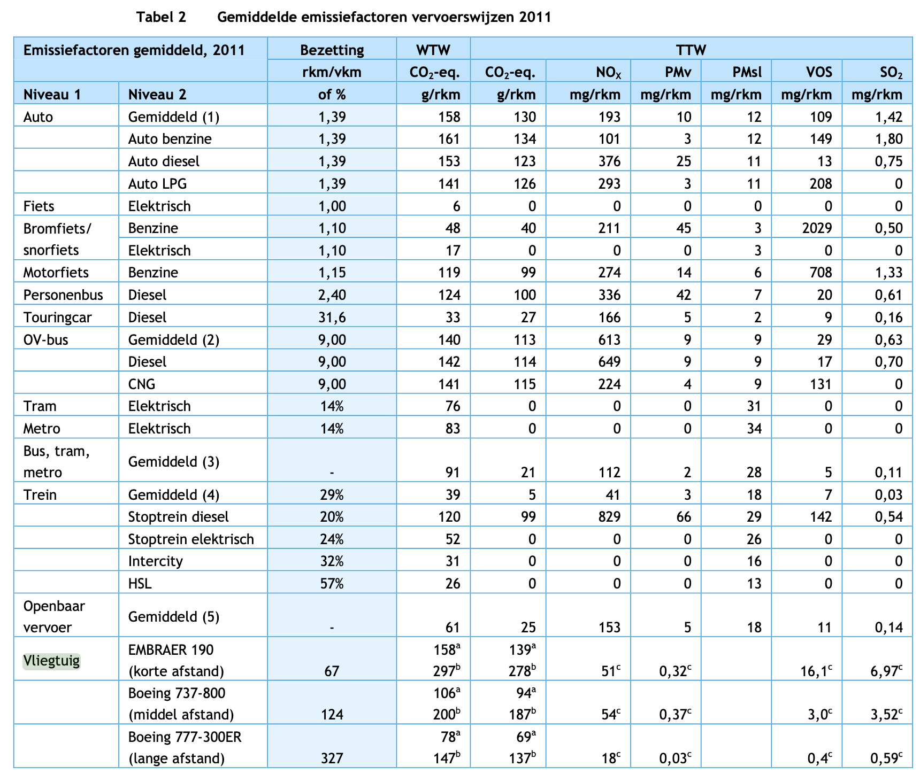

CE Delft | Occupation | 67 | pkm/vkm

 | Passenger capacity | 100 | #
 | Occupation rate | 0.67 | -

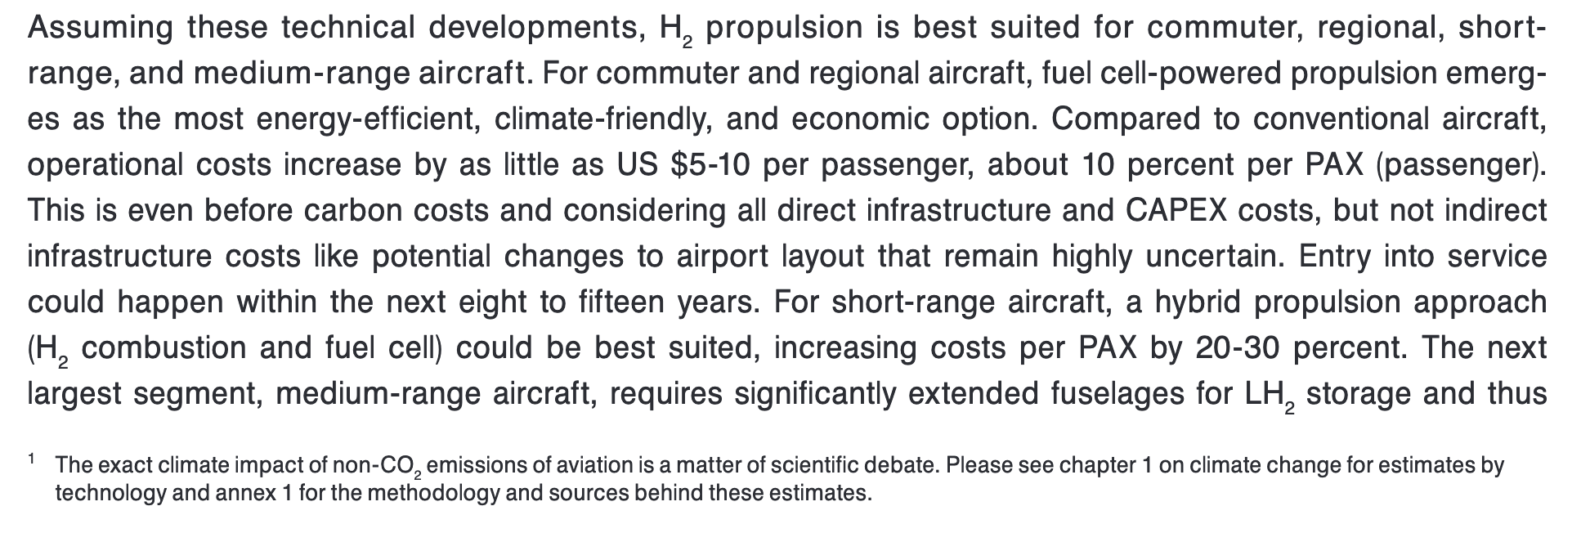
ETSource (2022) | Energy density of hydrogen | 120.1 | MJ/kg

Hydrogen-powered aviation (2020, Mckinsey & Company) | Passengers | 19 | #
 | Weight of LH2 tanks | 0.5 | tons
 | Gravimetric index | 0.25 | %
 | Useable LH2 | 0.9 | %
 | Range | 500 | km
 | Conversion factor tons | 907 | kg/tons

 | Occupation | 12.73 | #
 | Weight of LH2 tanks | 453.59 | kg

 | Based on gravimetric index, which gives the fuel weight relative to the total weight of the fuel system
 | Fuel content of LH2 tanks | 113.40 | kg
 |  |  |  | Hydrogen-powered aviation, 2020, McKinsey & Company for FCH and Clean Sky 2
 | Assumed that all useable LH2 is used for a 500 km trip with 19 passengers
 | Fuel used | 102.06 | kg
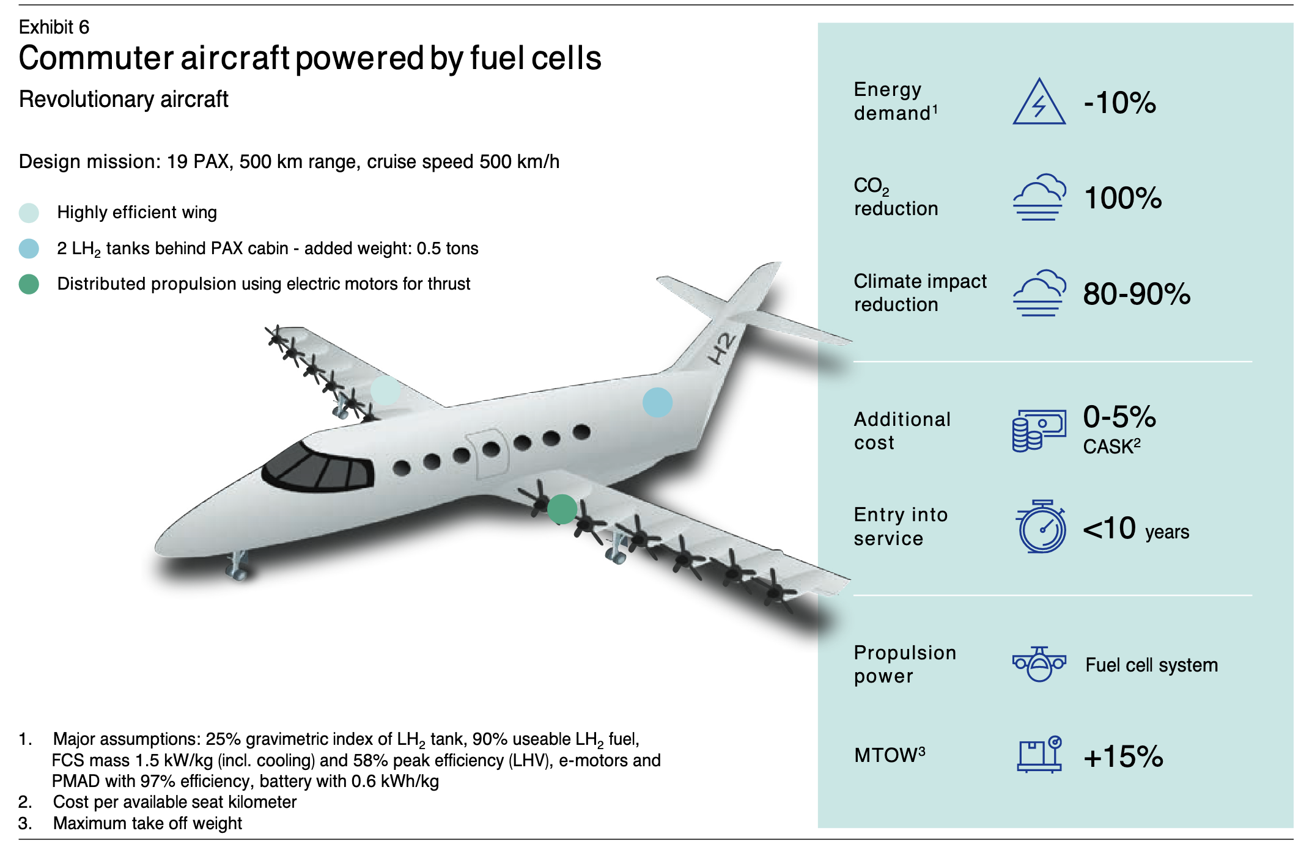
 | Fuel used per vkm | 0.20 | kg/vkm
 | Fuel used per vkm | 24.51 | MJ/vkm

 | Fuel used per pkm | 1.29 | MJ/pkm
 | Fuel used given occupation rate | 1.93 | MJ/pkm
 | Transport efficiency | 0.51928663107 | pkm/MJ

 |  |  |  | Hydrogen-powered aviation, 2020, McKinsey & Company for FCH and Clean Sky 2

