Notes
Source |  | Notes

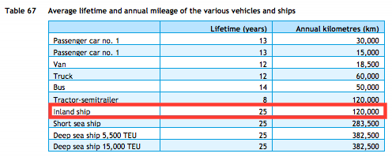
TNO, ECN, CE Delft
Parameter | Technical lifetime | 25 | years |  |  | \

CE Delft & CO2 emissiefactoren
Parameter | Efficiency | Efficiency Groot Rijnschip | 0.41 | MJ/tkm | CE Delft (2017) value for Waal & zwaar transport bulk (table 19).
 |  | Efficiency R.H.K. | 0.22 | MJ/tkm | CE Delft (2017) value for Waal & zwaar transport bulk (table 19).
 |  | Average efficiency current fleet | 0.315 | MJ/tkm | CO2 emissiefactoren (2021) uses average efficiency of Groot Rijnschip and R.H.K. for heavy transport over the Waal as a representative number for current inland shipping fleet, see https://www.co2emissiefactoren.nl/lijst-emissiefactoren/

 |  | Efficiency (diesel) | 3.2 | tkm/MJ | Efficiency for a traditional diesel inland ship

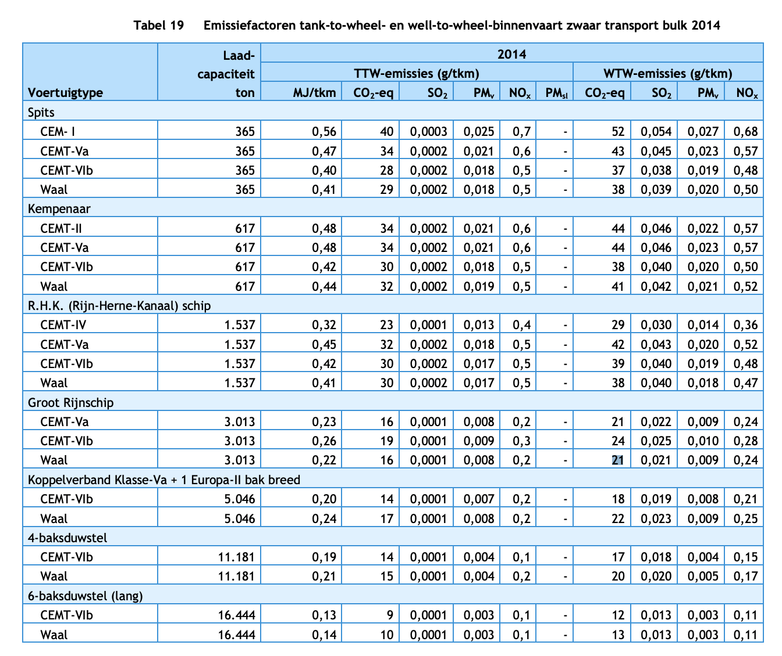

Ghimire, Zadeh, Thorstensen, & Pedersen (2021)
 | Efficiency | Variable speed diesel engine | 0.46 | - | It is assumed that the tkm/vkm does not change between technology types
 |  |  |  |  | It is assumed that the Waal RHK ship aligns with a variable speed diesel engine
 |  | Battery bank | 0.950 | - | It is assumed that the drivetrain of a full electric ship contains a battery bank, a DC-DC converter and a propulsion motor (see screenshot on the right)
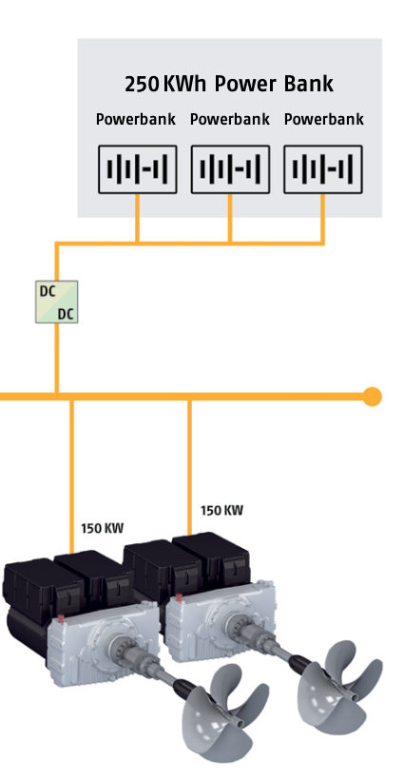
 |  | DC-DC converter | 0.989 | -
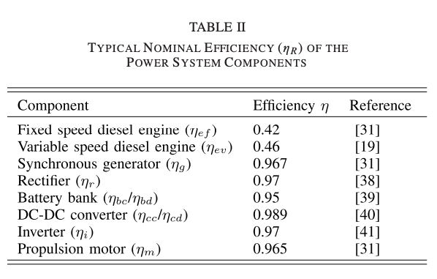
 |  | Propulsion motor | 0.965 | -
 |  | Total | 0.907 | -

 |  | Relative efficiency | 1.97 | -

 |  | Efficiency (electric) | 6.25718 | tkm/MJ

 |  |  |  |  | Data-Driven Efficiency Modeling and Analysis of All-Electric Ship Powertrain: A Comparison of Power System Architectures, 2021, Pramod Ghimire; Mehdi Zadeh; Jarle Thorstensen; Eilif Pedersen

