Carrier costs
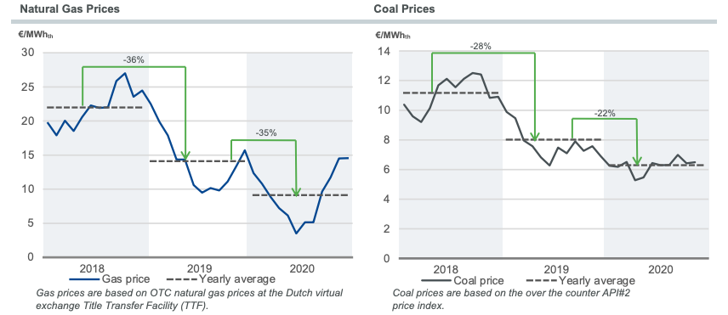
Commodity prices input | 2019 | unit | source
Coal | 8 | euro/MWh | TenneT Annual Market Update 2020 https://www.tennet.eu/fileadmin/user_upload/Company/Publications/Technical_Publications/Annual_Market_Update_2020.pdf
Gas | 14 | euro/MWh | TenneT Annual Market Update 2020 https://www.tennet.eu/fileadmin/user_upload/Company/Publications/Technical_Publications/Annual_Market_Update_2020.pdf
Oil | 57.29 | euro/barrel | PBL KEV (2020) https://www.energie-nederland.nl/feiten-en-cijfers/energiemarkt/
CO2 | 24.83 | euro/tonne | PBL KEV (2020) https://www.energie-nederland.nl/feiten-en-cijfers/energiemarkt/
Imported electricity | 37.6 | euro/MWh | Germany 2019 wholesale electricity price https://static.agora-energiewende.de/fileadmin/Projekte/2019/Jahresauswertung_2019/A-EW_German-Power-Market-2019_Summary_EN.pdf
Currency | 0.8931 | euro/dollar | https://www.exchangerates.org.uk/USD-EUR-spot-exchange-rates-history-2019.html

Commodity prices conversion
Coal | 26.5 | MJ/kg | ETDataset carriers_source_analyses
Gas | 3600 | MJ/MWh
Oil | 42 | MJ/kg | ETDataset carriers_source_analyses
Oil | 0.82 | kg/l | ETDataset carriers_source_analyses
Oil | 158.98729493 | l/barrel

Commodity price output for ETSource
Coal | 0.0022222222222 | euro/MJ
Gas | 0.0038888888889 | euro/MJ
Oil | 0.010462928543 | euro/MJ
CO2 | 24.83 | euro/tonne
Imported electricity | 0.010444444444 | euro/MJ
Currency | 1.1196954428 | dollar/euro

Commodity price on ETM
Coal | 65.937620523 | dollar/tonne
Gas | 14 | euro/MWh
Oil | 64.14735192 | dollar/barrel
CO2 | 24.83 | euro/tonne
Imported electricity | 37.6 | euro/MWh

Source: TenneT Annual Market Update (2020)

