Notes
Source | Parameter | Value | Unit |  |  | Downloaded from

Schram et al. (2020) | round trip efficiency | 0.87 | - | V2G empirical roundtrip efficiency. |  | https://ieeexplore.ieee.org/document/9203459

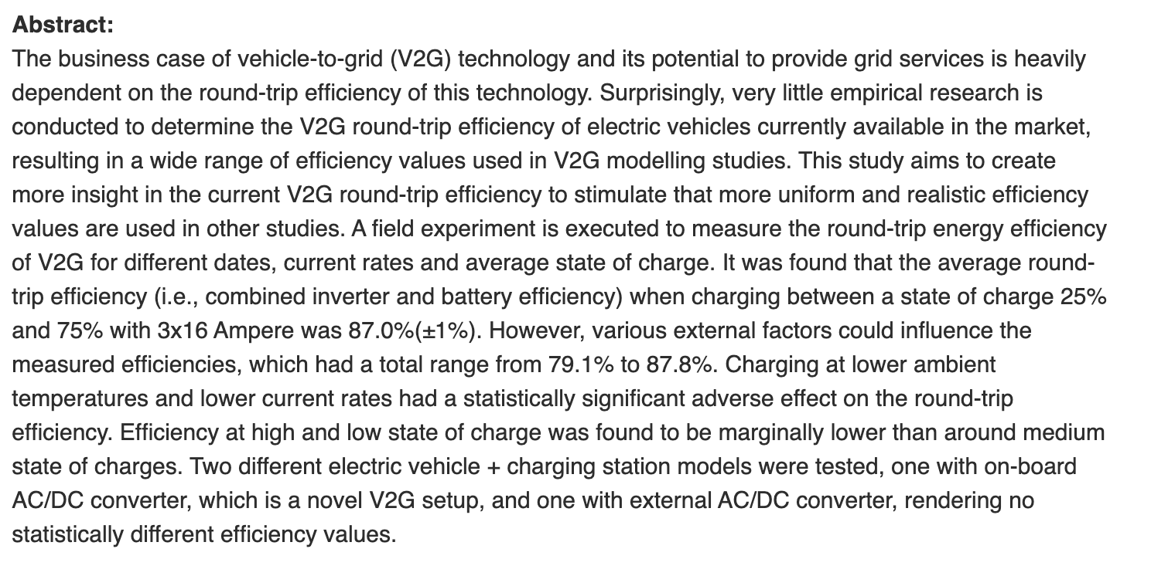

 |  |  |  |  | Fig. 7. Market shares of battery technology with respect to new HSS installations.

