Notes
Source | Page | Notes

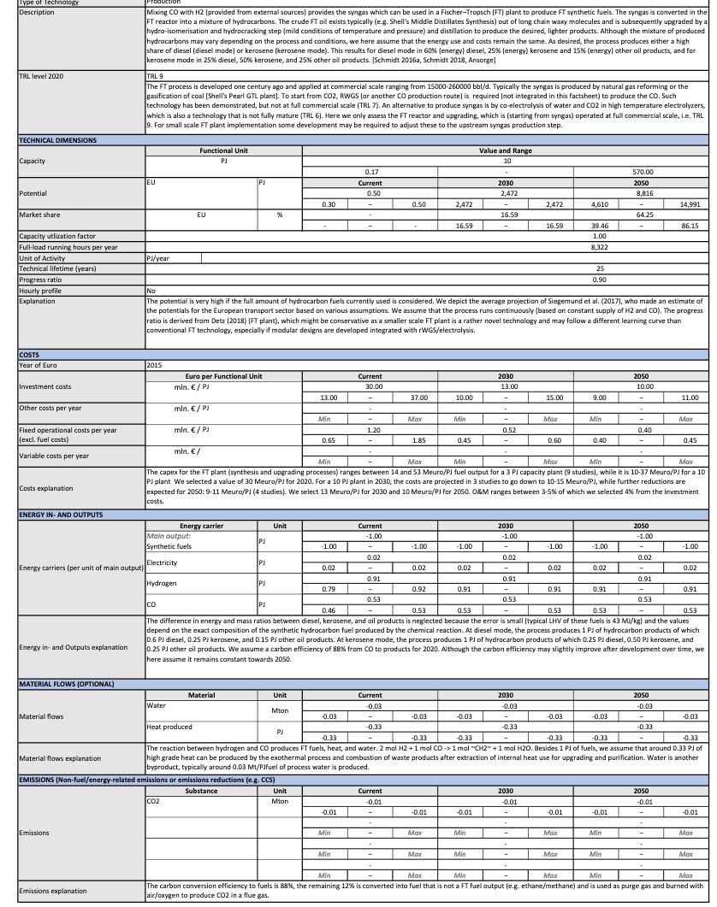
PEM electrolysis + Fischer-Tropsch
Capacity | 333.79 | MW | Fischer-Tropsch
Full load hours | 8322 | hours | Fischer-Tropsch
Investment | 318402777.78 | euro
OPEX | 12552083.333 | euro

 | 0.111 | kg CO2/ MJ kerosene
Totale input PEM en Fischer - Tropsch |  |  | share
electricity | 1.12 | PJ | 0.55128294446
hydrogen | 0.91 | PJ | 0.44871705554
total | 2.03

Source: Energy.nl
Fischer-Tropsch |  |  | Range
Capacity | 10 | PJ/year | 0.17 - 570
 | 2777777.7778 | MWh/year
 | 333.79 | MW
Investment | 30 | mln euro/PJ | 13-37
 | 300000000 | euro
OPEX | 1.2 | mln euro/PJ | 0.65-1.85
 | 12000000 | euro
Efficiency | 88% | The carbon conversion efficiency to fuels is 88%, the remaining 12% is converted into fuel that is not a FT fuel output (e.g. ethane/methane) and is used as purge gas and burned with air/oxygen to produce CO2 in a flue gas.

Full load hours | 8322
Capacity utilization factor | 1
Technical lifetime | 25
Progress ration | 0.9

OUTPUT |  |  | share
kerosene | 0.5 | PJ
diesel | 0.25 | PJ
other oil | 0.25 | PJ
INPUT
electricity | 0.02 | PJ
hydrogen | 0.91 | PJ
CO | 0.53 | PJ
Total | 1.46 | PJ

Hoeveel CO nodig voor 1 PJ olieproducten? |  | 0.53 | PJ/year
 |  | 1000 | kg/ton
 |  | 52947052.947 | kg/year
 |  | 52947.052947 | ton/year
PEM
Investment | 1000 | euro/kW
 | 18402777.778
OPEX | 3 | %
 | 552083.33333 | euro

Capacity PEM | 0.53 | PJ/year
 | 147222.22222 | MWh/year
 | 18.40 | MW
Full load hours | 8000
Technical lifetime | 25
 | 0.63636363636 | ton CO/ton CO2

OUTPUT
CO | 5.3 | PJ
INPUT
electricty | 305001121.33 | kWh
 | 1.10 | PJ
CO2 | 83202.511774 | ton/year | AANNAME: GEEN VERLIEZEN
 | 0.083202511774 | Mton/year

CHEMICAL REACTION
 | CO2 | PEM | CO | H2 |  | C11H24 | H20
 | 11 | -> | 11 | 23 | -> | 1 | 11
Constants
Molar masses
H2 |  | 2.016 | g/mol
CO |  | 28 | g/mol
CO2 |  | 44 | g/mol
C11H24 |  | 156.192 | g/mol
O2 |  | 32 | g/mol
CH3OH |  | 32.032 | g/mol
C2H5OH |  | 46.048 | g/mol | 0.789 | kg/l

Density kerosene |  | 0.747 | kg/l
interest |  | 0.05

technical_lifetime |  | 30 |  | yr
full_load_hours |  | 8000 |  | hr/yr
energy density CO |  | 10.01 |  | MJ/kg
energy density H2 |  | 120.1 |  | MJ/kg
energy density kerosene |  | 43.15 |  | MJ/kg

INPUT/OUTPUT SHARES
input.co |  | 0.35
input.hydrogen |  | 0.63
input.electricity |  | 0.02
output.kerosene |  | 0.47
output.diesel |  | 0.30
output.loss |  | 0.23

Produce |  | 0.636 |  | Mt CO
 |  | 0.323 |  | Mt kerosene

FLH |  | 8000.000
Production |  | 0.001 |  | Mt/day
 |  | 0.008 |  | Mbbl/day

For 50k bbl FT products/day |  |  |  |  | NETL
Power |  | 65.4 |  | Mwe | FT 32.2 MW
Investment |  | 1.720678 |  | B$ | NETL (w/o syngas prod.)

Here, scaled
Power |  | 10.654359256 |  | Mwe here (scaled)
Investment Fischer-Tropsch |  | 237.55664718 |  | M€
 |  | 237556647.18 |  | €
Opex Fischer Tropsch |  | 5 |  | % capex
 |  | 11877832.359 |  | €/year
Interest |  | 0
Lifetime |  | 30 |  | yrs
Electricity consumption |  | 0.085234874051 |  | TWh

 |  | 0.13394051637 |  | TWh/Mt CO | 0.636 | Mt CO | 0.085234874051
 |  | 0.085234874051 |  | TWh/Mt CO2 | 1 | Mt CO2 | 0.085234874051
 | ELEKTRICITEITSVRAAG
 | Fischer Tropsch | 85.234874051 |  | kWh/t CO2
 | CO2 -> CO PEM | 5760 |  | kWh/t CO2
 | Totaal | 5845.2348741 |  | kWh/t CO2
 |  | 21042.845547 |  | MJ/t CO2
 |  | 21.04 |  | MJ/kg CO2 |  | 0.74186725522

 | WATERSTOFVRAAG
 |  | 0.095801652893 |  | Mt H2 / Mt CO
 |  | 0.060964688204 |  | Mt H2 / Mt CO2
 |  | 0.060964688204 |  | kg H2 / kg CO2
 |  | 7.32 |  | MJ H2 /kg CO2 |  | 0.25813274478

 |  |  |  | kg CO2 / MJ kerosine
 |  | 0.02 |  | kg/MJ kerosine
 |  | 23.17 |  | g/MJ kerosine
 |  | 0.15 |  | mol/MJ kerosine
 |  | 1.63 |  | mol CO2/MJ kerosine
 |  | 71.81 |  | g CO2 / MJ kerosine
 |  | 0.07 |  | kg CO2 / MJ kerosine

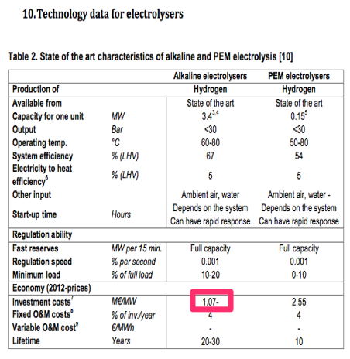
Source | Page | Notes
PEM CO2 -> CO
Constants
Molar masses
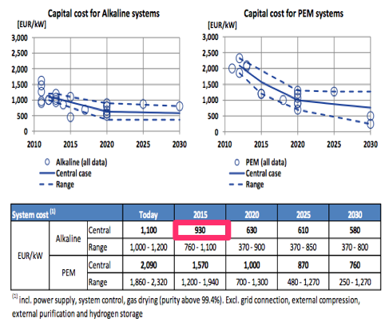
H2 |  | 2.016 | g/mol
CO |  | 28 | g/mol
CO2 |  | 44 | g/mol
C11H24 |  | 156.192 | g/mol
O2 |  | 32 | g/mol
CH3OH |  | 32.032 | g/mol
C2H5OH |  | 46.048 | g/mol | 0.789 | kg/l

technical_lifetime |  | 20 |  | yr
full_load_hours |  | 8000 |  | hr/yr
energy density CO |  | 10.01 |  | MJ/kg

Source | Page | Notes
PARAMETERS FOR PROCESS STEPS
Concentrated CO2 | 1 | Mt CO2/yr
CO2 | to | CO
CO2 Electrolysis (PEM)
Overall lifetime |  | 25
Efficiency |  | 0.7 |  |  | Opus 12
Yield |  | 0.97
Electricity req |  | 5760.49 |  | kWh/t CO2
Lifetime |  | 80000 |  | hrs
Lifetime stack |  | 10 |  | yrs
Lifetime rest |  | 30 |  | yrs
Fraction for stack |  | 0.15
Overall cost |  | 1300 |  | €/kW
Lifetime stack |  | 10 |  | yrs |  | 930 | euro/kW
Investment |  | 1000 |  | €/kW |  | 1070 | euro/kW
CO prod |  | 0.62 |  | Mt/y
Electricity req |  | 2262.78 |  | GWh
FLH |  | 8000 |  | hrs
Peak factor |  | 1
Size |  | 282.85 |  | Mwe
Investment |  | 367.70 |  | M€
Interest |  | 0

O&M |  | 3 |  | %

PEM CO2

Opus 12 uses PEM technology with a different catalyst layer at the cathode to convert CO2

Reactions | Anode | 2H2O -> O2 + 4H+ + 4e-
 | Cathode | 2CO2 + 4H+ +4e- -> 2CO + 2H2O
 | Net | 2CO2 -> 2CO + O2 |  | reverse combustion'

Can synthesize more complicated compounds this way

Energy efficiency is

 | 70 | % | 55% currently, up to 75%
 | 0.0045714285714 | kWh/L CO

 | 1.00 | t CO2
 | 0.02 | mol CO2
 | 0.64 | t CO2
 | 1.00

Energy requirement is
 | 510.00 | kL |  |  |  |  |  | https://closingthecarboncycle.files.wordpress.com/2016/10/20160929-opus-12-closing-the-carbon-cycle.pdf
 | 2331.43 | kWh/ 510 kL
 | 3665.77 | kWh/t CO
 | 5760.49 | kWh/t CO2

