Notes
Sources | Page | Notes

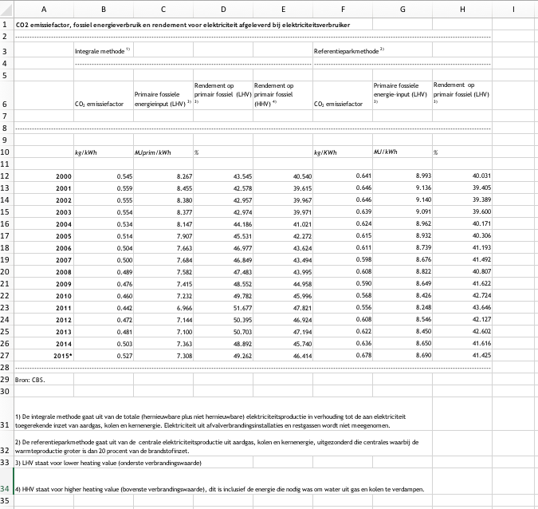
CBS_201706_TabelVoorArtikelRendementCO2emissieElekrtriciteit2015 |  |  |  |  | CO2 emissiefactor, fossiel energieverbruik en rendement voor elektriciteit afgeleverd bij elektriciteitsverbruiker
 |  |  |  | 3600000 | -
 |  |  |  | 3.6 |  | Integrale methode 1) |  |  |  | Referentieparkmethode 2)
 | 1 |  |  |  |  | - |  |  |  | -

 |  | 0.527 | kg/kWh |  |  | CO2 emissiefactor | Primaire fossiele energieinput (LHV) 3) | Rendement op primair fossiel (LHV) 3) | Rendement op primair fossiel (HHV) 4) | CO2 emissiefactor | Primaire fossiele energie-input (LHV) 3) | Rendement op primair fossiel (LHV) 3)
 |  | 527 | g/kWh
 |  | 3.6 | kWh_to_MJ |  | -
 |  | 0.14645479911 | kg/MJ
 |  |  |  |  |  | kg/kWh | MJprim/kWh | % |  | kg/KWh | MJ/kWh | %

 |  |  |  |  | 2000 | 0.545 | 8.267 | 43.545 | 40.540 | 0.641 | 8.993 | 40.031
 |  |  |  |  | 2001 | 0.559 | 8.455 | 42.578 | 39.615 | 0.646 | 9.136 | 39.405
 |  |  |  |  | 2002 | 0.555 | 8.380 | 42.957 | 39.967 | 0.646 | 9.140 | 39.389
 |  |  |  |  | 2003 | 0.554 | 8.377 | 42.974 | 39.971 | 0.639 | 9.091 | 39.600
 |  |  |  |  | 2004 | 0.534 | 8.147 | 44.186 | 41.021 | 0.624 | 8.962 | 40.171
 |  |  |  |  | 2005 | 0.514 | 7.907 | 45.531 | 42.272 | 0.615 | 8.932 | 40.306
 |  |  |  |  | 2006 | 0.504 | 7.663 | 46.977 | 43.624 | 0.611 | 8.739 | 41.193
 |  |  |  |  | 2007 | 0.500 | 7.684 | 46.849 | 43.494 | 0.598 | 8.676 | 41.492
 |  |  |  |  | 2008 | 0.489 | 7.582 | 47.483 | 43.995 | 0.608 | 8.822 | 40.807
 |  |  |  |  | 2009 | 0.476 | 7.415 | 48.552 | 44.958 | 0.590 | 8.649 | 41.622
 |  |  |  |  | 2010 | 0.460 | 7.232 | 49.782 | 45.996 | 0.568 | 8.426 | 42.724
 |  |  |  |  | 2011 | 0.442 | 6.966 | 51.677 | 47.821 | 0.556 | 8.248 | 43.646
 |  |  |  |  | 2012 | 0.472 | 7.144 | 50.395 | 46.924 | 0.608 | 8.546 | 42.127
 |  |  |  |  | 2013 | 0.481 | 7.100 | 50.703 | 47.194 | 0.622 | 8.450 | 42.602
 |  |  |  |  | 2014 | 0.503 | 7.363 | 48.892 | 45.740 | 0.636 | 8.650 | 41.616
 |  |  |  |  | 2015* | 0.527 | 7.308 | 49.262 | 46.414 | 0.678 | 8.690 | 41.425
 |  |  |  |  | -
 |  |  |  |  | Bron: CBS.

 |  |  |  |  | 1) De integrale methode gaat uit van de totale (hernieuwbare plus niet hernieuwbare) elektriciteitsproductie in verhouding tot de aan elektriciteit toegerekende inzet van aardgas, kolen en kernenergie. Elektriciteit uit afvalverbrandingsinstallaties en restgassen wordt niet meegenomen.
 |  |  |  |  | 2) De referentieparkmethode gaat uit van de centrale elektriciteitsproductie uit aardgas, kolen en kernenergie, uitgezonderd die centrales waarbij de warmteproductie groter is dan 20 procent van de brandstofinzet.
 |  |  |  |  | 3) LHV staat voor lower heating value (onderste verbrandingswaarde)
 |  |  |  |  | 4) HHV staat voor higher heating value (bovenste verbrandingswaarde), dit is inclusief de energie die nodig was om water uit gas en kolen te verdampen.

EC_201606_Quarterly Report on European Electricity Markets
 | 23
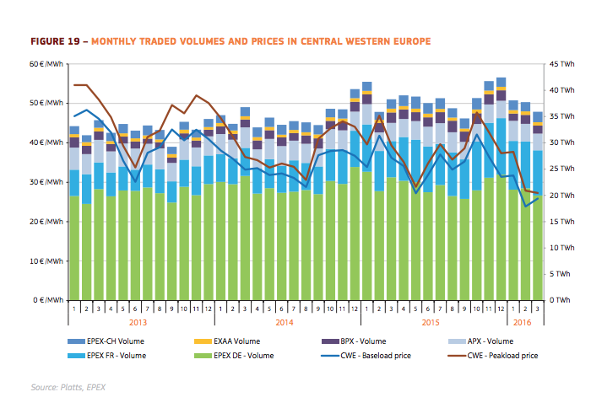
 |  | 35 | EUR/MWh
 |  | 3600 | MWh_to_MJ
 |  | 0.0097222222222 | EUR/MJ

35 EUR/MWh

