Notes
Source | Notes

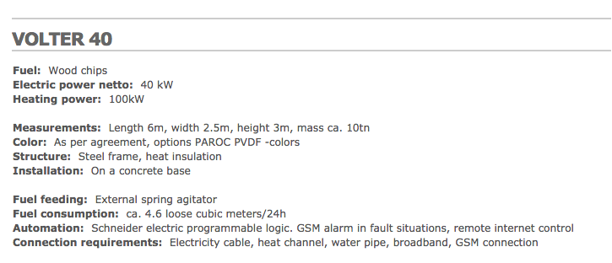
volter

 |  | 0.04 | MW

 |  | 2.5 | m
 |  | 6 | m

EnergiNet
p 83-84
 | capacity | 176.5 | MWe

 | Initial investment | 3.5 | M/MWe
 | Initial investment | 3500 | euro/KWe
 | El. efficiency | 27.9 | %
 | Heat Efficiency | 83.5 | %
 | Technical Lifetime | 25
 | Construction time | 5
 | Fixed O&M | 29500 | Euro/MWe/year
 | Fixed O&M | 29.5 | euro/KWe

 | Variable O&M | 1.1 | euro/MWh_e

