HRE 4 Source
 |  |  |  |  | 3.6 | TWhtoPJ

Source | Website | http://www.heatroadmap.eu/
 | Images | http://www.heatroadmap.eu/resources/HRE4-Country_presentation-Germany.pdf
 | Numbers | http://www.heatroadmap.eu/resources/HRE4%20Exchange%20Template%20WP3_v22b_website.xlsx

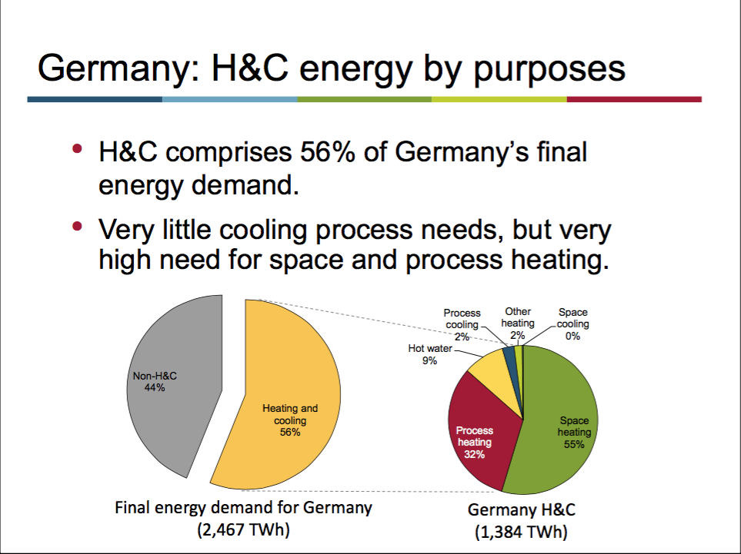
p4
 | Final energy demand and cooling
 |  | Final energy demand DE in 2015
 |  |  | 2,467.0 | TWh
 |  |  | 8,881.2 | PJ

 |  | Percentage of final energy demand represented by H&C
 |  |  | 56%
 |  |  | 1384 | TWh
 |  |  | 4,982.4 | PJ
 |  | Application split
 |  | Space heating | 55%
 |  | Process heating | 32%
 |  | Hot water | 9%
 |  | Process cooling | 2%
 |  | Other heating | 2%
 |  | Space cooling | 0%

 |  | Space heating | 2,740.3 | PJ
 |  | Process heating | 1,594.4 | PJ
 |  | Hot water | 448.4 | PJ
 |  | Process cooling | 99.6 | PJ
 |  | Other heating | 99.6 | PJ
 |  | Space cooling | 0.0 | PJ

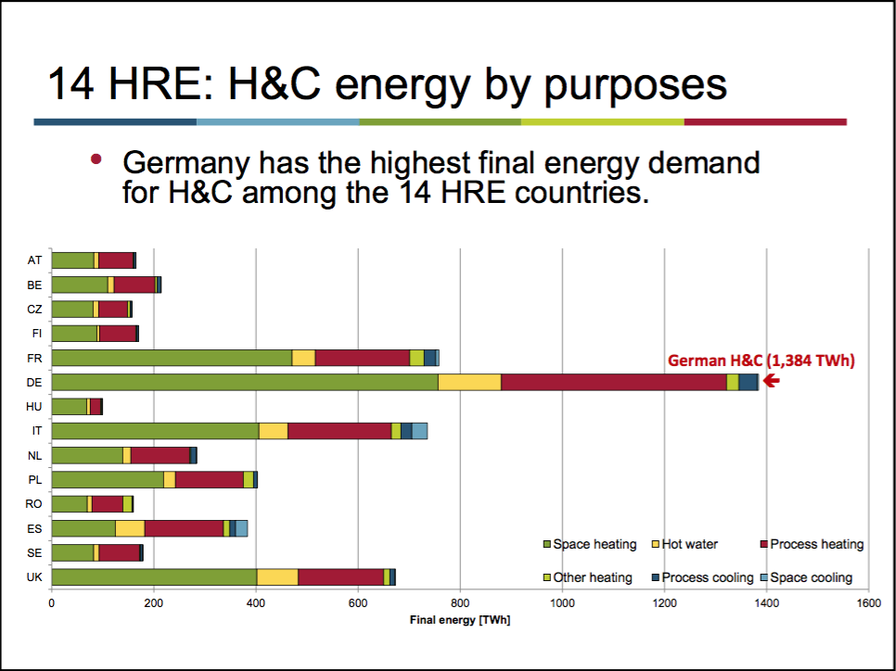
 | H&C energy by purposes
 |  | Total final demand for H&C in 2015 | 1,384.0 | TWh
 |  |  | 4,982.4 | PJ
 |  | Application split
 |  | Space heating | 55%
 |  | Process heating | 32%
 |  | Hot water | 9%
 |  | Process cooling | 2%
 |  | Other heating | 2%
 |  | Space cooling | 0%

 |  | Space heating | 2,740.3 | PJ
 |  | Process heating | 1,594.4 | PJ
 |  | Hot water | 448.4 | PJ
 |  | Process cooling | 99.6 | PJ
 |  | Other heating | 99.6 | PJ
 |  | Space cooling | 0.0 | PJ

 |  |  |  | PULL OUT NUMBERS

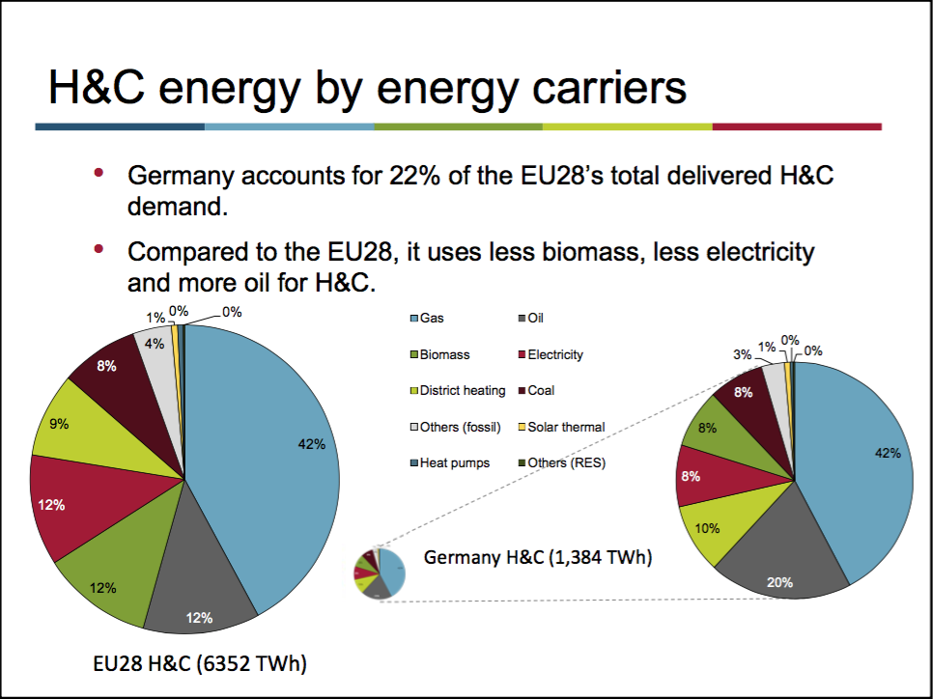
p5
 | Final demand of H&C energy by carriers

 |  | Total final demand for H&C in 2015 | 1,384.0 | TWh
 |  |  | 4,982.4 | PJ

 |  | Carriers split

 |  | Gas | 42%
 |  | Oil | 20%
 |  | Distric heating | 10
 |  | Electricity | 8%
 |  | Biomass | 8%
 |  | Coal | 8%
 |  | Others (fossil) = lignite? | 3%
 |  | Solar thermal | 1%
 |  | Heat pumps | 0%
 |  | Others (RES) | 0%

 |  | Gas | 2,092.6
 |  | Oil | 996.5
 |  | Distric heating | 49,824.0
 |  | Electricity | 398.6
 |  | Biomass | 398.6
 |  | Coal | 398.6
 |  | Others (fossil) = lignite? | 149.5
 |  | Solar thermal | 49.8
 |  | Heat pumps | 0.0
 |  | Others (RES) | 0.0

 |  | Other heating | 24.518727332
 |  | Space heating | 449.43156676
 |  | Hot water | 106.51968359
 |  | Space cooling | 0.12241127218

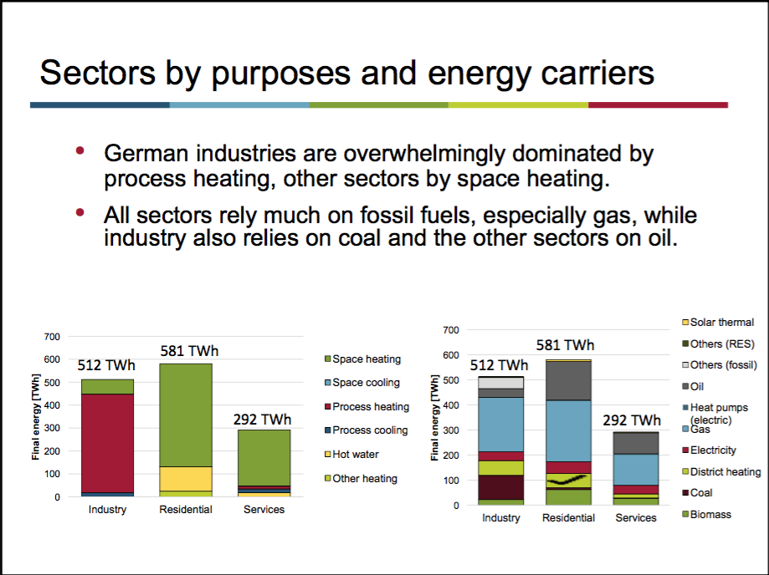
 | Sectors by purposes and energy carriers

 |  | Sectors split of H&C energy
 |  | Industry | 512 | TWh
 |  | Residential | 581 | TWh
 |  | Services | 291 | TWh

 |  | Application split by sector
 |  | Industry
 |  | Space heating |  | TWh
 |  | Process heating |  | TWh
 |  | Hot water |  | TWh
 |  | Process cooling |  | TWh
 |  | Other heating |  | TWh
 |  | Space cooling |  | TWh

 |  | Residential |  |  | 2,090,133 | TJ
 |  | Space heating | 449.4 | TWh | 1,617,954 | TJ
 |  | Process heating | 0.0 | TWh | 0 | TJ
 |  | Hot water | 106.5 | TWh | 383,471 | TJ
 |  | Process cooling | 0.0 | TWh | 0 | TJ
 |  | Other heating | 24.5 | TWh | 88,267 | TJ
 |  | Space cooling | 0.1 | TWh | 441 | TJ

 |  | Services |  |  | 1,049,818 | TJ
 |  | Space heating | 243.7 | TWh | 877,374 | TJ
 |  | Process heating | 11.5 | TWh | 41,290 | TJ
 |  | Hot water | 17.7 | TWh | 63,670 | TJ
 |  | Process cooling | 17.2 | TWh | 61,812 | TJ
 |  | Other heating |  | TWh | 0 | TJ
 |  | Space cooling | 1.6 | TWh | 5,672 | TJ

 |  | Carrier split for H&C energy demand by sector
 |  | Industry
 |  | Gas |  | TWh
 |  | Oil |  | TWh
 |  | Distric heating |  | TWh
 |  | Electricity |  | TWh
 |  | Biomass |  | TWh
 |  | Coal |  | TWh
 |  | Others (fossil) = lignite? |  | TWh
 |  | Solar thermal |  | TWh
 |  | Heat pumps |  | TWh
 |  | Others (RES) |  | TWh

 |  | Residential |  |  | 2,090,133 | TJ
 |  | Gas | 244.0 | TWh | 878,233 | TJ
 |  | Oil | 153.1 | TWh | 551,271 | TJ
 |  | Distric heating | 56.8 | TWh | 204,306 | TJ
 |  | Electricity | 47.2 | TWh | 169,748 | TJ
 |  | Biomass | 62.0 | TWh | 223,059 | TJ
 |  | Coal | 7.2 | TWh | 26,048 | TJ
 |  | Others (fossil) | 0.0 | TWh | 0 | TJ
 |  | Solar thermal | 7.5 | TWh | 26,937 | TJ
 |  | Heat pumps aireal (electric) | 2.8 | TWh | 10,089 | TJ
 |  | Others (RES) | 0.0 | TWh | 0 | TJ
 |  | Airconditioners (electric cooling) | 0.1 | TWh | 441 | TJ

 |  | Services heating |  |  | 982,334 | TJ
 |  | Gas | 123.4 | TWh | 444,178 | TJ
 |  | Gas corrected |  |  | 501,419
 |  | Oil | 83.7 | TWh | 301,254 | TJ
 |  | Oil corrected |  |  | 307,830
 |  | Distric heating | 16.6 | TWh | 59,596 | TJ
 |  | Electricity | 15.5 | TWh | 55,853 | TJ
 |  | Biomass | 27.5 | TWh | 98,886 | TJ
 |  | Biogases (from IEA energy balance 2015) |  |  | 57,241 | TJ | correction: in analysis this is added to network gas in Fuel aggregation of residences analysis
 |  | Biogasoline (from IEA energy balance 2015) |  |  | 0 | TJ | correction: in analysis this is added to oil in Fuel aggregation of residences analysis
 |  | Biodiesels (from IEA energy balance 2015) |  |  | 5,592 | TJ | correction: in analysis this is added to oil in Fuel aggregation of residences analysis
 |  | Other liquid biofuels (from IEA energy balance 2015) |  |  | 984 | TJ | correction: in analysis this is added to oil in Fuel aggregation of residences analysis
 |  | Non-specified primary biofuels and waste (from IEA energy balance 2015) |  |  | 0 | TJ | No correction: in analysis this is added to wood pellets in Fuel aggregation of residences analysis
 |  | Charcoal ((from IEA energy balance 2015)) |  |  | 0 | TJ | No correction: in analysis this is added to wood pellets in Fuel aggregation of residences analysis
 |  | Biomass corrected |  |  | 35,069 | TJ
 |  | Coal | 0.6 | TWh | 2,238 | TJ
 |  | Others (fossil) = lignite? | 0.0 | TWh | 0 | TJ
 |  | Solar thermal | 3.1 | TWh | 11,317 | TJ
 |  | Heat pumps | 2.5 | TWh | 9,011 | TJ
 |  | Others (RES) | 0.0 | TWh | 0 | TJ
 |  | Service Cooling
 |  | Electricity | 18.7 | TWh | 67,484 | TJ

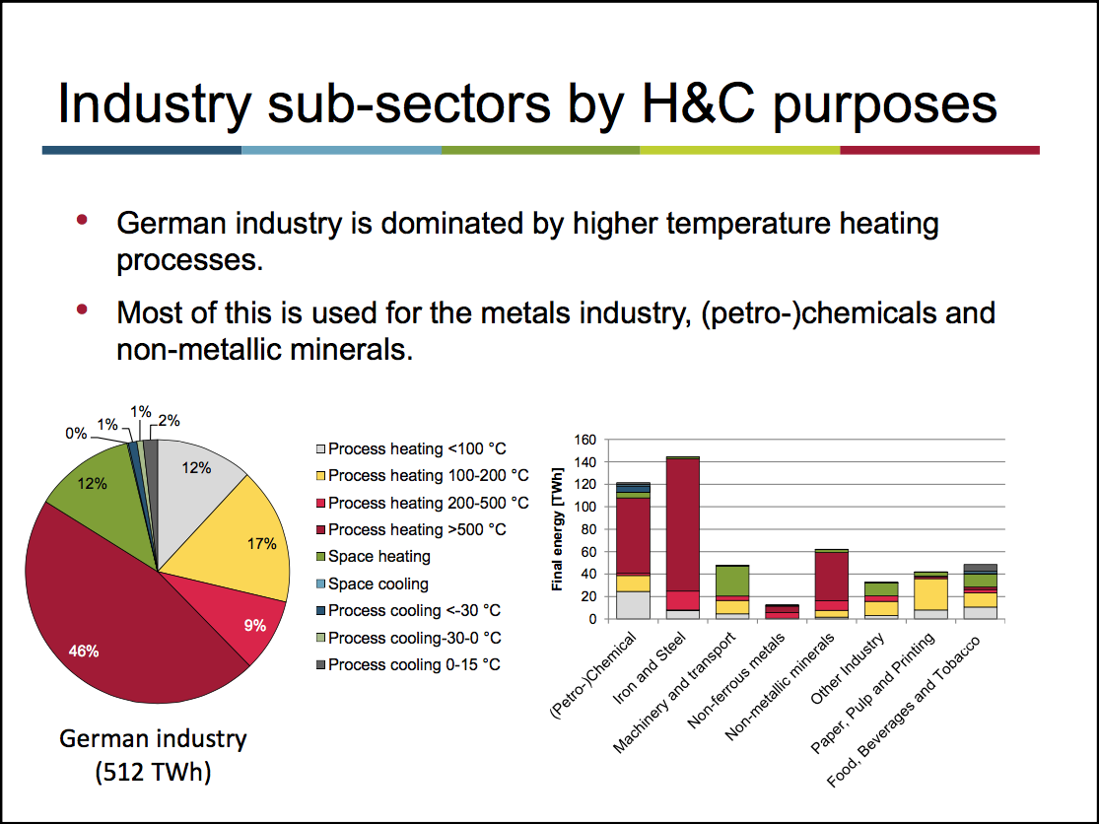
p6
 | Industry sub-sectors by H&C purposes and energy carriers
 |  | Industry sub-sectors by H&C purposes

 |  | Process heating <100 C
 |  | Process heating 100-200 C
 |  | Process heating 200-500 C
 |  | Process heating >500 C
 |  | Space heating
 |  | Space cooling
 |  | Process cooling <-30 C
 |  | Process cooling -30-0 C
 |  | Process cooling 0-15 C

 |  | (Petro-)Chemical |  | TWh
 |  | Iron and Steel |  | TWh
 |  | Machinery and transport |  | TWh
 |  | Non-ferrous metals |  | TWh
 |  | Non-metallic minerals |  | TWh
 |  | Other Industry |  | TWh
 |  | Paper, Pulp and Printing |  | TWh
 |  | Food, Beverages and Tobacco |  | TWh

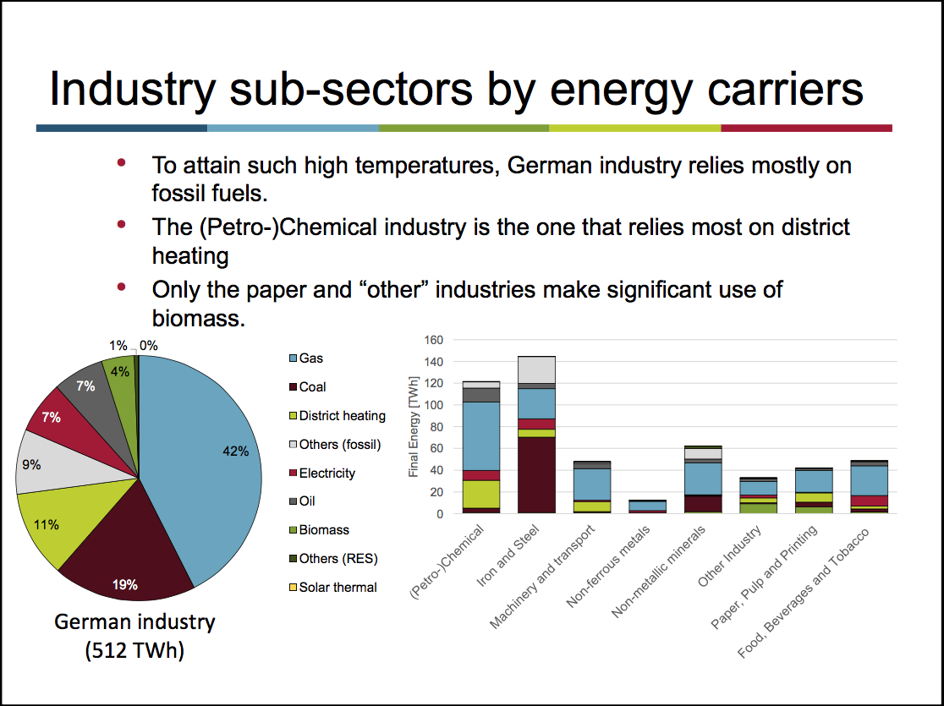
 |  | Industry sub-sectors by energy carriers

 |  | (Petro-)Chemical
 |  | Iron and Steel
 |  | Machinery and transport
 |  | Non-ferrous metals
 |  | Non-metallic minerals
 |  | Other Industry
 |  | Paper, Pulp and Printing
 |  | Food, Beverages and Tobacco

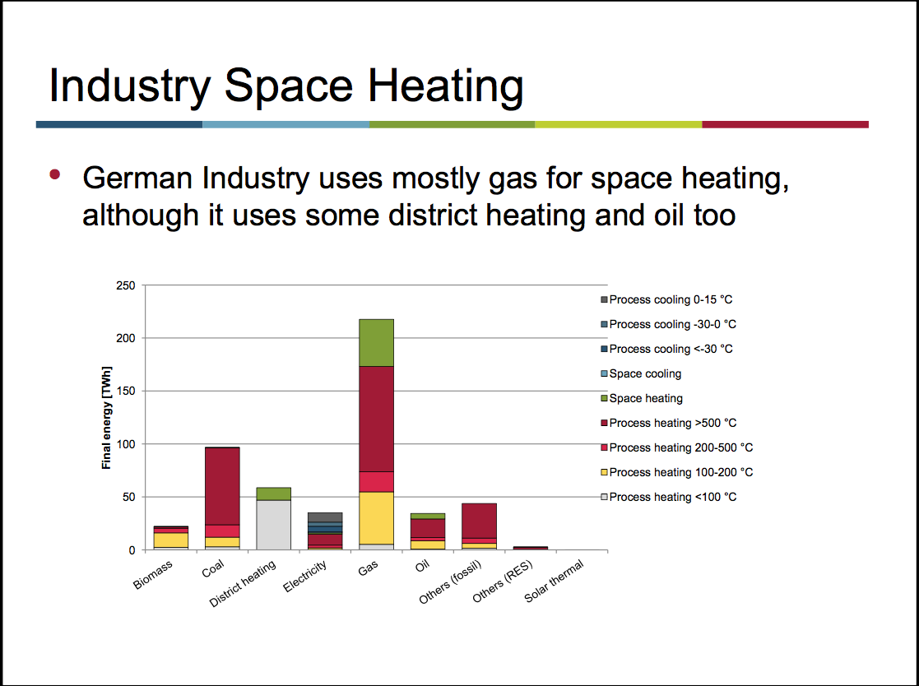
p7
 | Final demand for industry space heating and cooling by carrier

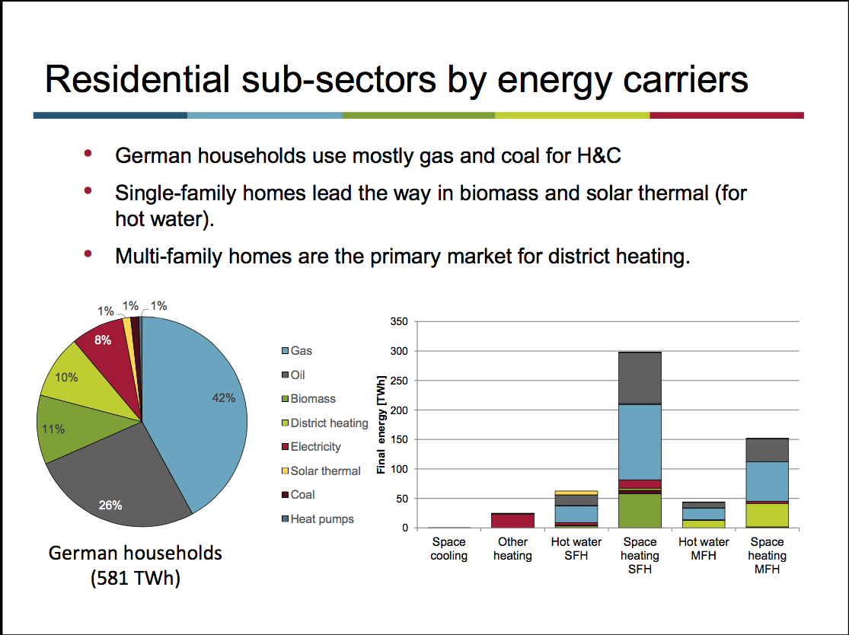
 | Final demand by energy carriers in Residential sub-sectors

 |  | Country | Germany
 |  | Residential Sector
 |  |  | TWh/year
 |  | TWh | Other heating | Space heating | Space cooling | Hot water
 |  | Biomass | 0.00 | 58.49 | 0.00 | 3.47
 |  | Coal | 0.00 | 7.24 | 0.00 | 0.00
 |  | District heating | 0.00 | 43.23 | 0.00 | 13.52
 |  | Electricity | 23.51 | 17.78 | 0.12 | 5.86
 |  | Gas | 0.98 | 194.42 | 0.00 | 48.55
 |  | Heat pumps | 0.00 | 2.17 | 0.00 | 0.63
 |  | Oil | 0.03 | 125.88 | 0.00 | 27.22
 |  | Solar thermal | 0.00 | 0.22 | 0.00 | 7.26
 |  | Grand Total | 24.52 | 449.43 | 0.12 | 106.52

 |  | %
 |  | Biomass | 0.00% | 13.01% | 0.00% | 3.26%
 |  | Coal | 0.00% | 1.61% | 0.00% | 0.00%
 |  | District heating | 0.00% | 9.62% | 0.00% | 12.69%
 |  | Electricity | 95.90% | 3.96% | 100.00% | 5.50%
 |  | Gas | 3.99% | 43.26% | 0.00% | 45.58%
 |  | Heat pumps | 0.00% | 0.48% | 0.00% | 0.59%
 |  | Oil | 0.11% | 28.01% | 0.00% | 25.56%
 |  | Solar thermal | 0.00% | 0.05% | 0.00% | 6.82%
 |  | Grand Total | 100.00% | 100.00% | 100.00% | 100.00%

 |  | TJ
 |  | Biomass | 0 | 210,553 | 0 | 12,506
 |  | Coal | 0 | 26,048 | 0 | 0
 |  | District heating | 0 | 155,646 | 0 | 48,661
 |  | Electricity | 84,650 | 64,009 | 441 | 21,088
 |  | Gas | 3,524 | 699,920 | 0 | 174,790
 |  | Heat pumps | 0 | 7,813 | 0 | 2,277
 |  | Oil | 93 | 453,181 | 0 | 97,997
 |  | Solar thermal | 0 | 783 | 0 | 26,153
 |  | Grand Total | 88,267 | 1,617,954 | 441 | 383,471

 |  |  |  |  |  |  |  | No data available; assumed 100% airconditioning
 |  |  |  |  |  |  |  | No data available; assumed 100% airconditioning
 |  |  |  |  |  |  |  | No data available; assumed 100% airconditioning

 | Cooking
 |  | Percentage of FINAL heat in cooking by
 |  | gas stoves |  | 4.10%
 |  | electric stoves (resistance) |  | 85.90%
 |  | electric halogen stoves |  | 5.00% |  | Just a guess | 4413.3709197
 |  | electric induction stoves |  | 5.00% |  | Just a guess | 4413.3709197
 |  | biomass stoves |  | 0.00%

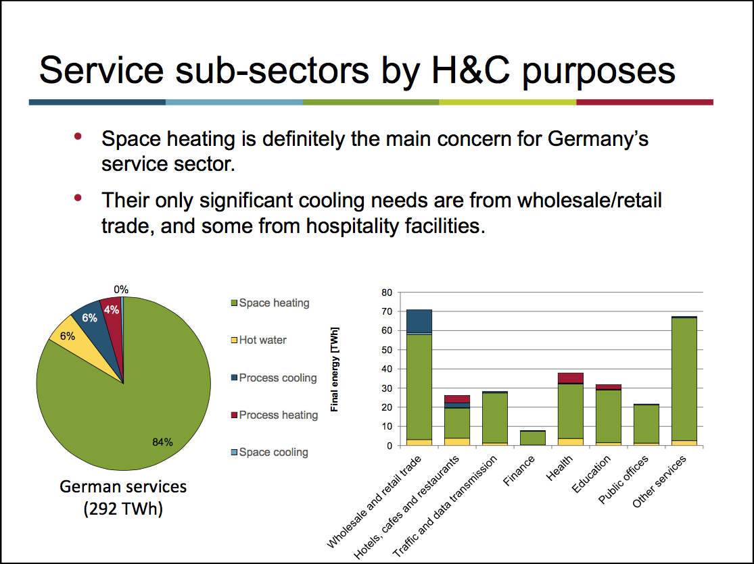
p8
 | Final demand in Service sub-sectors by H&C purpose and energy carrier
 |  | Final demand in service sub-sectors by H&C purposes

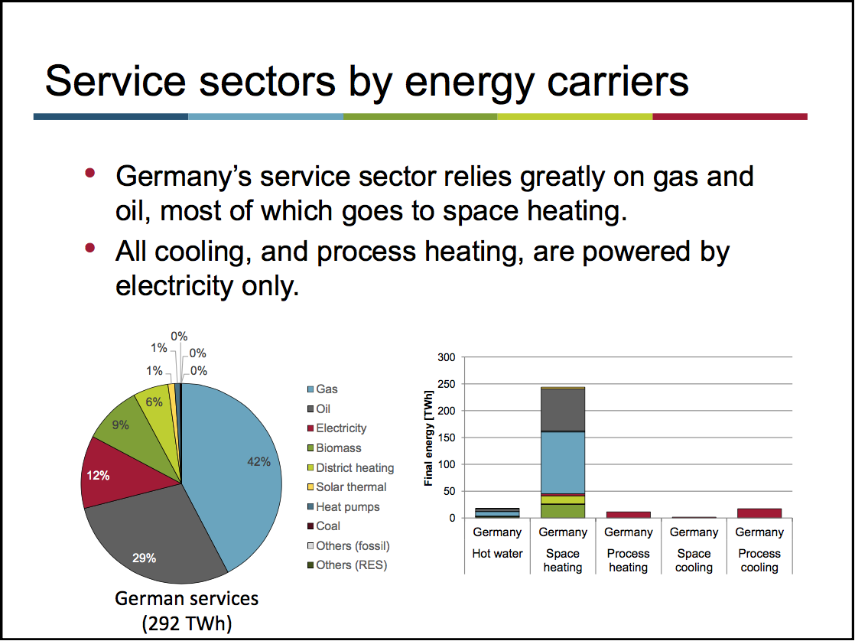
 |  | Final demand in service sub-sectors by energy carriers

 |  | Space heating |  | TWh
 |  | Process heating |  | TWh
 |  | Hot water |  | TWh
 |  | Process cooling |  | TWh
 |  | Other heating |  | TWh
 |  | Space cooling |  | TWh

 |  | Space heating
 |  | Gas |  | TWh
 |  | Oil |  | TWh
 |  | Distric heating |  | TWh
 |  | Electricity |  | TWh
 |  | Biomass |  | TWh
 |  | Coal |  | TWh
 |  | Others (fossil) = lignite? |  | TWh
 |  | Solar thermal |  | TWh
 |  | Heat pumps |  | TWh
 |  | Others (RES) |  | TWh

 |  | Process heating
 |  | Gas |  | TWh
 |  | Oil |  | TWh
 |  | Distric heating |  | TWh
 |  | Electricity |  | TWh
 |  | Biomass |  | TWh
 |  | Coal |  | TWh
 |  | Others (fossil) = lignite? |  | TWh
 |  | Solar thermal |  | TWh
 |  | Heat pumps |  | TWh
 |  | Others (RES) |  | TWh

 |  | Hot water
 |  | Gas |  | TWh
 |  | Oil |  | TWh
 |  | Distric heating |  | TWh
 |  | Electricity |  | TWh
 |  | Biomass |  | TWh
 |  | Coal |  | TWh
 |  | Others (fossil) = lignite? |  | TWh
 |  | Solar thermal |  | TWh
 |  | Heat pumps |  | TWh
 |  | Others (RES) |  | TWh

 |  | Process cooling
 |  | Gas |  | TWh
 |  | Oil |  | TWh
 |  | Distric heating |  | TWh
 |  | Electricity |  | TWh
 |  | Biomass |  | TWh
 |  | Coal |  | TWh
 |  | Others (fossil) = lignite? |  | TWh
 |  | Solar thermal |  | TWh
 |  | Heat pumps |  | TWh
 |  | Others (RES) |  | TWh

