Notes
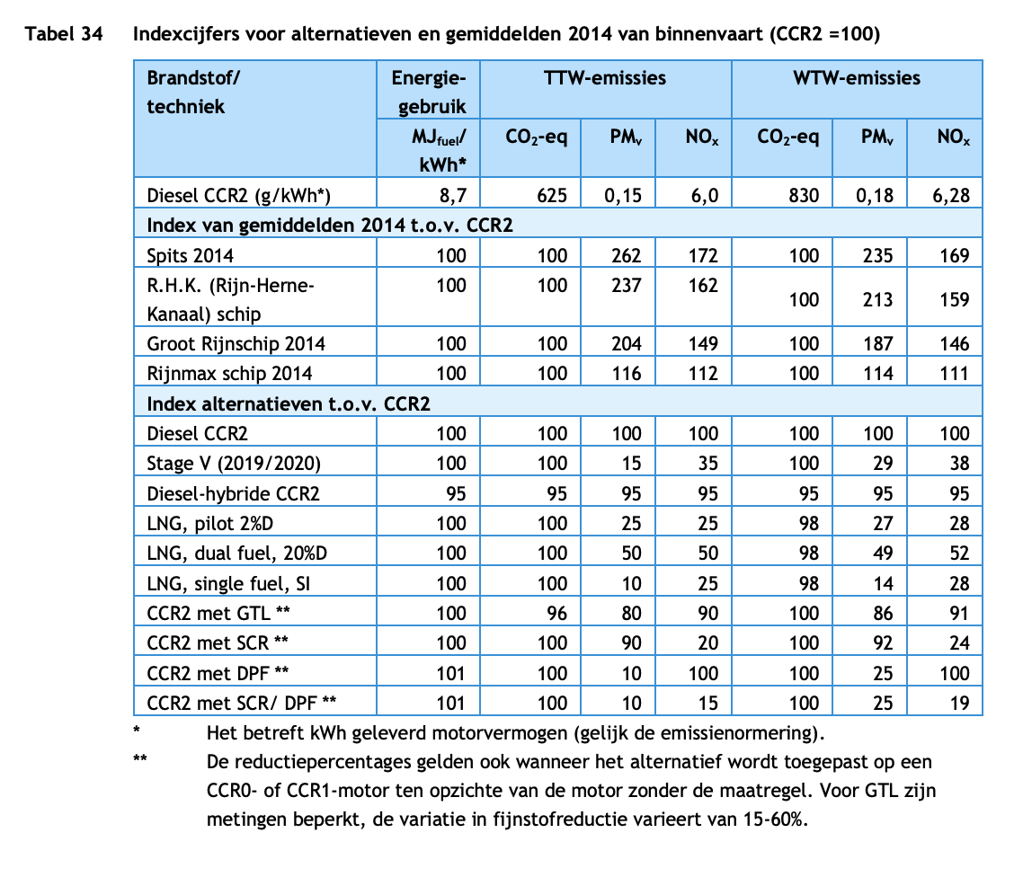
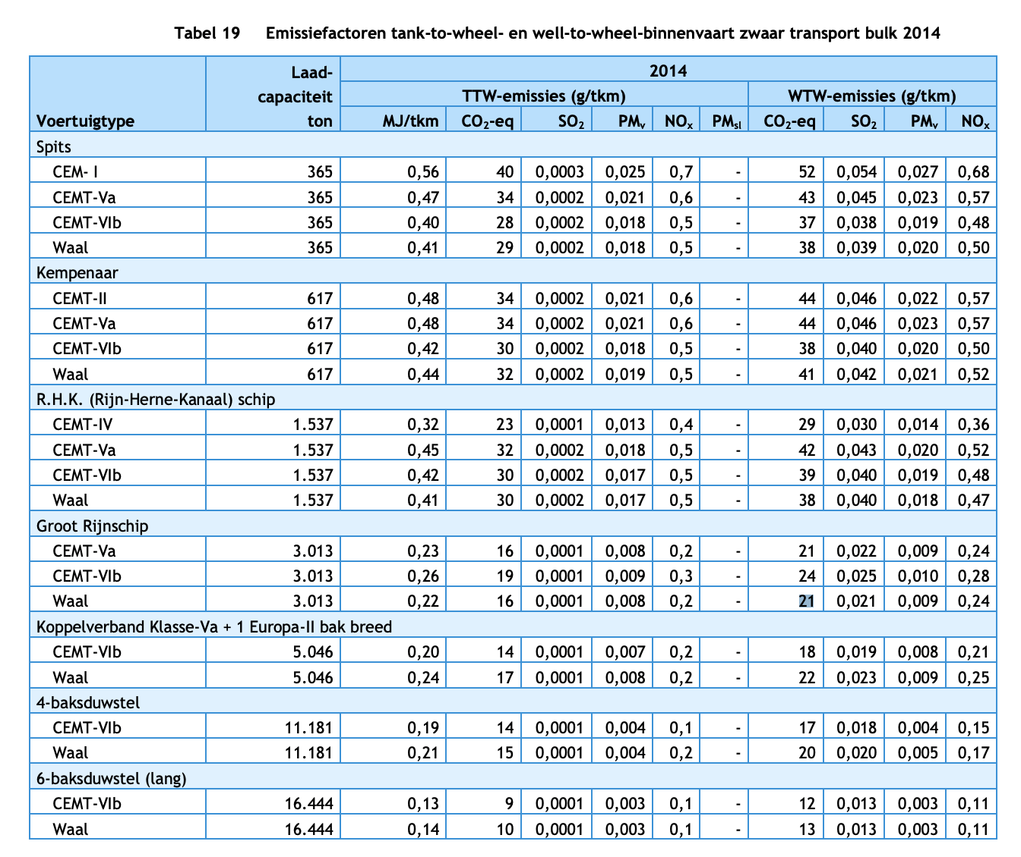
Source |  | Notes

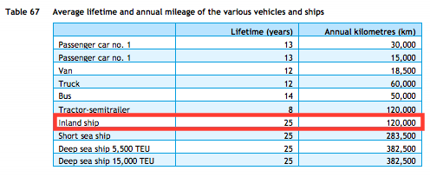
TNO, ECN, CE Delft
Parameter | Technical lifetime | 25 | years

CE Delft & CO2 emissiefactoren
Parameter | Efficiency | Efficiency Groot Rijnschip | 0.41 | MJ/tkm | CE Delft (2017) value for Waal & zwaar transport bulk (table 19).
 |  | Efficiency R.H.K. | 0.22 | MJ/tkm | CE Delft (2017) value for Waal & zwaar transport bulk (table 19).
 |  | Average efficiency current fleet | 0.315 | MJ/tkm | CO2 emissiefactoren (2021) uses average efficiency of Groot Rijnschip and R.H.K. for heavy transport over the Waal as a representative number for current inland shipping fleet, see https://www.co2emissiefactoren.nl/lijst-emissiefactoren/

 |  | Average efficiency current fleet | 3.174603175 | tkm/MJ | Resulting efficiency in tkm/MJ

 |  | Relative efficiency LNG ships | 100 | - | CE Delft (2017) indicates no higher energy consumption for inland shipping using LNG (table 34).

 |  | Average efficiency LNG ships | 3.174603175 | tkm/MJ

