Notes
Source | Parameter | Value | Unit

ENTEC
 | Typical CAPEX | 1200 | €/kW | Lithium-ion batteries (LIB) - Energy Large (Average Vistra and Hornsdale)
 | Typical CAPEX | 400 | €/kWh | Lithium-ion batteries (LIB) - Energy Large (Average Vistra and Hornsdale)
 | OPEX | 1% | % of CAPEX | Lithium-ion batteries (LIB) - Energy Large (Average Vistra and Hornsdale)
 | Lifetime | 10 - 20 | years | Lithium-ion batteries (LIB) - Energy Large (Average Vistra and Hornsdale)

 | initial_investment | 96000000 | €
 | fixed_costs_per_mw_input_capacity | 1200000 | €/MW
 | storage.cost_per_mwh | 400000 | €/MWh
 | technical_lifetime | 15 | years
 | fixed_operation_and_maintenance_costs_per_year | 516000 | euro/year

Electrek
 | Storage volume | 129 | MWh
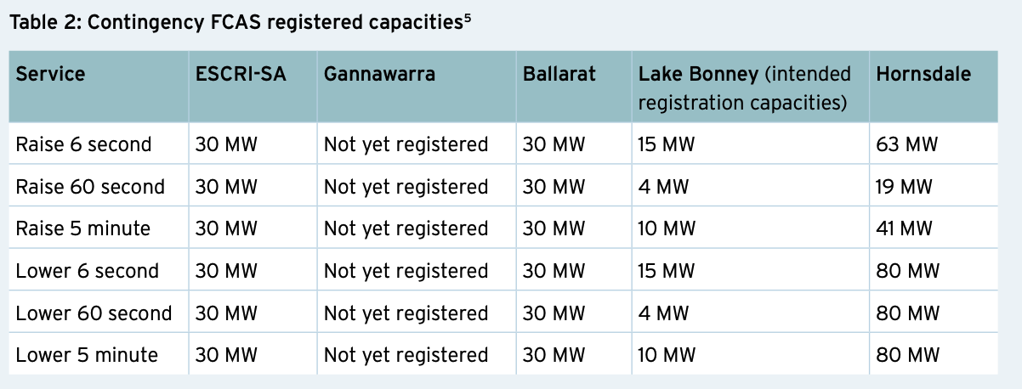
Aurecon | Electrical input capacity | 80 | MW |  | https://arena.gov.au/assets/2019/11/large-scale-battery-storage-knowledge-sharing-report.pdf

 |  |  |  | HPR: Hornsdale Power Reserve

