Notes
Source | Parameter | Value | Unit

ENTEC
 | Typical CAPEX | 1200 | €/kW | Lithium-ion batteries (LIB) - Energy Small (Home storage)
 | Typical CAPEX | 1000 | €/kWh | Lithium-ion batteries (LIB) - Energy Small (Home storage)
 | Lifetime | 10 - 20 | years | Lithium-ion batteries (LIB) - Energy Small (Home storage)

 | initial_investment | 0 | €
 | fixed_costs_per_mw_input_capacity | 0 | €/MW
 | storage.cost_per_mwh | 1000000 | €/MWh
 | technical_lifetime | 15 | years

Zeco Energy Specification sheet | input capacity | 5 | kW | Specification sheet: Battery - Power (kW) |  | https://www.zecoenergy.com.au/wp-content/uploads/2019/02/data-sheet.pdf
 | output capacity | 5 | kW | Specification sheet AC Side (GRID) - Rated Output Power (kW), which is the same as battery power

 | storage volume | 9.72 | kWh | Specificaiton sheet: Rated Usable Capacity (kWh) for 10.8 size battery storage option
 |  |  |  | Nominal storage in this case is 10.8 kWh, but usable storage is preferred option at DoD of 90%

 | storage decay | 25 | W | Specification sheet Others - Standby Losses (W)
 |  | 0.257 | %/h | Based on standby losses and storage volume the storage decay in % of storage volume / hour is determined

 |  | 6.173 | %/day | For verification, this seems in range with a 5% in 24h estimated self-discharge for Li-ion given by Batttery University |  | https://batteryuniversity.com/learn/article/elevating_self_discharge#:~:text=Lead%2D%20and%20lithium%2Dbased%20systems,have%20a%20lower%20self%2Ddischarge.&text=Li%2Dion%20self%2Ddischarges%20about,another%203%20percent%20per%20month.

 | efficiency | 0.96 | - | Specification sheet:Efficiency - PV to Grid (%)
 |  |  |  | Seems rather high to be considerd the actual roundtrip efficiency (see Solar Quotes Blog) |  | https://www.solarquotes.com.au/blog/hansol-technics-aio-battery-system-dont-call-samsung/
Hansol User Manual | efficiency | 0.90 | - | Based on actual performance in Hansol User Manual an actual roundtrip efficiency of 94,5% * 95,5% is more likely |  | https://allenergyhq.com.au/wp-content/uploads/2018/06/manual.pdf
 |  | 0.90 | - | Rounded to 90% based on Solar Quotes Blog

 |  |  |  |  | System efficiency from user manual
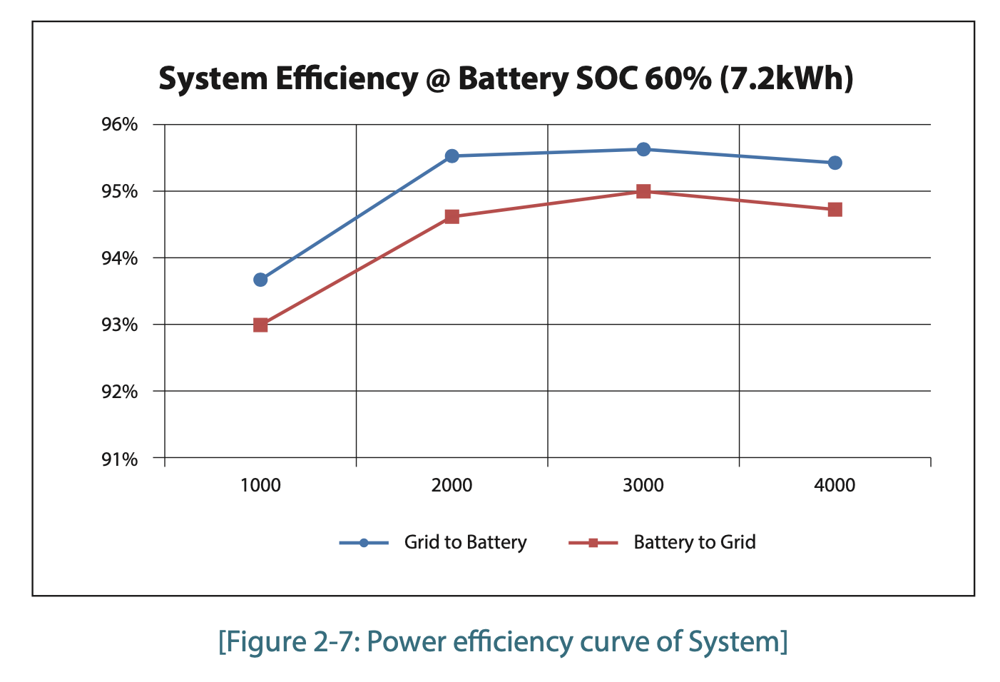

 |  |  |  |  | Typical self-discharge from various battery technologies

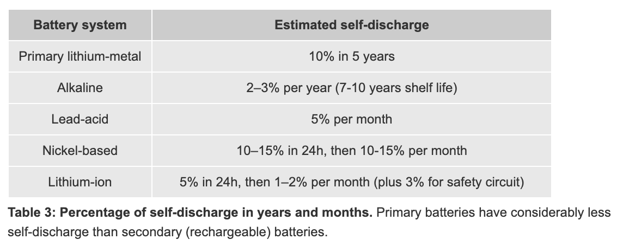

 |  |  |  |  | Home storage system battery technologies market shares in Germany

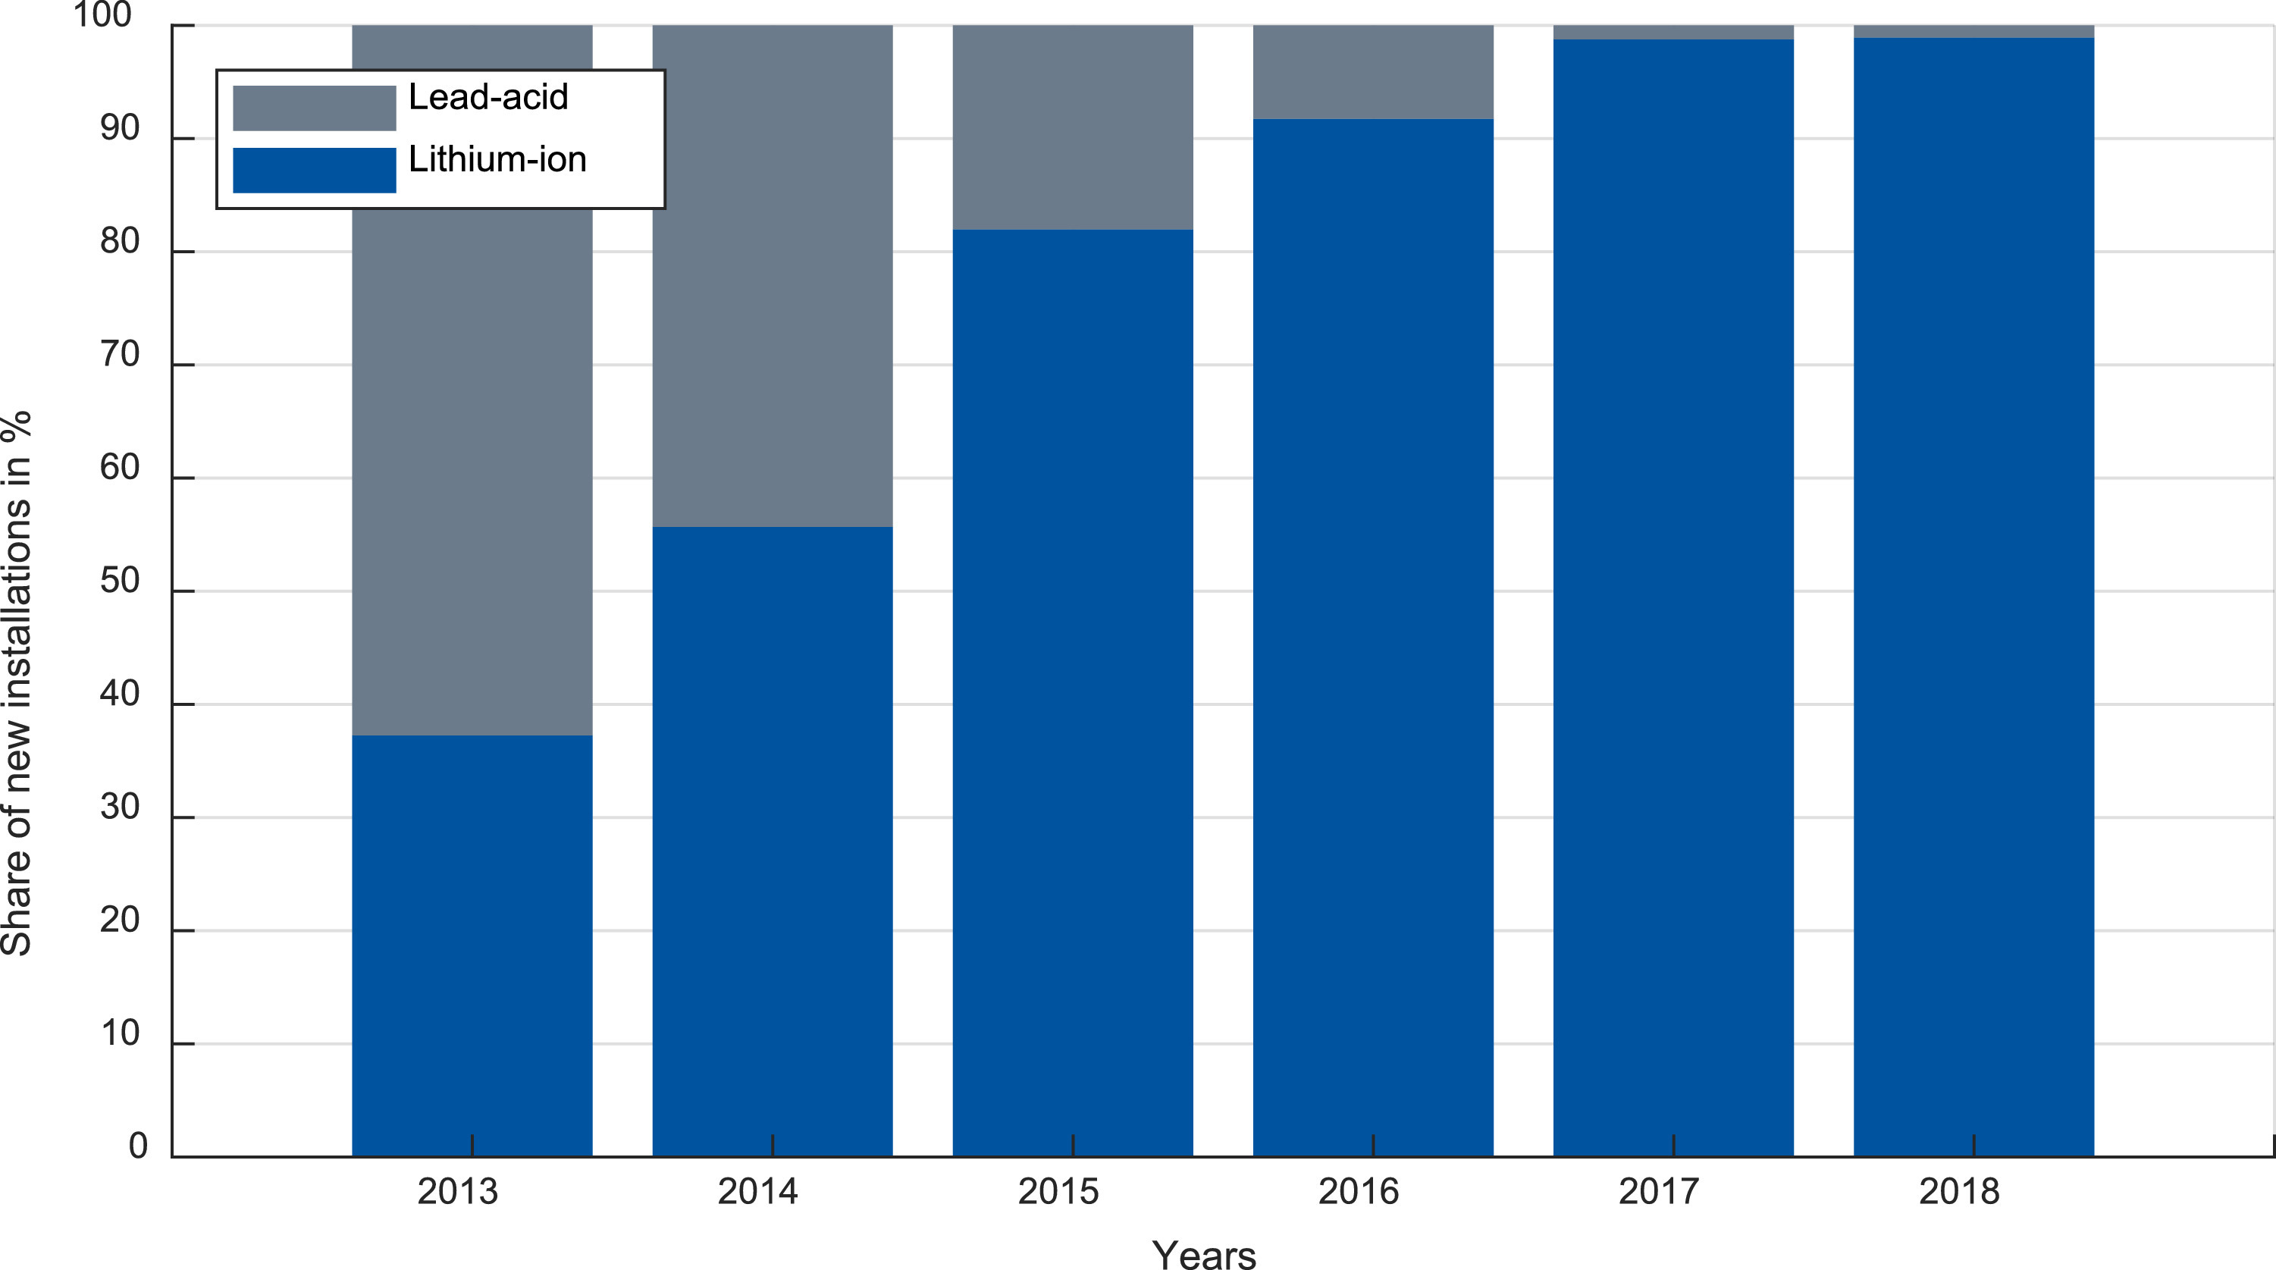

 |  |  |  |  | Fig. 7. Market shares of battery technology with respect to new HSS installations.

