Notes
Source |  | Notes

 |  | Specs for biogas CHP are same as specs of energy_chp_local_engine_network_gas. The costs for digesting biomass into biogas are taken into account separetely by the ETM in the node energy_biogas_fermentation_wet_biomass

Energinet p.68 |  | Source that biogas engines are similar to natural gas engines

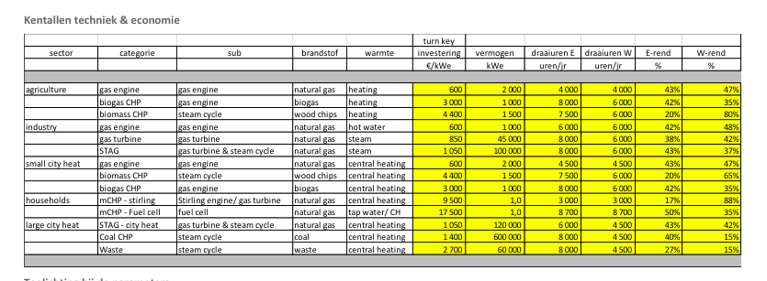
Energymatters
p.1

 |  | 2 | MW
 | Initial investment | 600 | euro/KW
 | Electrical efficiency | 43 | %
 | Heat efficiency | 47 | %

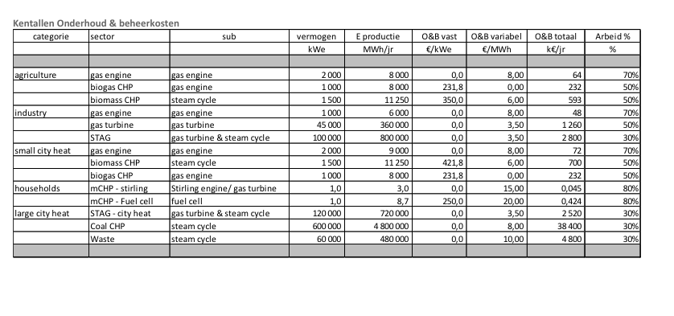
p.5

 | Variable O&M | 8 | euro/MWh
 | Fixed O&M | 0 | euro/KW/yr

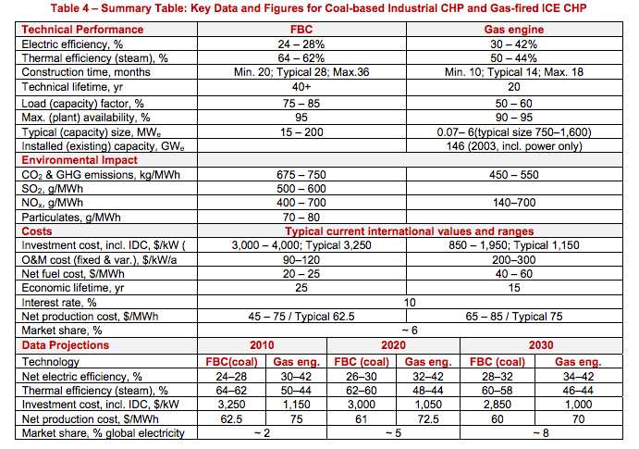
IEA ETSAP
p.5

 | Construction time | 1.1 | yr
 | Technical lifetime | 20 | yr

 | Initial investment
 | Total O&M | 250 | $/kW/yr

