Notes
Source |  | Notes
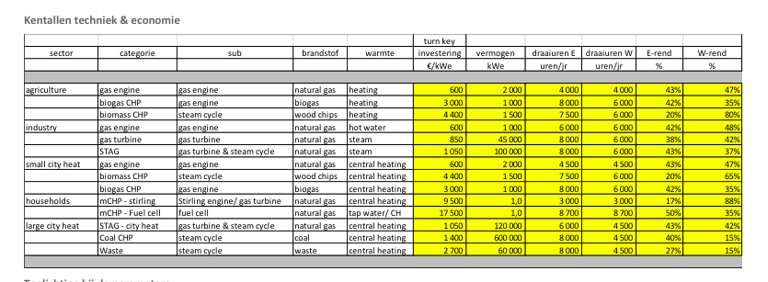

Energymatters
 | p.1

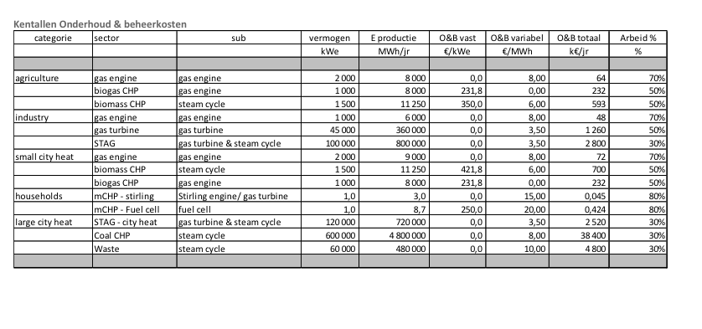
 |  | 2700 | euro/KW
 |  | 27 | %
 |  | 15 | %
 | After ccs energy penalty | 21 | %
 |  | 12 | %

 | p.5

 |  | 4800000 | euro

worldenergy
 | p.10

 |  |  | 2.5 | yr

 |  |  | 20 | yr

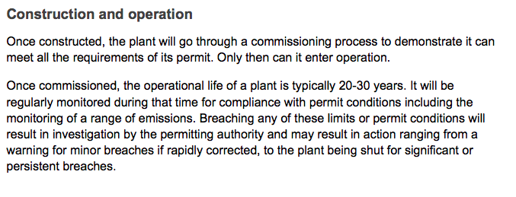
Department of Energy & Climate change
 | p.7

 |  |  | 30 | yr

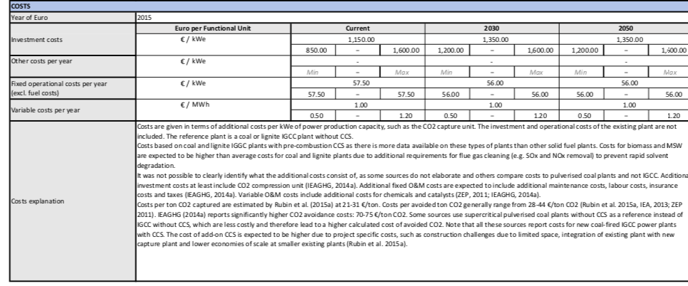
TNO, Energy.nl, https://energy.nl/en/fact_sheet/pre-combustion-co%e2%82%82-capture-add-on-for-power-plants-solid-fuels/

 | p.1
 |  | 1150 | euro/kWe
 | CCs investment cost | 69000000

 | p.2

 | Energy penalty ccs
 | 27.5 | %

 | Capture rate
 | 0.85 | %

