Notes
Sources | Notes
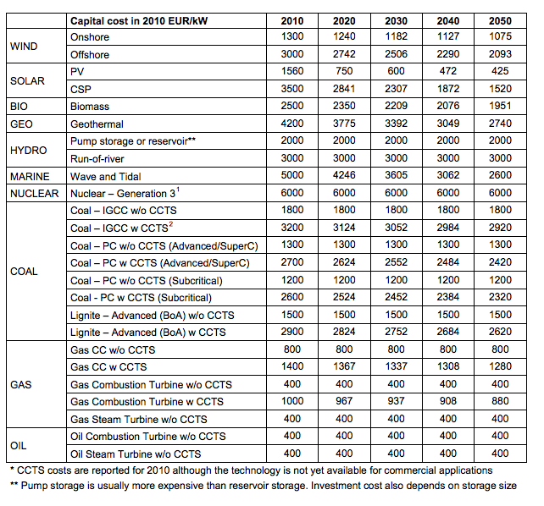

DIW
p.vi

 |  | 1500 | euro/KW

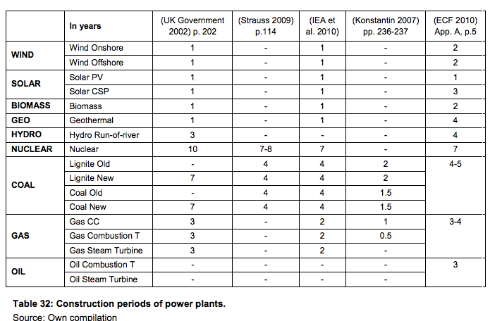
p.72

 | Construction time | 4 | yr

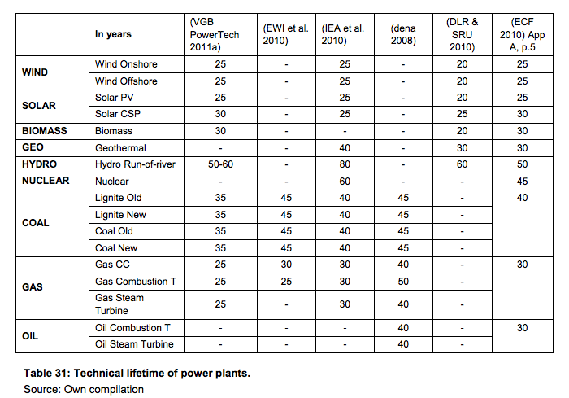

 | Lifetime | 35 | yr
 | (VGB report)

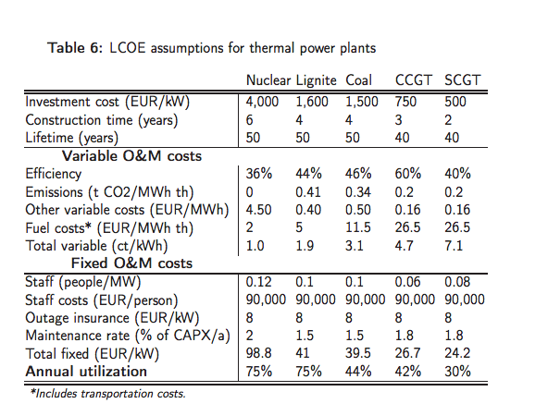

aicgs
p.38

 |  | 1600 | euro/KW

 |  | 0.35 | Electrical efficiency

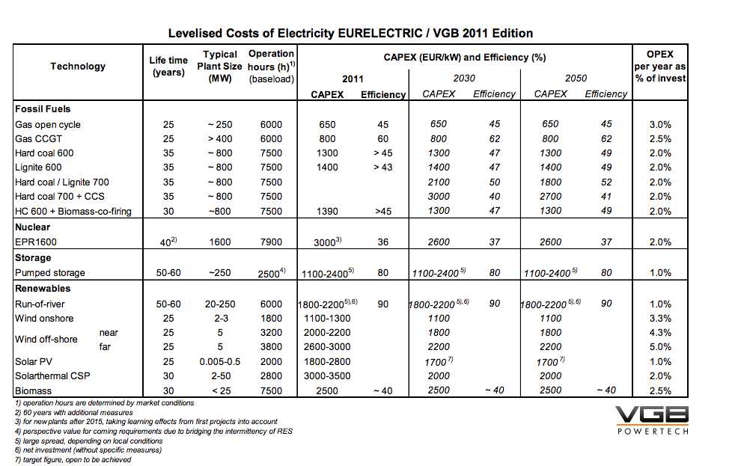
VGB
p.6

 |  | 35 | yr
 |  | 1400 | euro/KW

