Notes
 | Source | Notes

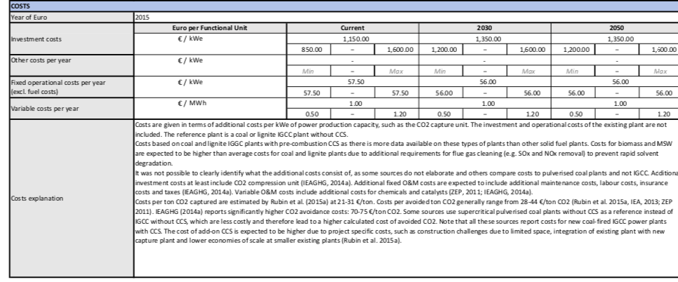
TNO, Energy.nl, https://energy.nl/en/fact_sheet/pre-combustion-co%e2%82%82-capture-add-on-for-power-plants-solid-fuels/

p.1
 | 1150 | euro/kWe
CCs investment cost | 63894000

 | p.2

 | Energy penalty ccs
 | 27.5 | %

 | efficiency energy_power_supercritical_waste_mix
 | 25 | %

 | efficiency after energy penalty CCS
 | 20 | %

 | Capture rate
 | 0.85 | %

