Notes
Sources |  | Notes

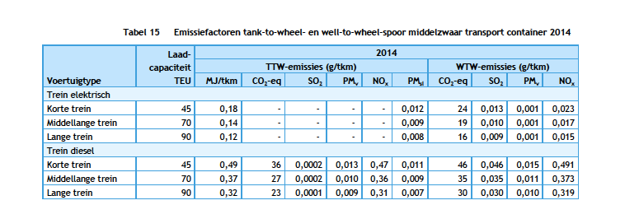
CE Delft
page 29 | Electric train efficiency | 0.14 | MJ/ftk
 | Hyrdogen train efficiency | 0.25
 | output.freight_tonne_kms | 3.9285714286 | ftk/MJ

Arcadis
page 7-8

Efficiëncy H2--> E | 55%

