Notes
Sources |  | Notes

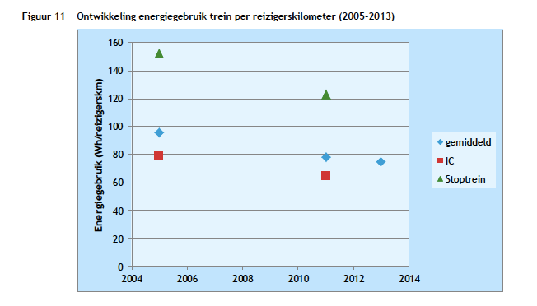
CE Delft
 | 75 | Wh/passenger km electric trains
 | 277.778 | Wh/MJ
 | 0.270 | MJ/passenger km
 | 3.70 | passenger km/MJ electric trains
 | 2.04 | passenger km/MJ electric trains

Arcadis
page 7-8

Efficiëncy H2--> E | 0.55

