Analysis - steel and aluminium
Values used in metal industry analysis - Steel

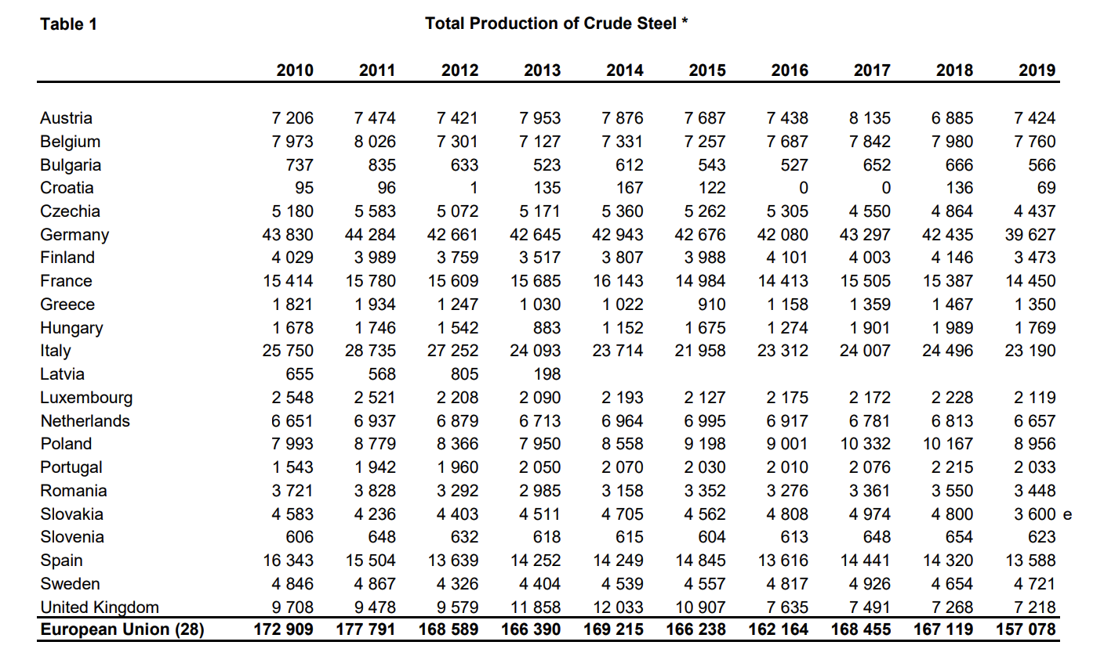
 | variable | value [MT] | source | source screenshot
 | Steel production | 6.657 | World Steel Association, Steel Statistical Yearbook 2020 concise version - Table 1: Total Production of Crude Steel: https://www.worldsteel.org/steel-by-topic/statistics/steel-statistical-yearbook.html

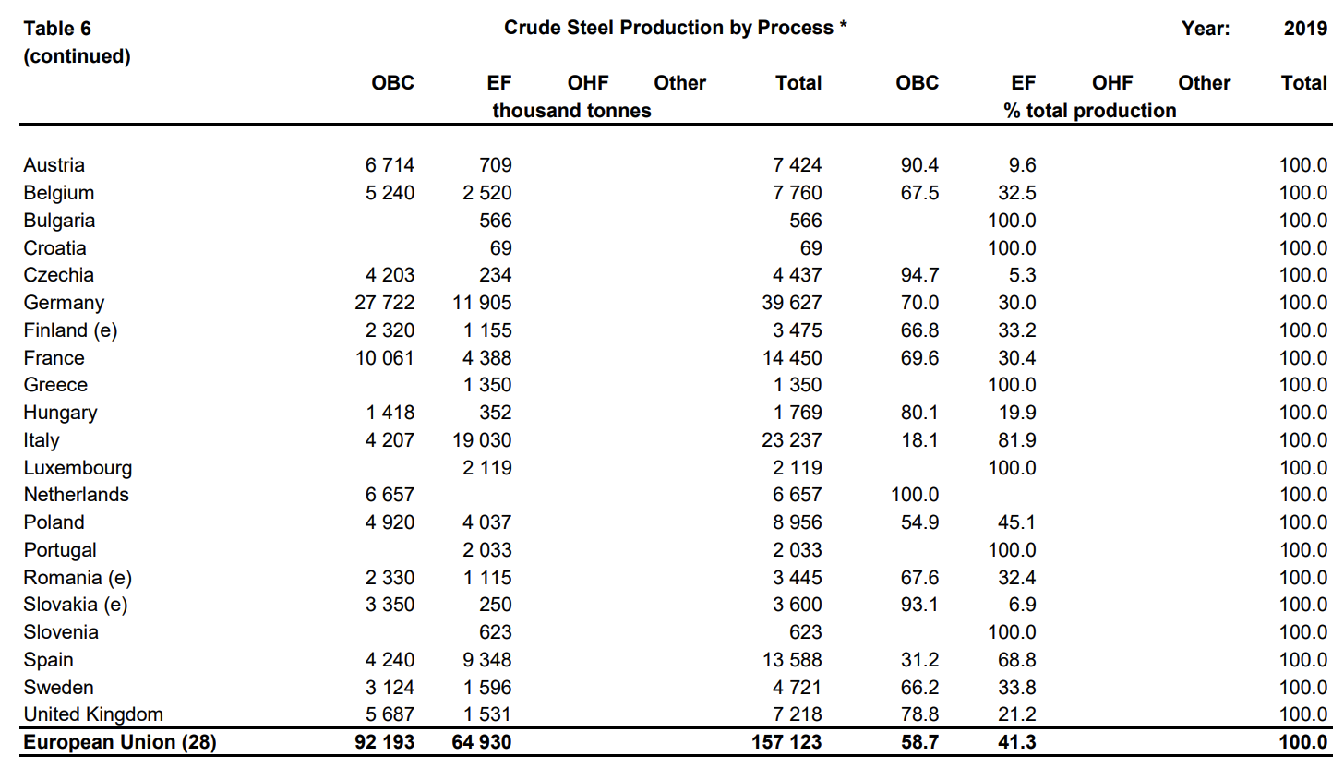
 | variable | value [%] | source | source screenshot
 | Percentage of steel produced in a blast furnace with current technology | 100.00% | World Steel Association, Steel Statistical Yearbook 2020 concise version - Table 6 (continued): Crude Steel Production by Process: https://www.worldsteel.org/steel-by-topic/statistics/steel-statistical-yearbook.html
 | Percentage of steel produced in a blast furnace with BAT technology | 0.00%
 | Percentage of steel produced in a cyclone furnace | 0.00%
 | Percentage of steel produced in an electric furnace | 0.00%

 | Values used in metal industry analysis - Aluminium

 | variable | value [MT] | source
 | Aluminium production | 0.150 | Sheet "Source - aluminium", USGS Minerals Yearbook (2021), 2019 Annual Tables: https://www.usgs.gov/centers/nmic/aluminum-statistics-and-information

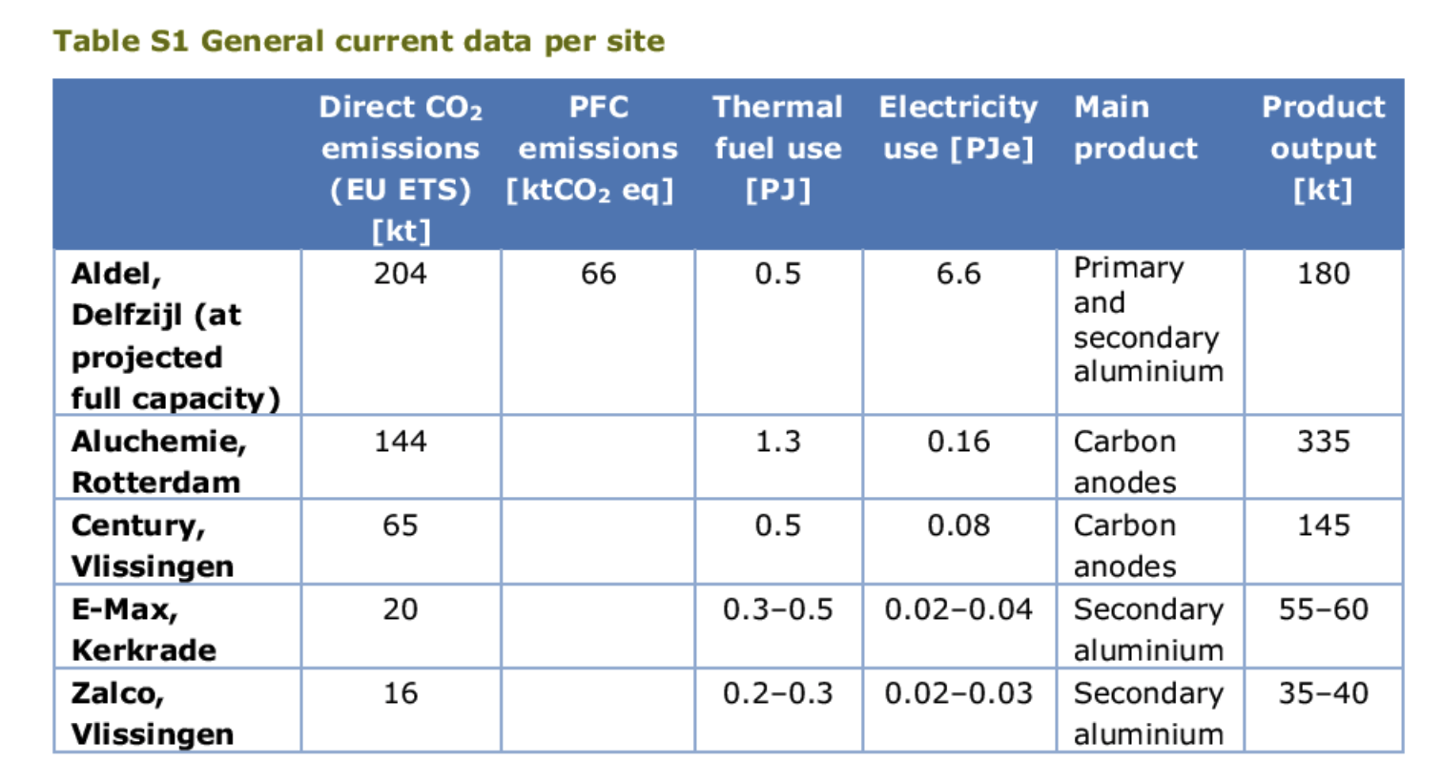
 | variable | value [%] | source | souce screenshot
 | Percentage of aluminium by electrolysis with current technology | 64% | Shares based on production capacity Aldel Delfzijl, PBL & ECN (2019) - MIDDEN "Decarbonisation options for the Dutch aluminium industry": https://www.pbl.nl/sites/default/files/downloads/pbl-2019-decarbonisation-options-for-the-Dutch-aluminium-industry_3479.pdf
 | Percentage of aluminium by electrolysis with BAT technology | 0%
 | Percentage of aluminium in a melting oven | 36% | Shares based on production capacity E-Max Kerkrade and Zalco Vlissingen, PBL & ECN (2019) - MIDDEN "Decarbonisation options for the Dutch aluminium industry": https://www.pbl.nl/sites/default/files/downloads/pbl-2019-decarbonisation-options-for-the-Dutch-aluminium-industry_3479.pdf
 | Percentage of aluminium by carbothermal reduction | 0%

