Analysis - road LNG and CNG
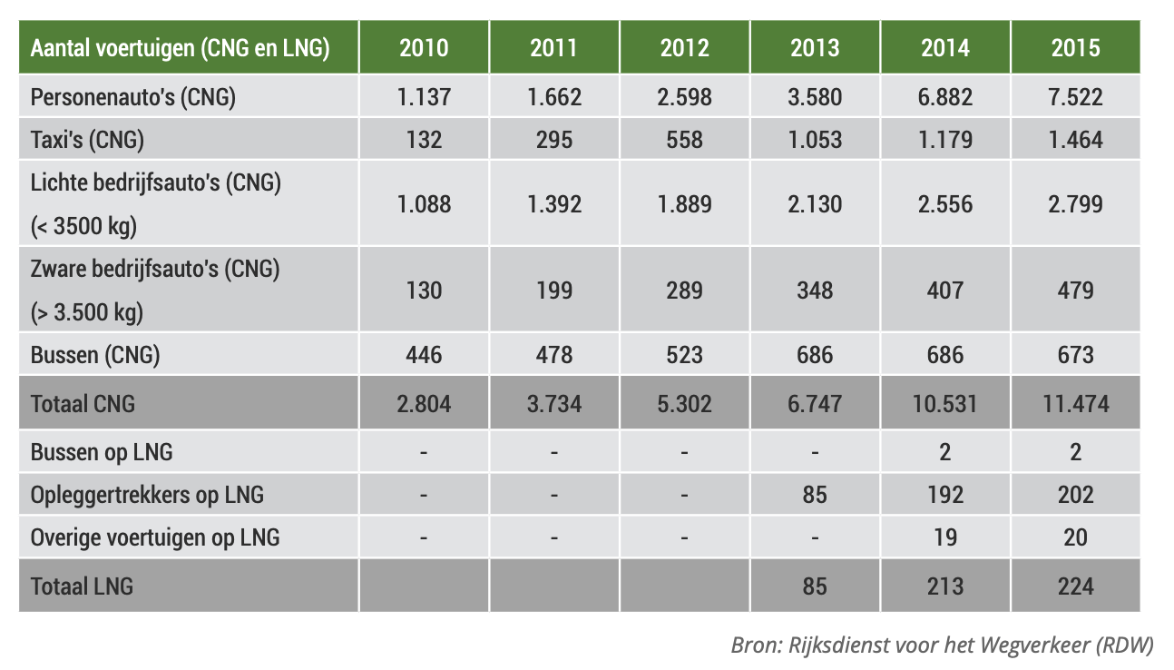
Number of vehicles | 2015 | comment | source screenshot
tp_car_cng | 7522
tp_van_cng | 2799
tp_truck_cng | 479
tp_bus_cng | 673
tp_bus_lng | 2
tp_truck_lng | 202
tp_other_lng | 20
total | 11697

Source | Groen Gas Nederland (2016) https://groengas.nl/documenten/factsheet-rijden-op-groen-gas-feiten-en-cijfers.pdf

Nederlandse personenauto's in gebruik | 2019 | comment
Benzine/benzine hybride/ethanol | 7743270
Diesel/diesel hybrides | 1428253
LPG/ LPG hybrides | 134382
Full elektrisch/waterstof | 108602
Plug-in hybrides | 106524
CNG/CNG hybrides/LNG | 11961 | This number indicates that the number of CNG/LNG vehicles in 2019 is roughly the same as in 2015. Therefore the 2015 distribution of CNG/LNG vehicles is used as a proxy for the 2019 distribution.

Source | CBS (2021), Verkeersprestaties personenauto's, brandstof uitgebreid, leeftijd: https://opendata.cbs.nl/#/CBS/nl/dataset/83703NED/table

