Notes
Sources | Page |  | Notes

http://www.statoilaviation.com/en_EN/pg1332347009500/ar1334072083204/SFRAviation/fuel_jeta1.html

Assumption: same MJ/kg for kerosene as for biokerosene. just like lng and bio-lng!
However, for biodiesel MJ/kg is lower (37.2) than for diesel (43.1)

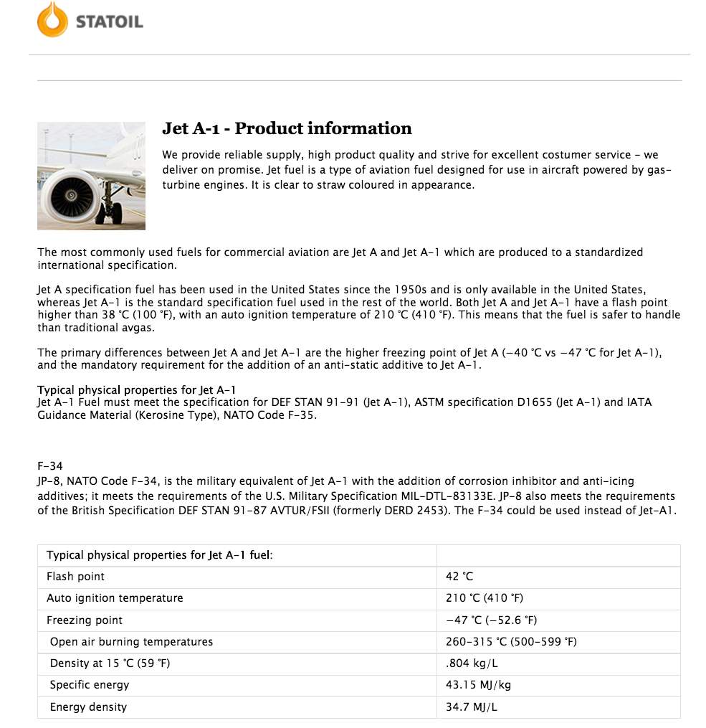

 |  |  | 0.804 | kg/L
 |  |  | 43.15 | MJ/kg
 |  |  | 34.6926 | MJ/L

Sources | Page |  | Notes

CE_Delft_201109_Toelichting_ketenkentallen_incl_biodiesel_bio-ethanol_(LCA).pdf

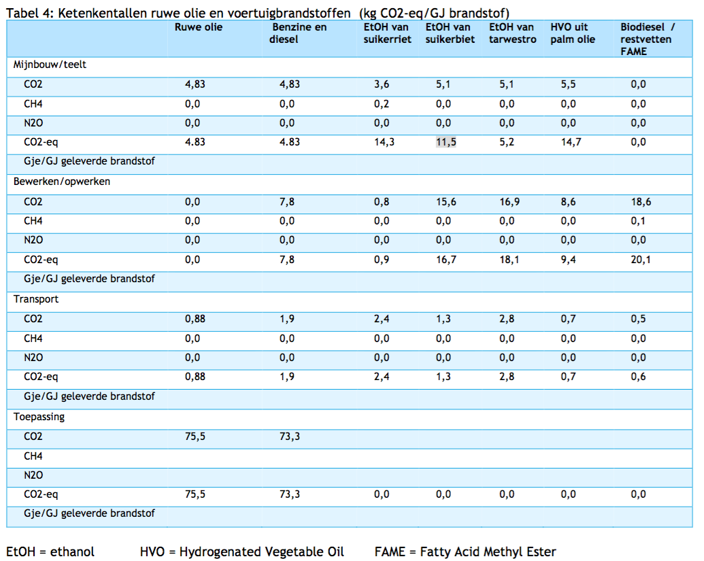

 | 12

 |  | HVO from palm oil
 |  | co2_exploration_per_mj |  |  | 0 | kg CO2 eq/GJ |  | not relevant
 |  | co2_extraction_per_mj |  |  | 14.7 | kg CO2 eq/GJ
 |  | co2_treatment_per_mj |  |  | 9.4 | kg CO2 eq/GJ
 |  | co2_transportation_per_mj |  |  | 0.7 | kg CO2 eq/GJ
 |  | co2_conversion_per_mj |  |  | 0 | kg CO2 eq/GJ
 |  | co2_waste_treatment_per_mj |  |  | 0 | kg CO2 eq/GJ |  | not relevant

 |  | co2_exploration_per_mj |  |  | 0 | kg CO2 eq/GJ |  | not relevant
 |  | co2_extraction_per_mj |  |  | 0.0147 | kg CO2 eq/GJ
 |  | co2_treatment_per_mj |  |  | 0.0094 | kg CO2 eq/GJ
 |  | co2_transportation_per_mj |  |  | 0.0007 | kg CO2 eq/GJ
 |  | co2_conversion_per_mj |  |  | 0 | kg CO2 eq/GJ
 |  | co2_waste_treatment_per_mj |  |  | 0 | kg CO2 eq/GJ |  | not relevant

Sources | Page |  | Notes

European Commission - Weekly Oil Bulletin
http://ec.europa.eu/energy/observatory/oil/bulletin_en.htm

 | Calculate monthly average
 | NL |  |  |  | Date | ExchangeRateTo € | Euro-super 95(I) excl tax | Euro-super 95(I) incl tax
 | No taxes |  |  |  |  |  | 1000L | 1000L
 |  | Gasoline | 401.604 | EUR/1000L | 2016-02-08 | 1.00000 | 395.65 | 1,420
 |  | Gasoline | 0.40160 | EUR/L | 2016-02-01 | 1.00000 | 399.79 | 1,425
 |  |  |  |  | 2016-01-25 | 1.00000 | 393.17 | 1,417
 | Incl taxes | Gasoline | 1427.200 | EUR/1000L | 2016-01-18 | 1.00000 | 402.27 | 1,428
 |  | Gasoline | 1.42720 | EUR/L | 2016-01-11 | 1.00000 | 417.14 | 1,446
 |  |  |  |  | 2016-01-04 | 1.00000 | 412.18 | 1,440
 | Taxes |  |  |  | 2015-12-14 | 1.00000 | 435.02 | 1,463
 | VAT | Gasoline | 21 | % | 2015-12-07 | 1.00000 | 452.38 | 1,484
 | Excise | Gasoline | 0.76607 | EUR/L | 2015-11-30 | 1.00000 | 459.81 | 1,493
 | Other indirect | Gasoline | 0.00800 | EUR/L | 2015-11-23 | 1.00000 | 469.73 | 1,505
 |  |  |  |  | 2015-11-16 | 1.00000 | 492.87 | 1,533
 | Check | Gasoline | 1.42257 | EUR/L (inc tax) | 2015-11-09 | 1.00000 | 478 | 1,515
 |  |  |  |  | 2015-11-02 | 1.00000 | 449.07 | 1,480
 |  |  |  |  | 2015-10-26 | 1.00000 | 439.98 | 1,469
 |  |  |  |  | 2015-10-19 | 1.00000 | 454.03 | 1,486
 |  |  |  |  | 2015-10-12 | 1.00000 | 462.29 | 1,496
 |  |  |  |  | 2015-10-05 | 1.00000 | 451.55 | 1,483
 |  |  |  |  | 2015-09-28 | 1.00000 | 463.12 | 1,497
 |  |  |  |  | 2015-09-21 | 1.00000 | 472.21 | 1,508
 |  |  |  |  | 2015-09-14 | 1.00000 | 481.3 | 1,519
 |  |  |  |  | 2015-09-07 | 1.00000 | 482.13 | 1,520
 |  |  |  |  | 2015-08-31 | 1.00000 | 482.95 | 1,521
 |  |  |  |  | 2015-08-24 | 1.00000 | 513.53 | 1,558
 |  |  |  |  | 2015-08-17 | 1.00000 | 542.46 | 1,593
 |  |  |  |  | 2015-08-10 | 1.00000 | 562.29 | 1,617
 |  |  |  |  | 2015-08-03 | 1.00000 | 573.86 | 1,631
 |  |  |  |  | 2015-07-27 | 1.00000 | 586.26 | 1,646
 |  |  |  |  | 2015-07-20 | 1.00000 | 599.48 | 1,662
 |  |  |  |  | 2015-07-13 | 1.00000 | 617.67 | 1,684
 |  |  |  |  | 2015-07-06 | 1.00000 | 601.14 | 1,664

Sources | Page |  | Notes

IPCC_2006_Guidelines for National Greenhouse Gas Inventories - Vol 2 Energy - Ch 1 Introduction.pdf
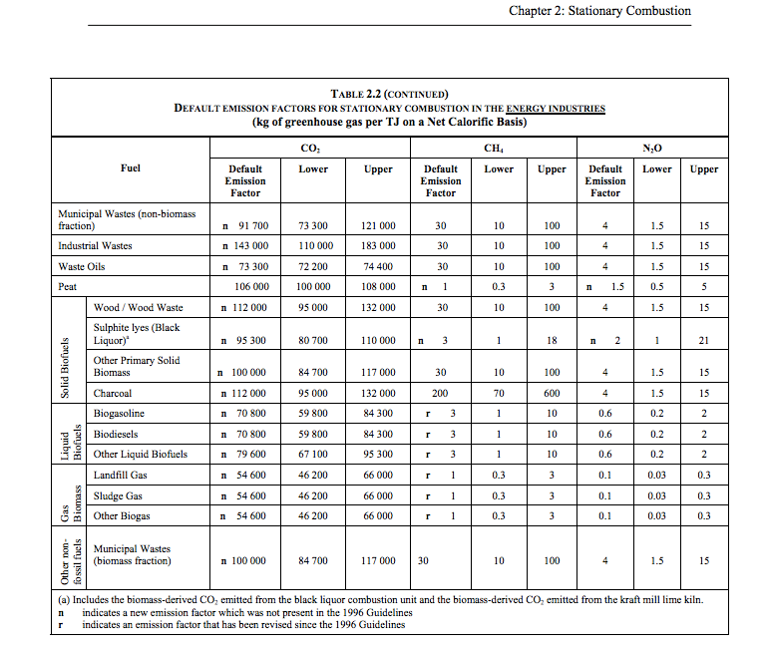

 |  | 1.23 |  |  | 79600 | kg CO2/TJ | biogasoline
 |  |  |  |  | 1000000 | TJ/MJ
 |  |  |  |  | 0.0796 | kg CO2/TJ

 |  |  |  |  | caloric value

 |  |  |  |  | 27.4 | TJ/Gg
 |  |  |  |  | 1000000 | kg/Gg
 |  |  |  |  | 1000000 | MJ/TJ
 |  |  |  |  | 27.4 | MJ/kg

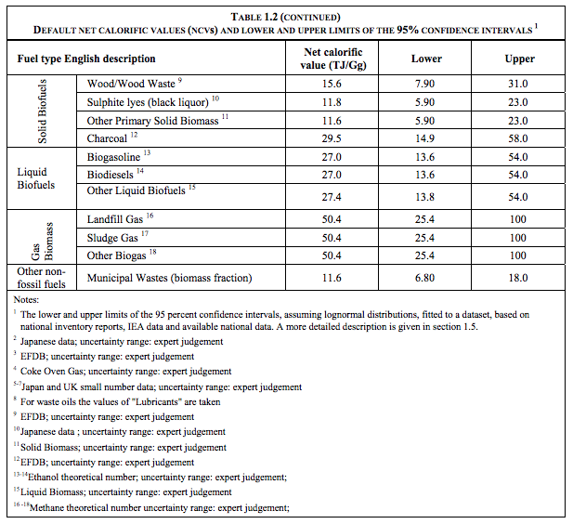

Sources | Page |  | Notes

MinLenV Vlaanderen_2008_koolzaad van zaad tot olie

 | 17

 | 26
 | komt hier uit

 | 26

 |  | Opbrengst biodiesel
 |  |  | 1600 | liter/ha | winterkoolzaad
 |  | opbrengst | 4.5 | ton/ha | winterkoolzaad | 1485 | liter koolzaadolie
 |  | opbrengst | 3.25 | ton /ha | zomerkoolzaad

 |  |  | 160000 | L/km2
 |  |  | 5767200 | MJ/km2

Sources | Page |  | Notes

EU JRC_201111_Well-to-wheel analysis of future automotive fuels and powertrains in the European context (version 3c) WTT Appendix 1
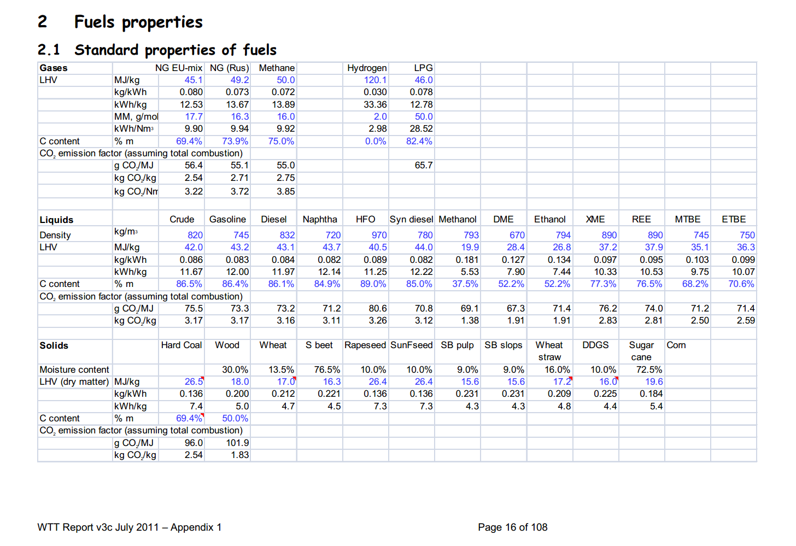

 | HFO |  | 890 | kg/m3 | Density
 |  |  | 40.5 | MJ/KG | LHV
 |  |  | 0.89 | kg/dm3 | transform to kg/Liter
 |  |  | 36.045 | MJ/L | LHV

Sources | Page |  | Notes

European Commission - Weekly Oil Bulletin
http://ec.europa.eu/energy/observatory/oil/bulletin_en.htm

 | Calculate monthly average
 | NL |  |  |  | Date | ExchangeRateTo € | Gas oil automobileAutomotive gas oilDieselkraftstoff(I) excl tax | Gas oil automobileAutomotive gas oilDieselkraftstoff(I) incl tax
 | No taxes |  |  |  |  |  | 1000L | 1000L
 |  | diesel | 545.586 | EUR/1000L | 2017-11-20 |  | 550.71 | 1,264
 |  | diesel | 0.545586 | EUR/L | 2017-11-13 |  | 559.8 | 1,275
 |  |  |  |  | 2017-11-06 |  | 550.71 | 1,264
 | Incl taxes | diesel | 1257.800 | EUR/1000L | 2017-10-30 |  | 535.01 | 1,245
 |  | diesel | 1.2578 | EUR/L | 2017-10-23 |  | 531.7 | 1,241
 |  |  |  |  | 2016-02-08 | 1.00000 | 371.99 | 1,046
 | Taxes |  |  |  | 2016-02-01 | 1.00000 | 362.08 | 1,034
 | VAT | diesel | 21% | % | 2016-01-25 | 1.00000 | 355.46 | 1,026
 | Other taxes | diesel | 0.49391813223 | EUR/L | 2016-01-18 | 1.00000 | 373.65 | 1,048
 |  |  |  |  | 2016-01-11 | 1.00000 | 391.83 | 1,070
 |  |  |  |  | 2016-01-04 | 1.00000 | 391.83 | 1,070
 | Check | diesel | 1.2578 | EUR/L (inc tax) | 2015-12-14 | 1.00000 | 444.65 | 1,131
 |  |  |  |  | 2015-12-07 | 1.00000 | 467.79 | 1,159
 |  |  |  |  | 2015-11-30 | 1.00000 | 486.8 | 1,182
 |  |  |  |  | 2015-11-23 | 1.00000 | 491.76 | 1,188
 |  |  |  |  | 2015-11-16 | 1.00000 | 506.63 | 1,206
 |  |  |  |  | 2015-11-09 | 1.00000 | 503.33 | 1,202
 |  |  |  |  | 2015-11-02 | 1.00000 | 481.01 | 1,175
 |  |  |  |  | 2015-10-26 | 1.00000 | 478.54 | 1,172
 |  |  |  |  | 2015-10-19 | 1.00000 | 493.41 | 1,190
 |  |  |  |  | 2015-10-12 | 1.00000 | 501.68 | 1,200
 |  |  |  |  | 2015-10-05 | 1.00000 | 489.28 | 1,185
 |  |  |  |  | 2015-09-28 | 1.00000 | 490.11 | 1,186
 |  |  |  |  | 2015-09-21 | 1.00000 | 498.37 | 1,196
 |  |  |  |  | 2015-09-14 | 1.00000 | 502.5 | 1,201
 |  |  |  |  | 2015-09-07 | 1.00000 | 493.41 | 1,190
 |  |  |  |  | 2015-08-31 | 1.00000 | 466.06 | 1,156.91
 |  |  |  |  | 2015-08-24 | 1.00000 | 485.97 | 1,181
 |  |  |  |  | 2015-08-17 | 1.00000 | 496.72 | 1,194
 |  |  |  |  | 2015-08-10 | 1.00000 | 504.98 | 1,204
 |  |  |  |  | 2015-08-03 | 1.00000 | 518.2 | 1,220
 |  |  |  |  | 2015-07-27 | 1.00000 | 533.91 | 1,239
 |  |  |  |  | 2015-07-20 | 1.00000 | 547.13 | 1,255
Sources | Page |  | Notes |  | 2015-07-13 | 1.00000 | 568.62 | 1,281
 |  |  |  |  | 2015-07-06 | 1.00000 | 580.19 | 1,295
http://www.biotanken.nl/brandstoffen/biodiesel.html

 | biodiesel
 | Price

 |  |  | 0.500 | EUR/L | price difference per liter biodiesel with normal diesel
 |  |  | 1.25780 | EUR/L | normal diesel, pump prices (incl tax)
 |  |  | 1.75780 | EUR/L | Biodiesel estimated pump price (incl tax)

 |  |  | 0.958809 | EUR/L | Biodiesel estimated pump price (Excl tax)
 |  |  | 0.027637281164 | EUR/MJ

Notes2
https://www.nrel.gov/docs/fy16osti/66291.pdf

Assumed technology: hydroprocessed renewable jet (HRJ), also known as hydroprocessed esters and fatty acids ( HEFA)
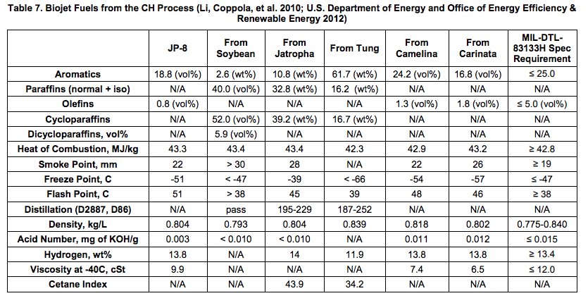

 | heat of combustion:

