Notes
Sources | Page | Notes

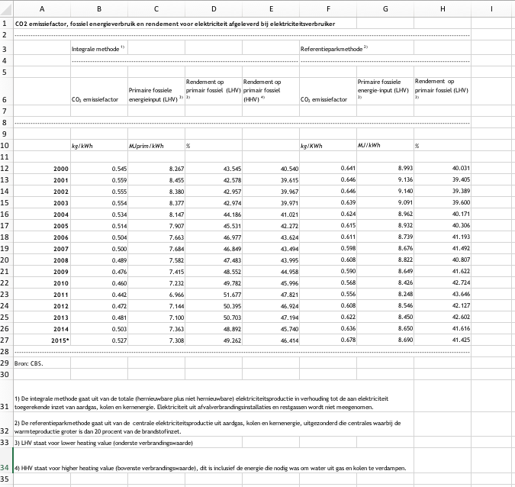
CBS_201706_TabelVoorArtikelRendementCO2emissieElekrtriciteit2015 |  |  |  |  | CO2 emissiefactor, fossiel energieverbruik en rendement voor elektriciteit afgeleverd bij elektriciteitsverbruiker
 |  |  |  | 3600000 | -
 |  |  |  | 3.6 |  | Integrale methode 1) |  |  |  | Referentieparkmethode 2)
 | 1 |  |  |  |  | - |  |  |  | -

 |  | 0.527 | kg/kWh |  |  | CO2 emissiefactor | Primaire fossiele energieinput (LHV) 3) | Rendement op primair fossiel (LHV) 3) | Rendement op primair fossiel (HHV) 4) | CO2 emissiefactor | Primaire fossiele energie-input (LHV) 3) | Rendement op primair fossiel (LHV) 3)
 |  | 527 | g/kWh
 |  | 3.6 | kWh_to_MJ |  | -
 |  | 0.14645479911 | kg/MJ
 |  |  |  |  |  | kg/kWh | MJprim/kWh | % |  | kg/KWh | MJ/kWh | %

 |  |  |  |  | 2000 | 0.545 | 8.267 | 43.545 | 40.540 | 0.641 | 8.993 | 40.031
 |  |  |  |  | 2001 | 0.559 | 8.455 | 42.578 | 39.615 | 0.646 | 9.136 | 39.405
 |  |  |  |  | 2002 | 0.555 | 8.380 | 42.957 | 39.967 | 0.646 | 9.140 | 39.389
 |  |  |  |  | 2003 | 0.554 | 8.377 | 42.974 | 39.971 | 0.639 | 9.091 | 39.600
 |  |  |  |  | 2004 | 0.534 | 8.147 | 44.186 | 41.021 | 0.624 | 8.962 | 40.171
 |  |  |  |  | 2005 | 0.514 | 7.907 | 45.531 | 42.272 | 0.615 | 8.932 | 40.306
 |  |  |  |  | 2006 | 0.504 | 7.663 | 46.977 | 43.624 | 0.611 | 8.739 | 41.193
 |  |  |  |  | 2007 | 0.500 | 7.684 | 46.849 | 43.494 | 0.598 | 8.676 | 41.492
 |  |  |  |  | 2008 | 0.489 | 7.582 | 47.483 | 43.995 | 0.608 | 8.822 | 40.807
 |  |  |  |  | 2009 | 0.476 | 7.415 | 48.552 | 44.958 | 0.590 | 8.649 | 41.622
 |  |  |  |  | 2010 | 0.460 | 7.232 | 49.782 | 45.996 | 0.568 | 8.426 | 42.724
 |  |  |  |  | 2011 | 0.442 | 6.966 | 51.677 | 47.821 | 0.556 | 8.248 | 43.646
 |  |  |  |  | 2012 | 0.472 | 7.144 | 50.395 | 46.924 | 0.608 | 8.546 | 42.127
 |  |  |  |  | 2013 | 0.481 | 7.100 | 50.703 | 47.194 | 0.622 | 8.450 | 42.602
 |  |  |  |  | 2014 | 0.503 | 7.363 | 48.892 | 45.740 | 0.636 | 8.650 | 41.616
 |  |  |  |  | 2015* | 0.527 | 7.308 | 49.262 | 46.414 | 0.678 | 8.690 | 41.425
 |  |  |  |  | -
 |  |  |  |  | Bron: CBS.

 |  |  |  |  | 1) De integrale methode gaat uit van de totale (hernieuwbare plus niet hernieuwbare) elektriciteitsproductie in verhouding tot de aan elektriciteit toegerekende inzet van aardgas, kolen en kernenergie. Elektriciteit uit afvalverbrandingsinstallaties en restgassen wordt niet meegenomen.
 |  |  |  |  | 2) De referentieparkmethode gaat uit van de centrale elektriciteitsproductie uit aardgas, kolen en kernenergie, uitgezonderd die centrales waarbij de warmteproductie groter is dan 20 procent van de brandstofinzet.
 |  |  |  |  | 3) LHV staat voor lower heating value (onderste verbrandingswaarde)
 |  |  |  |  | 4) HHV staat voor higher heating value (bovenste verbrandingswaarde), dit is inclusief de energie die nodig was om water uit gas en kolen te verdampen.

EC_201606_Quarterly Report on European Electricity Markets
 | 23
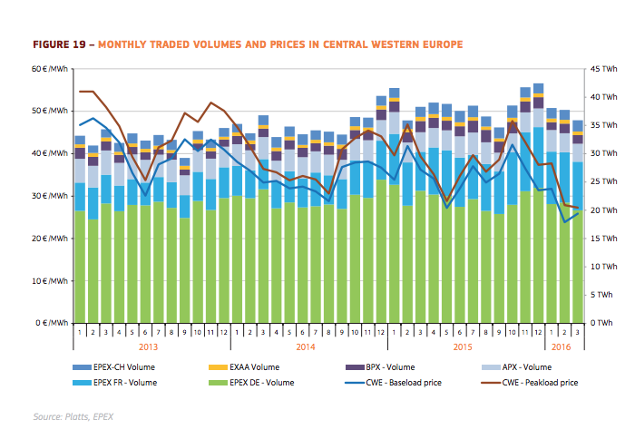
 |  | 35 | EUR/MWh
 |  | 3600 | MWh_to_MJ
 |  | 0.0097222222222 | EUR/MJ

35 EUR/MWh

FCE-notes
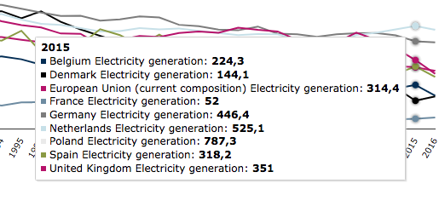
To be able to update the CO2 emissions of imported electricity in the start year, we have added the carrier to the FCE-module. With the FCE-module you can only update the shares between countries. Therefore we have chosen to model 'fossil electricity' and 'renewable electricity' and set the shares between these two forms with the input statement. Fossil electricity has 1000 g/kWh CO2 emissions (same as the slider max), which is the same as 0.277778 kg/MJ. Renewable electricity has zero CO2 emissions.
- For each European country we have retrieved the CO2 of the electricity production 2015 from the European Environment Agency (EEA).: https://www.eea.europa.eu/data-and-maps/daviz/co2-emission-intensity-5#tab-googlechartid_chart_11_filters=%7B%22rowFilters%22%3A%7B%7D%3B%22columnFilters%22%3A%7B%22pre_config_ugeo%22%3A%5B%22European%20Union%20(current%20composition)%22%5D%7D%7D
- For Brazil the CO2 of the electricity production from ElectricityMapLive (average of north, central, south and north-east Brazil) https://www.electricitymap.org/?page=map&solar=false&remote=true&wind=false

 | g/kWh | kg/MJ
Fossil electricity | 1000 | 0.27777777778

Landen | CO2 imported electricity [g/kWh] | CO2 imported electricity [kg/MJ] | FCE start_value renewable | FCE start_value fossil
BE | 224.3 | 0.062305555556 | 0.7757 | 0.2243
BR | 210 | 0.058333333333 | 0.7900 | 0.2100
DE | 446.4 | 0.124 | 0.5536 | 0.4464
DK | 144.1 | 0.040027777778 | 0.8559 | 0.1441
ES | 318.2 | 0.0884 | 0.6818 | 0.3182
EU | 314.4 | 0.087333333333 | 0.6856 | 0.3144
FR | 52 | 0.014444444444 | 0.9480 | 0.0520
NL | 527 | 0.14638888889 | 0.4730 | 0.5270
PL | 787.3 | 0.21869444444 | 0.2127 | 0.7873
UK | 351 | 0.0975 | 0.6490 | 0.3510

