Notes
Sources | Page |  |  | Notes

 | 10.4 | euro/GJ
cost_per_mj | 0.0104 | euro/MJ | ECN.TNO | Tabel Opbrengst per hectare van verschillende gewassen
 |  |  |  |  | Biomassa opbrengst [ton/ha] | Biobrandstof opbrengst [liter/ha] |  | Energie opbrengst [GJ/ha]
 | 7.2 | ton/ha | ECN.TNO | Koolzaad | 3.5 | 1590 | bio-olie | 55
mj_per_kg | 17 | MJ/kg | EU JRC_201111_Well-to-wheel analysis | Palmolie (niet EU) | 20 | 4440 | bio-olie | 151
 | 122.4 | GJ/ha |  | Sojaolie | 2.9 | 640 | bio-olie | 22
 | 122.4 | TJ/km2 |  | Jathropha (niet EU) | 2.5 | 610 | bio-olie | 21
typical_production_per_km2 | 122400000 | MJ/km2 |  | Dederzaad/camelina | 2,6 | 867 | bio-olie | 29
 |  |  |  | Algen “haalbaar” | 50 (droog) | 20000 | bio-olie | 650
 |  |  |  | Korrelmais | 9 | 3740 | ethanol | 79
 |  |  |  | Tarwe | 7.2 | 2760 | ethanol | 58
 |  |  |  | Tarwe NL | 7,8-8,4 | 2911 | ethanol | 61
 |  |  |  | Rogge | 4.9 | 2030 | ethanol | 43
 |  |  |  | Suikerbieten | 58 | 6250 | ethanol | 132
 |  |  |  | Suikerbieten NL | 63-65 | 6076 | ethanol | 128
 |  |  |  | Suikerriet | 73 | 6380 | ethanol | 135
 |  |  |  | Stro | 7 | 2310 | ethanol | 49
 |  |  |  | Aardappelen (NL) | 45-50 | 5316 | ethanol | 112
 |  |  |  | Voederbieten (NL) | 115-120 | 4114 | ethanol | 87
 |  |  |  | Miscantus (olifantengras) | 12-20 (droog) |  | via verbranding | 160-200
 |  |  |  | Maïs | 16-18 (droog) |  | via vergisting | 140-160

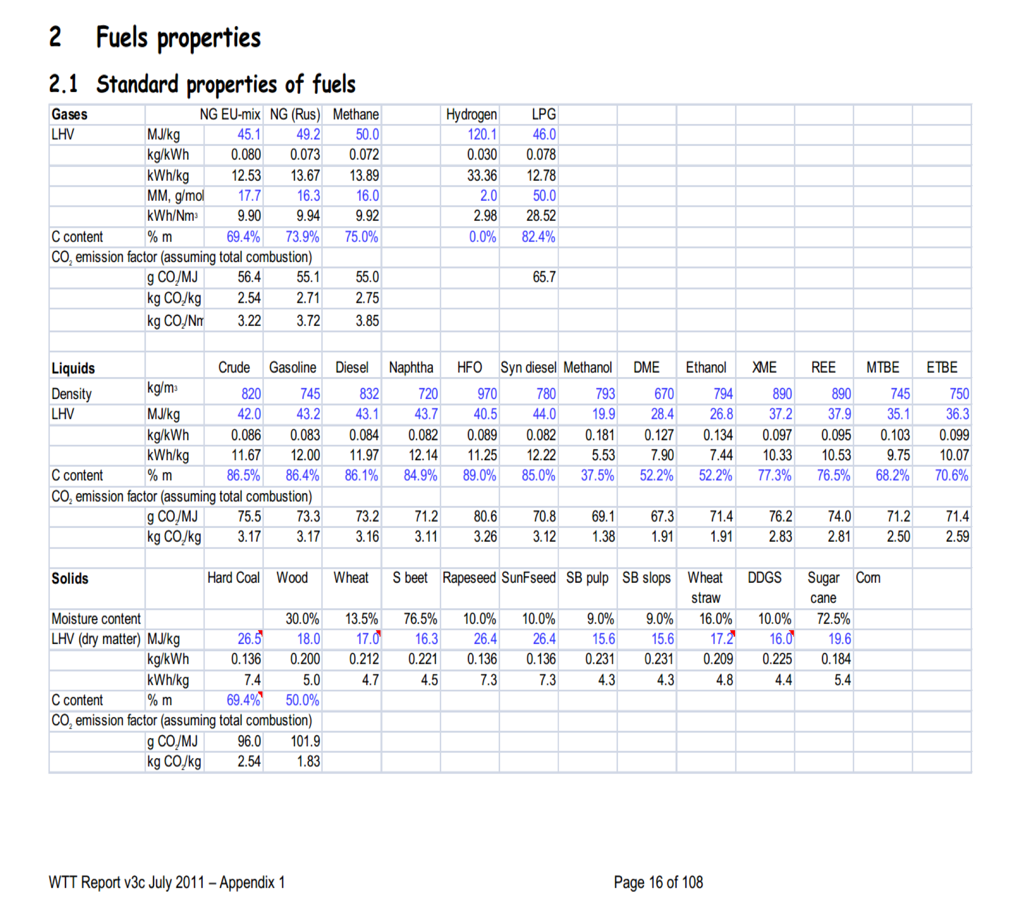

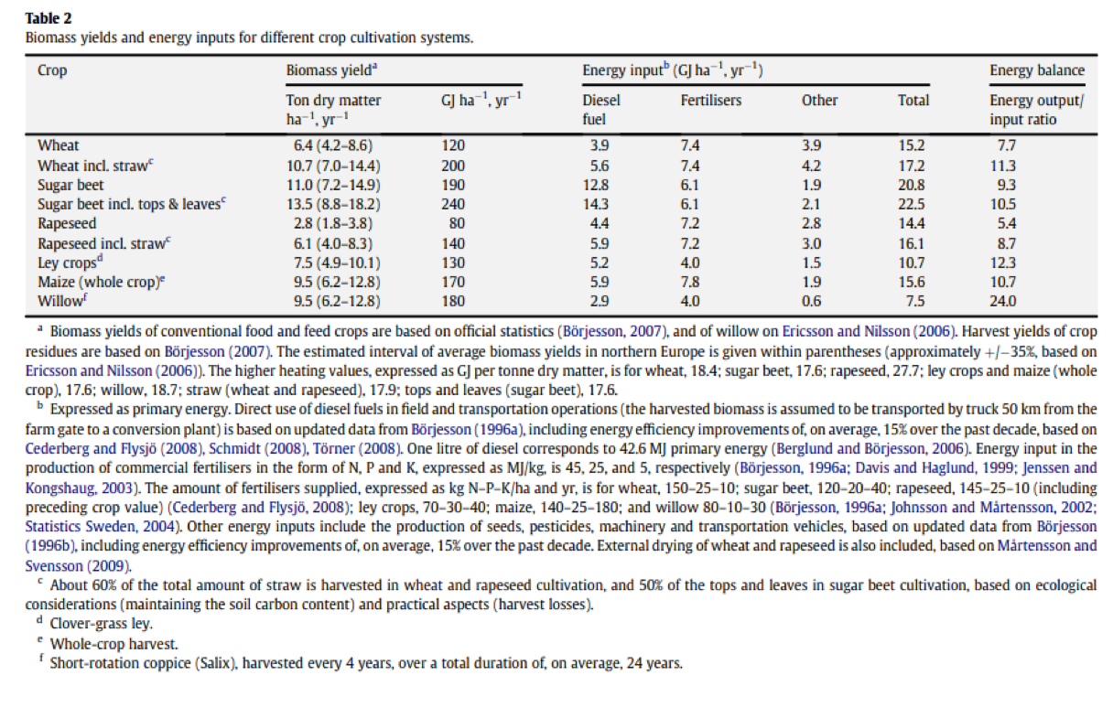

Sources

Sources

Sources

Sources | Page |  |  | Notes

