Notes
Sources | Attribute | Value | Unit | Comments

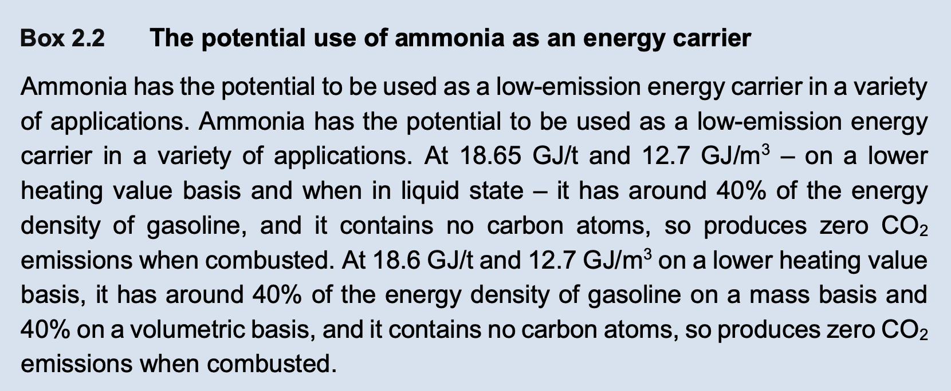
IEA
 | Energy content | 18.6 | GJ/t | Based on LHV
 |  | 18.6 | MJ/kg

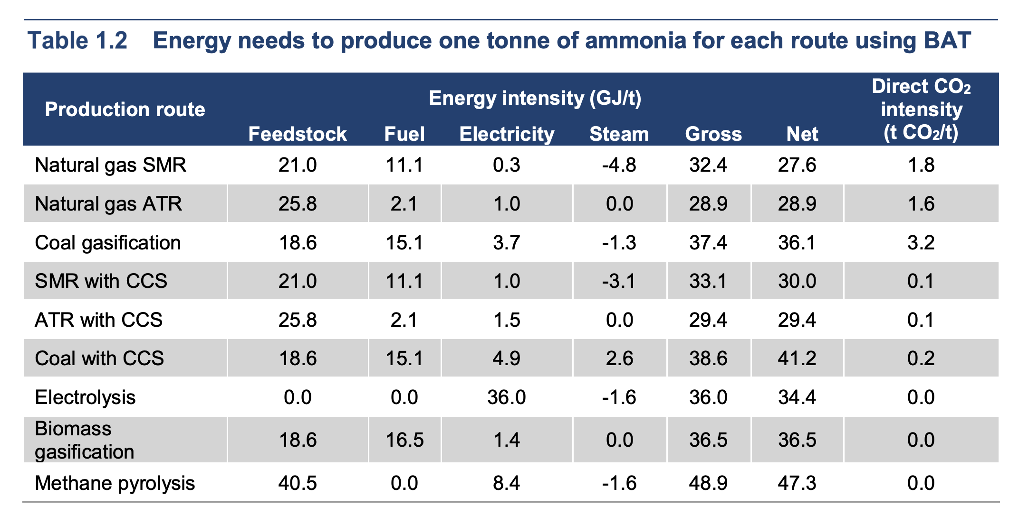
 | Ammonia carbon intensity | 1.8 | t CO2/t | Natural gas SMR
 | Ammonia carbon intensity | 3.2 | t CO2/t | Coal gasification

 | Share in production | 72% |  | Natural gas SMR
 | Share in production | 26% |  | Coal gasification

 | Relative share | 73.5% |  | Natural gas SMR
 | Relative share | 26.5% |  | Coal gasification

 | Average carbon intensity | 1.8 | t CO2/t | SMR is the main production route for ammonia in the ETM and the assumed method of imported hydrogen production. Therefore only the carbon intensity of SMR based ammonia production is taken.
 |  | 1.8 | kg CO2/kg
 |  | 0.096774193548 | kg CO2/MJ | Using energy content

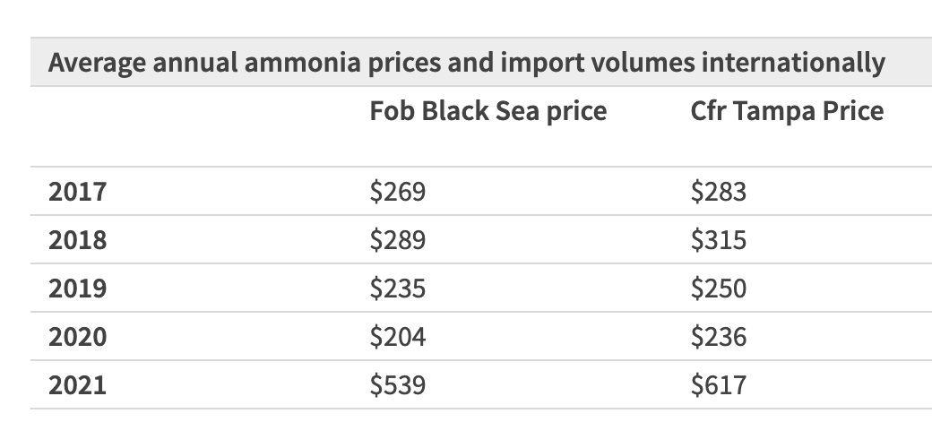
IHS Markit
 | Ammonia price | 250 | $/ton | Ammonia CFR Tampa Price in 2019

 | Exchange rate | 0.8931 | euro/$ | Average for 2019 https://www.exchangerates.org.uk/USD-EUR-spot-exchange-rates-history-2019.html#:~:text=Average%20exchange%20rate%20in%202019%3A%200.8931%20EUR.

 | Ammonia price | 223.275 | euro/ton
 |  | 0.012004032258 | euro/MJ

