Notes
Source | Page | Notes

DOE:hydrogen_analysis_center

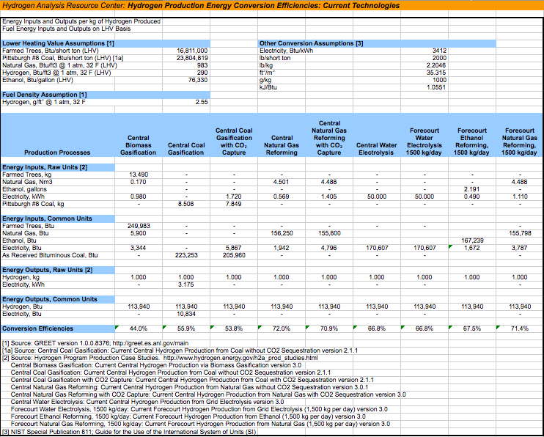
inputs

MV: The input of electricity will be neglected for now, since this causes circularities in the model! (20180214)
There is a power plant that runs on hydrogen and when this hydrogen is produced with electricity…….

 |  | 249983 | BTU | woody biomass
 |  | 5900 | BTU | network gas
34000 | kWh | 0 | BTU | electricity

113940
 |  | 0.97694258704 |  | input.woody_biomass
 |  | 0.023057412958 |  | input.network_gas
 |  | 0 |  | input.electricity

DOE
Hydrogen and fuel cells program
Production case studies
Current central hydrogen production via biomass gasification 3.1
 |  |  |  |  | Exchange rate | Unit | Value | Definition | Date | Source
User set parameters
All years 2012 value |  | 1.098 | USD/eur | USD-euro conversion ratio | dollar_per_euro | USD/EUR | 1.098 | Running Month Average | 2015-08-05 | http://www.ecb.europa.eu/stats/exchange/eurofxref/html/eurofxref-graph-usd.en.html
155236 kg/day production
No taxes

 |  | 46.1 | % | overall efficiency
 |  | 0.461 |  | output.hydrogen

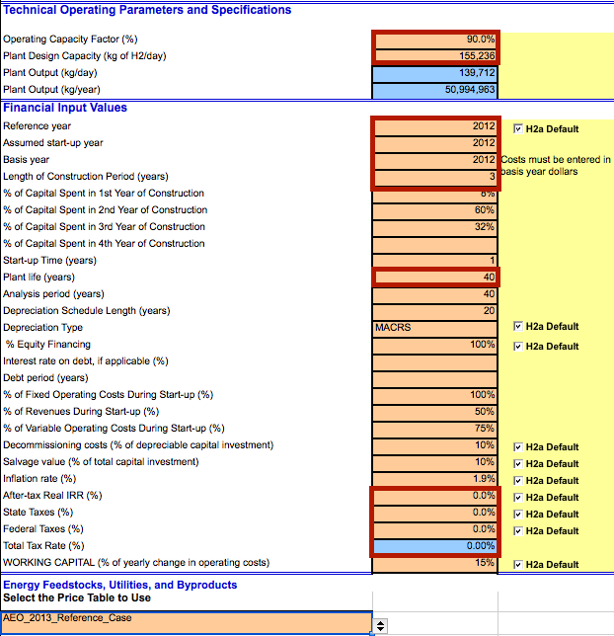
 |  | 90 | % | Operating Capacity Factor
 |  | 0.9 |  | Operating Capacity Factor
 |  | 7884 | FLH | Full load hours

 |  | 155236 | kg/day
 |  | 6468.1666667 | kg/hr
 |  | 776826.81667 | MJ/hr
 |  | 215.78522685 | MW | hydrogen_output_capacity
 |  | 468.08075239 | MW | typical_input_capacity

 |  | 6124502622.6 | MJ/yr | yearly production

 |  | 40 | yr | technical lifetime
 |  | 3 | yr | construction time

 |  | 10 | % | of depreciable capital investment
 |  | 0.1 |  | decommissioning factor

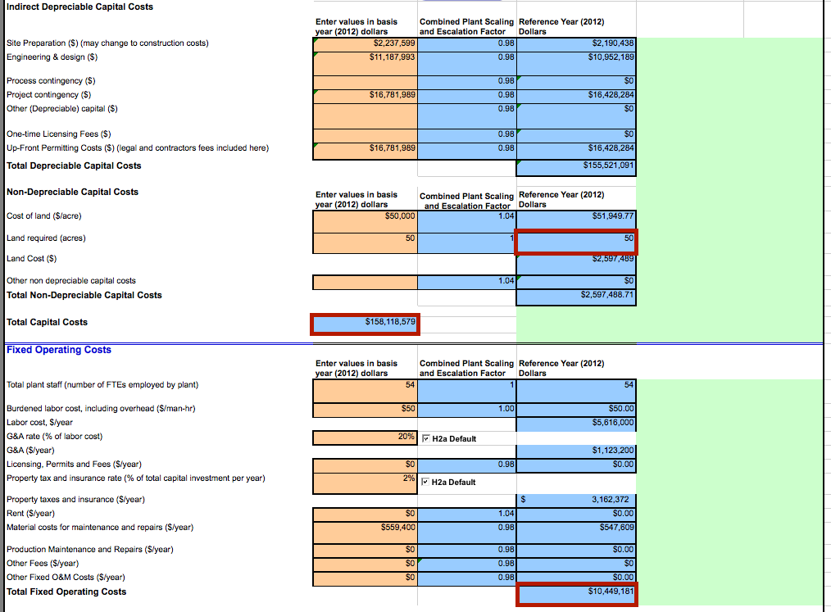

 |  | 155521091 | USD | total depreciable capital costs
 |  | 141640337.89 | euro | total depreciable capital costs
 |  | 14164033.789 | euro | decommissioning costs

 |  | 50 | acres | land use per plant
 |  | 0.202343 | km2 | land use per plant

 |  | 158118579 | USD | initial investment
 |  | 144005991.8 | euro | initial investment

 |  | 10449181 | USD/yr | fixed operating and maintenance costs per year
 |  | 9516558.2878 | euro/yr | fixed operating and maintenance costs per year

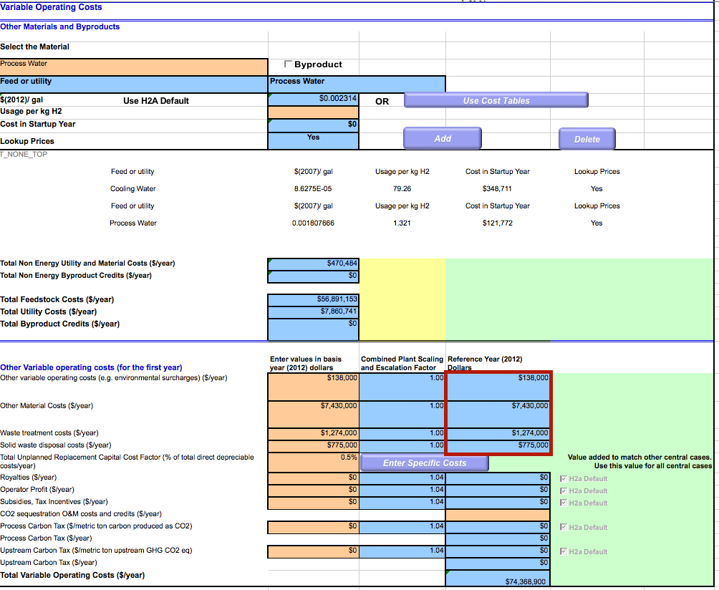

 |  | 9617000 | USD/yr | variable operating and maintenance costs per year
 |  | 8758652.0947 | euro/yr | variable operating and maintenance costs per year
 |  |  |  | does not include feedstock and utility cost, as the ETM calculates that already

 |  | 0.001430100146 | euro/MJ | variable operating and maintenance costs per MJ
 |  | 1110.9401439 | euro/FLH | variable operating and maintenance costs per FLH

