Notes
Source | Page | Notes

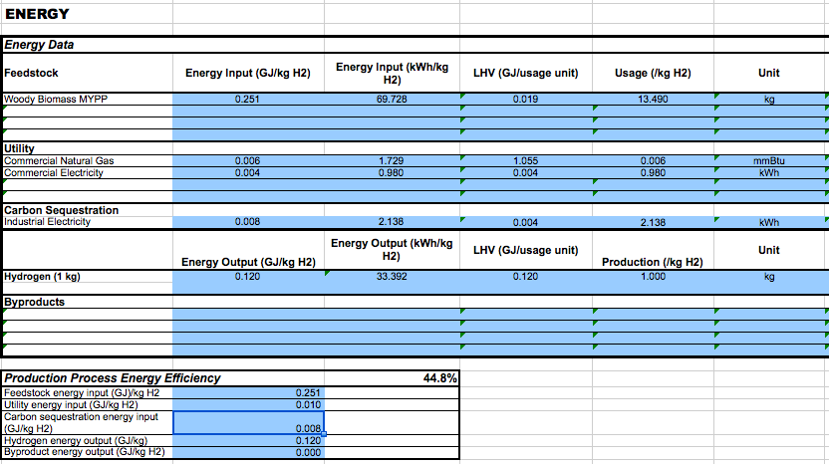
DOE
Hydrogen and fuel cells program
Production case studies
Current central hydrogen production via biomass gasification 3.1
CCS on

User set parameters
All years 2012 value
155236 kg/day production
No taxes

MV: The input of electricity will be neglected for now, since this causes circularities in the model! (20180214)
There is a power plant that runs on hydrogen and when this hydrogen is produced with electricity…….

 |  | 69728 | kWh | woody biomass
 |  | 1729 | kWh | network gas
34000 | kWh | 0 | kWh | electricity
#DIV/0!
113940
#DIV/0! |  | 0.97580363016 |  | input.woody_biomass
 |  | 0.024196369845 |  | input.network_gas
 |  | 0 |  | input.electricity

 |  | 44.8 | % | overall efficiency
 |  | 0.448 |  | output.hydrogen

 |  |  |  |  | Exchange rate | Unit | Value | Definition | Date | Source

 |  | 1.098 | USD/eur | USD-euro conversion ratio | dollar_per_euro | USD/EUR | 1.098 | Running Month Average | 2015-08-05 | http://www.ecb.europa.eu/stats/exchange/eurofxref/html/eurofxref-graph-usd.en.html

DOE
Hydrogen and fuel cells program
Production case studies
Current central hydrogen production via biomass gasification 3.1

User set parameters
All years 2012 value
155236 kg/day production
No taxes

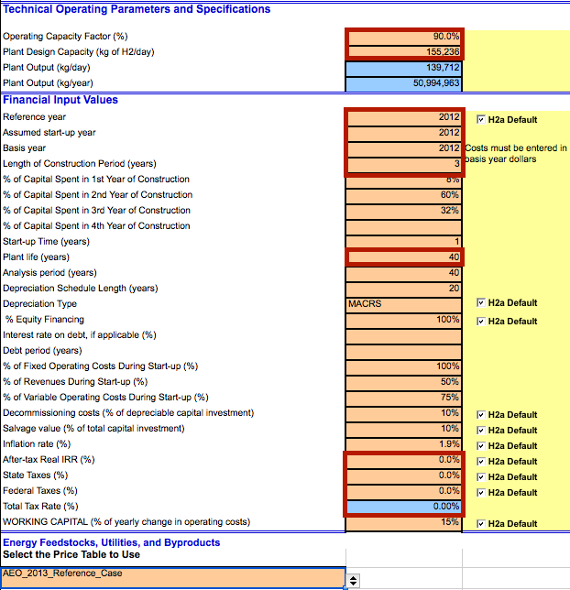
 |  | 90 | % | Operating Capacity Factor
 |  | 0.9 |  | Operating Capacity Factor
 |  | 7884 | FLH | Full load hours

 |  | 155236 | kg/day
 |  | 6468.1666667 | kg/hr
 |  | 776826.81667 | MJ/hr
 |  | 215.78522685 | MW | hydrogen_output_capacity
 |  | 481.66345279 | MW | typical_input_capacity

 |  | 6124502622.6 | MJ/yr | yearly production

 |  | 40 | yr | technical lifetime
 |  | 3 | yr | construction time

 |  | 10 | % | of depreciable capital investment
 |  | 0.1 |  | decommissioning factor

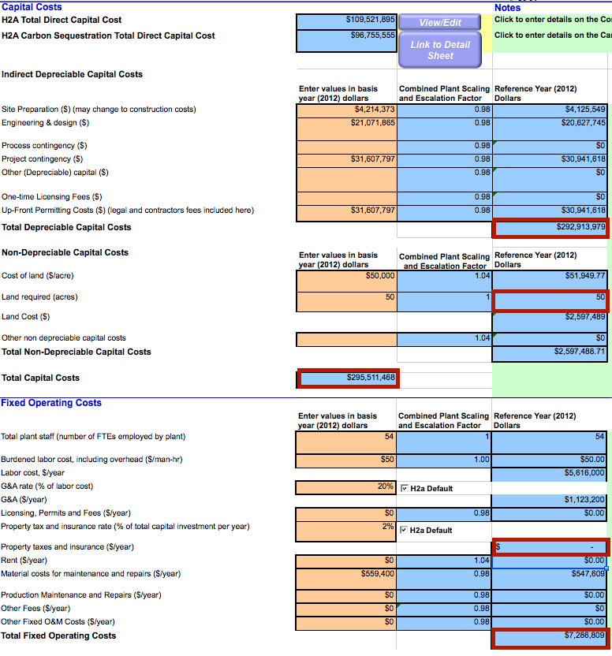

 |  | 292913979 | USD | depr. Cap. Cost
 |  | 266770472.68 | euro | depr. Cap. Cost
 |  | 26677047.268 | euro | decommissioning costs

 |  | 50 | acres | land use per plant
 |  | 0.202343 | km2 | land use per plant

 |  | 158118579 | USD | initial investment
 |  | 144005991.8 | euro | initial investment

 |  |  |  | This is CCS exclusive
 |  |  |  | The value on the right is CCS inclusive

 |  | 10449181 | USD/yr | fixed operating and maintenance costs per year
 |  | 9516558.2878 | euro/yr | fixed operating and maintenance costs per year

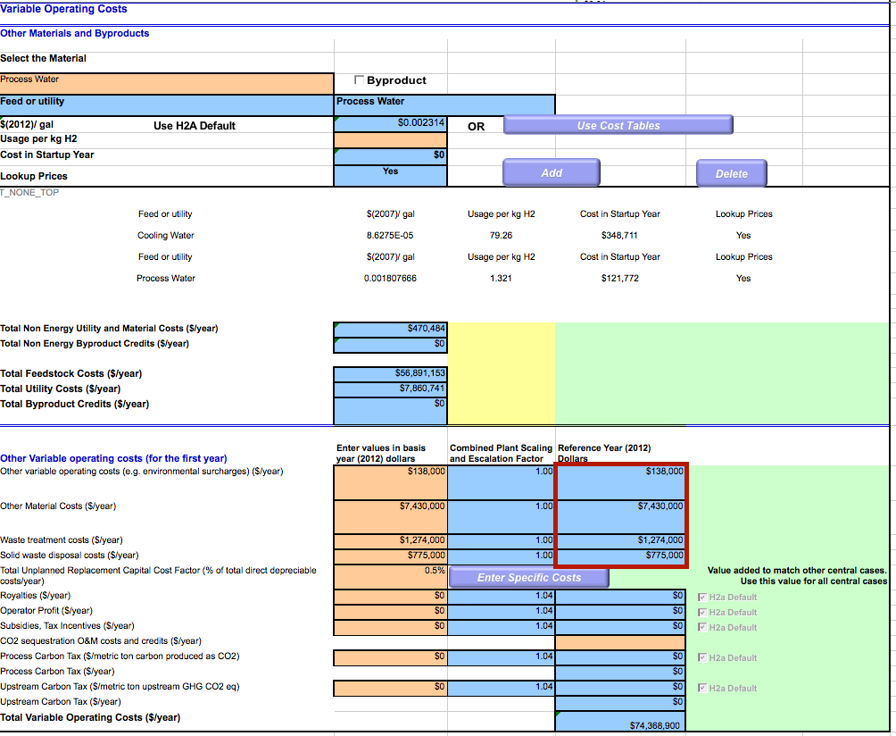

 |  | 9617000 | USD/yr | variable operating and maintenance costs per year
 |  | 8758652.0947 | euro/yr | variable operating and maintenance costs per year
 |  |  |  | does not include feedstock and utility cost, as the ETM calculates that already

 |  | 0.001430100146 | euro/MJ | variable operating and maintenance costs per MJ
 |  | 1110.9401439 | euro/FLH | variable operating and maintenance costs per FLH

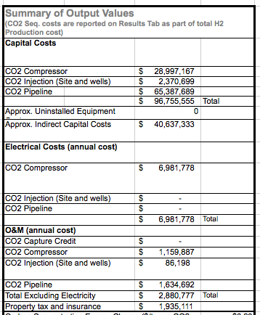

 |  | 96755555 | USD | ccs_investment
 |  | 88119813.297 | euro | ccs_investment

 |  |  | Electricity costs are calculated by ETM

 |  | 2880770 | USD/yr | fixed o&m for ccs
 |  | 2623652.0947 | euro/yr | fixed o&m for ccs

 |  | 0.9 |  | free_co2_factor
 |  |  |  | CCS

