Notes

Source |  | Notes

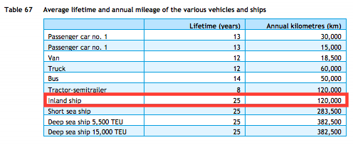
TNO, ECN, CE Delft
Parameter | Technical lifetime | 25 | years

CE Delft & CO2 emissiefactoren
Parameter | Efficiency | Efficiency Groot Rijnschip | 0.41 | MJ/tkm | CE Delft (2017) value for Waal & zwaar transport bulk (table 19).
 |  | Efficiency R.H.K. | 0.22 | MJ/tkm | CE Delft (2017) value for Waal & zwaar transport bulk (table 19).
 |  | Average efficiency current fleet | 0.315 | MJ/tkm | CO2 emissiefactoren (2021) uses average efficiency of Groot Rijnschip and R.H.K. for heavy transport over the Waal as a representative number for current inland shipping fleet, see https://www.co2emissiefactoren.nl/lijst-emissiefactoren/

 |  | Efficiency (diesel) | 3.174603175 | tkm/MJ | Efficiency for a traditional diesel inland ship

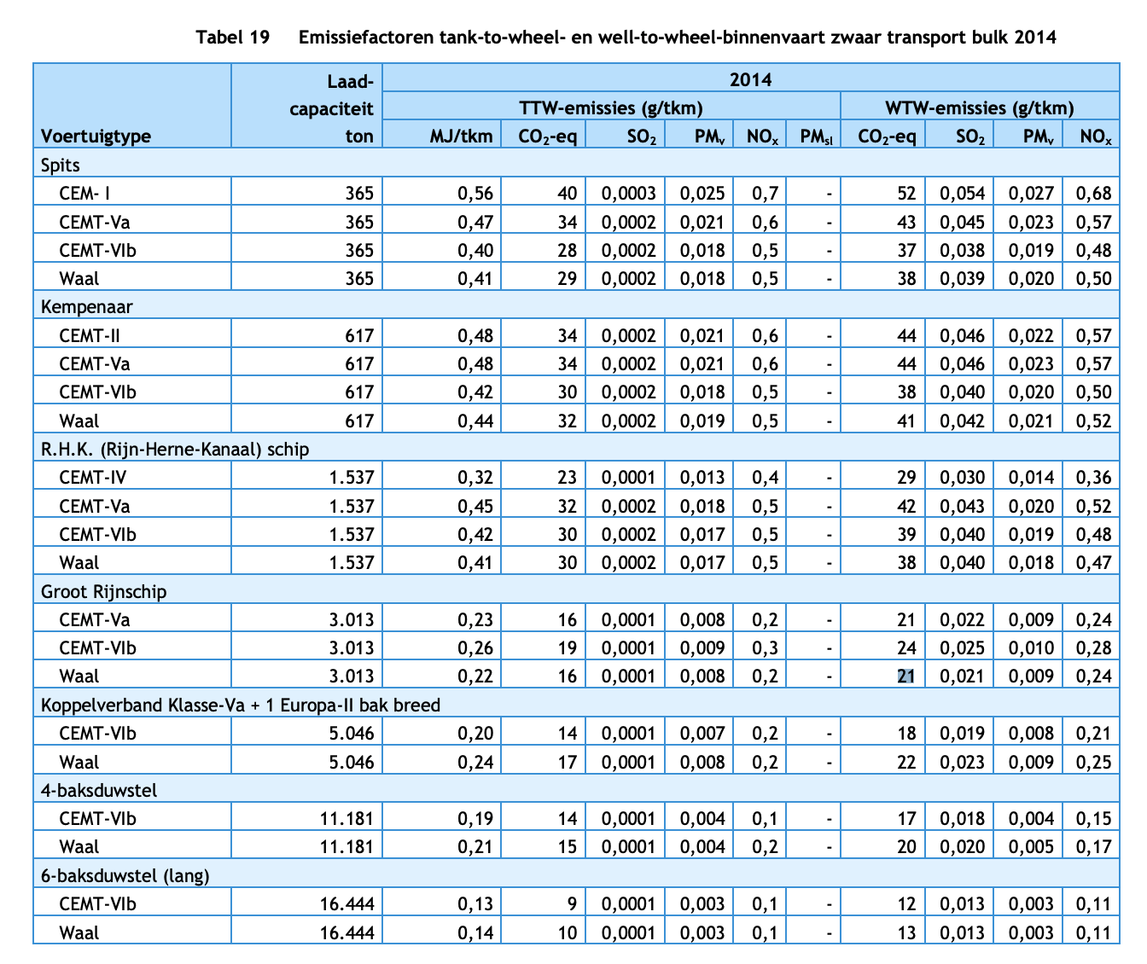

De Vires
Parameter | Assumed technology type is an ICE powered ship

 | Efficiency | Ammonia ICE | 0.494

Smartport
Parameter | Efficiency | Diesel ICE | 0.42 |  | Relative efficiency of a H2 fuel cell system (+ electric motor) compared to diesel and other combustion engines for inland ships
 |  |  |  |  | If it is assumed that the tkm/vkm is does not change between technology types
 |  | Relative efficiency | 1.1761904762 |  | Then an inland ship using an H2 fuel cell system requires less MJ/tkm than a traditional diesel engine inland ship

 |  | Efficiency (hydrogen) | 3.7339380197 | tkm/MJ

