Notes
Sources | Notes
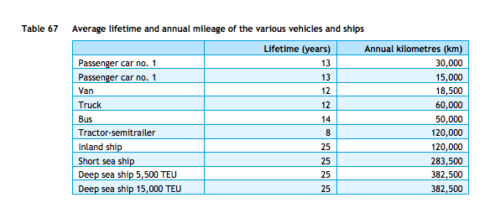

cedelft-ecn-tno
p.87

12 | yr

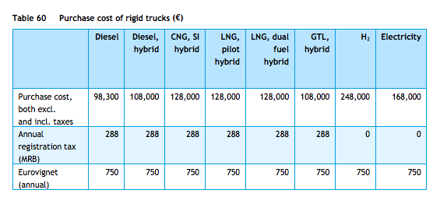
p.85

98300 | euro

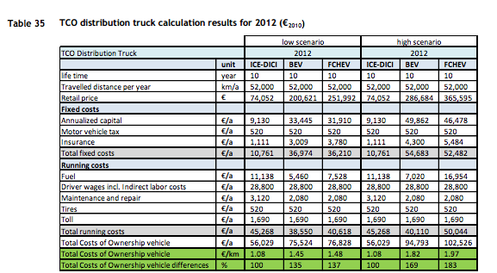

cedelft
p.92

74052 | euro

3120 | euro/yr
520 | euro/yr

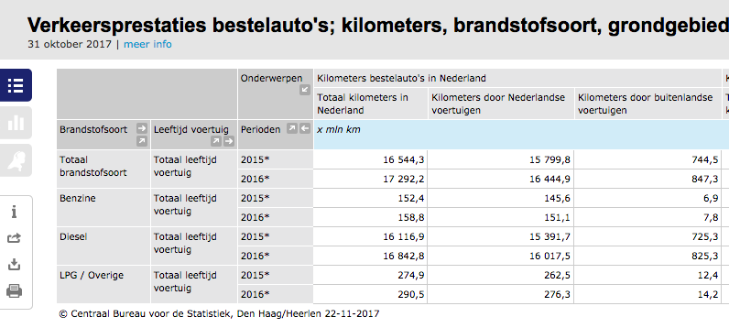

 |  |  |  | vehicle kms (see below) | mj/km | km/mj
Efficiency |  |  | truck | 7546 | 9.4 | 0.10638297872
cedelft-ecn-tno |  |  | van | 17292.2 | 2.1
p.66 |  |  | weighted avg |  | 4.3177855078 | 0.23160020297

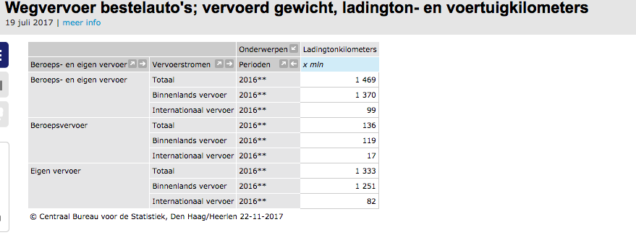
 |  |  | Note: vans are no longer part of trucks in the ETM
 |  |  | Weighted average is therefore no longer used
 |  |  | Only truck data is used

 |  |  | truck kms | 7546 | mln |  | Eurostat | Note: Eurostat freight transport excludes all vehicles < 3.5 tonne.
 |  |  | truck tonne kms | 68900 | mln |  | Eurostat
 |  |  | van kms | 17292.2 | mln |  | CBS | Note: used 2016 data since tonne kms is only available for 2016. Used van vehicle kms from different Statline than tonne kms since we are interested in all vehicle kms, not just loaded
 |  |  | van tonne kms | 1469 | mln |  | CBS | Note: used 2016 data since tonne kms is only available for 2016

Eurostat | vehicle km | 7546 | mln vehicle km
 |  | 7546000000 | vehicle km
 | tonne km | 68900 | mln tonne km
 |  | 68900000000.00 | tonne km

 |  | 9.131 | tonne km/vehicle km

 | output.freight_tonne_kms | 0.97134736735 | tonne km/MJ |  | cedelft-ecn-tno

