Notes
Sources | Notes
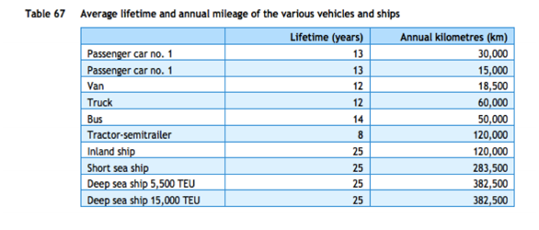

cedelft-ecn-tno
p.87

12 | yr

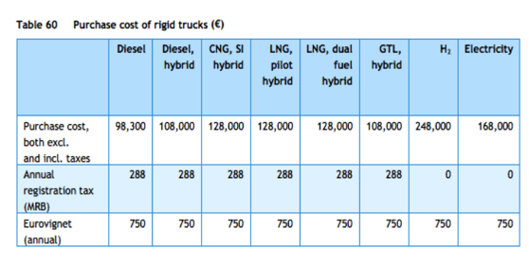
p.85

98300 | euro

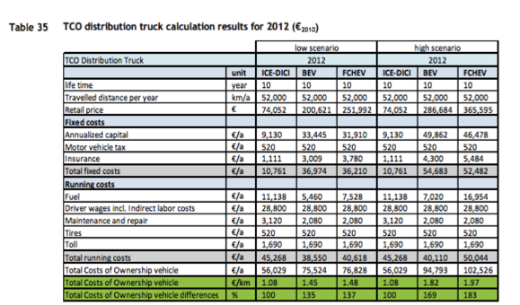

cedelft
p.92

10 | yr

74052 | euro

3120 | euro/yr
520 | euro/yr

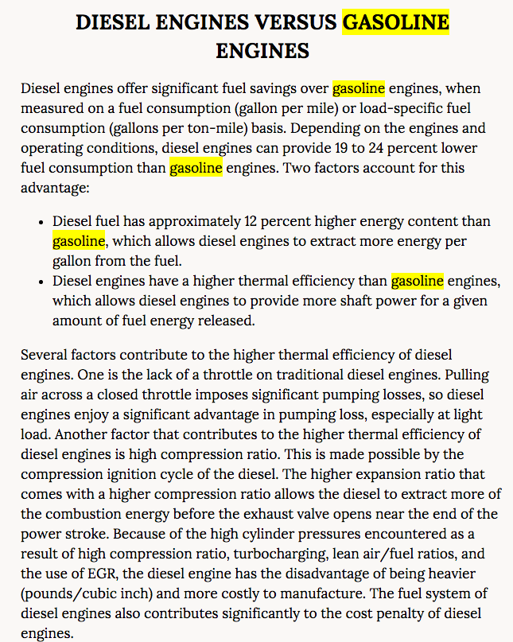
http://www.nap.edu/read/12845/chapter/6#63

p.63

Diesel truck efficiency

0.10638297872 | km/MJ

Diesel trucks 19-24% lower fuel consumption than gasoline trucks
 | 12% is energy content difference
 | 7 - 12% higher thermal efficiency
 |  | Average | 9.5 | %
 |  |  | 0.095
In ETM | 43.1
 | 43.2

from carrier | 43.10 | MJ/kg | diesel
 | 43.20 | MJ/kg | gasoline

 | -0.0023148148148
 | 0.095
 | 0.092685185185 | lower fuel consumption for diesel trucks

 |  | (implicit assumption that the changes in other factors are so small they can be ignored

trucks | diesel | 0.90731481481 | 9.4 | from transport_truck_using_diesel_mix_converter
 | gasoline | 1 | 10.360240841 | MJ/km | Fuel consumption

vans | diesel | 0.90731481481 | 2.1 | from transport_truck_using_diesel_mix_converter
 | gasoline | 1 | 2.31452189 | MJ/km
output.truck_kms | 0.09652285264 | km/MJ

 |  |  |  | vehicle kms (see below) | mj/km | km/mj
Efficiency |  |  | truck | 7546 | 10.360240841 | 0.09652285264
cedelft-ecn-tno |  |  | van | 17292.2 | 2.31452189
p.66 |  |  | weighted avg |  | 4.7588614639 | 0.21013429527

 |  |  | truck kms | 7546 | mln |  | Eurostat | Note: Eurostat freight transport excludes all vehicles < 3.5 tonne. Since vans are included in the truck category in the ETM, we calculated the weighted efficiency
 |  |  | truck tonne kms | 68900 | mln |  | Eurostat
 |  |  | van kms | 17292.2 | mln |  | CBS | Note: used 2016 data since tonne kms is only available for 2016. Used van vehicle kms from different Statline than tonne kms since we are interested in all vehicle kms, not just loaded
 |  |  | van tonne kms | 1469 | mln |  | CBS | Note: used 2016 data since tonne kms is only available for 2016

Eurostat | vehicle km | 7546 | mln vehicle km
 |  | 7546000000 | vehicle km
 | tonne km | 68900 | mln tonne km
 |  | 68900000000.00 | tonne km

 |  | 9.131 | tonne km/vehicle km

 | output.freight_tonne_kms | 0.88131785673 | tonne km/MJ |  | cedelft-ecn-tno

 | Note: vans are no longer part of trucks in the ETM
 | Weighted average is therefore no longer used
 | Only truck data is used

