Notes
Source | Notes
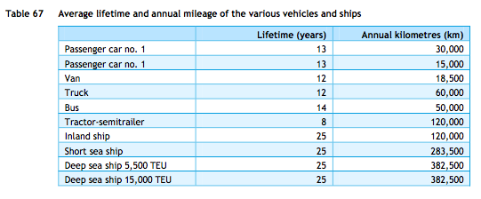
ECN, TNO, CE Delft (2013) | Technical lifetime | 12 | years

CE Delft (2020) | Effciency per vehicle km | 3.5 | MJ/km | Diesel Euro 6d
 | Effciency per vehicle km | 102% |  | Relative efficiency of diesel compared to diesel euro 6d
 | Effciency per vehicle km | 3.57 | MJ/km | Diesel, average 2018

IEA - AMF | Relative efficiency of gasoline engine | 88% |  | Compared to diesel engine
 |  |  |  | LPG engine is 10-15% less efficient than diesel
 |  |  |  | Gasoline engine efficiency is similar to LPG engines

 | Efficency per vehicle km | 4.08 | MJ/km | Gasoline, estimate
 |  |  |  | Estimate made because CE Delft (2020) has no record for gasoline

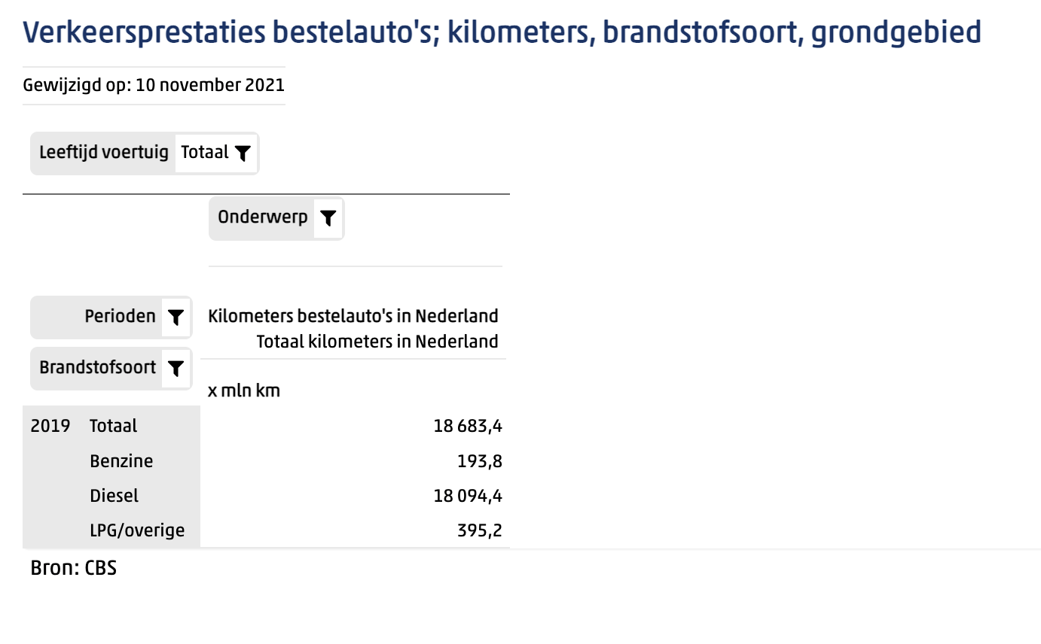
Statline (2019) | Vehicle kms | 18683.4 | mln km | Total vans in Netherlands

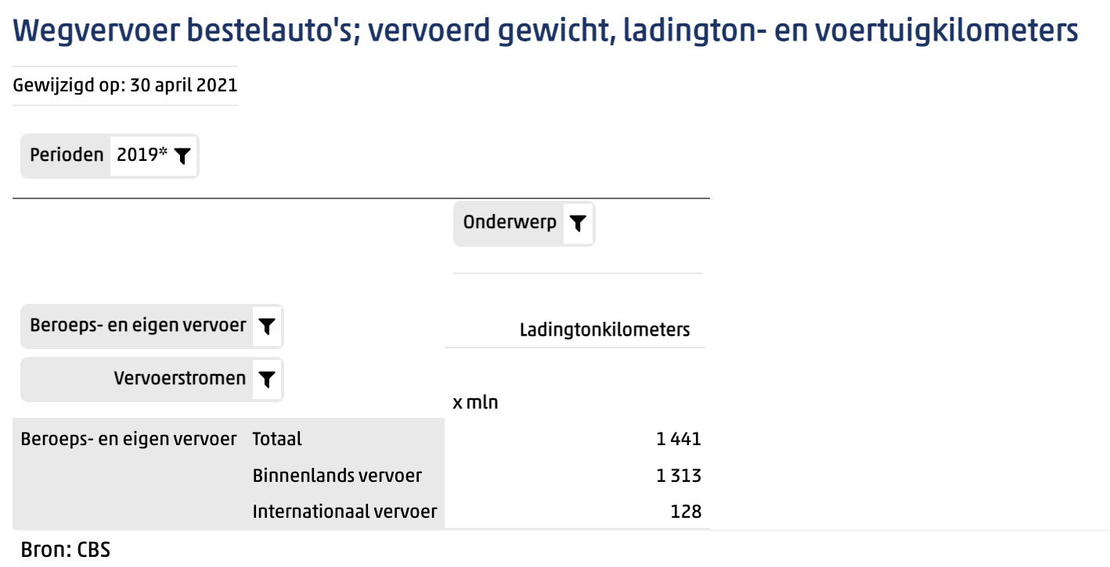
Statline (2019) | Tonne kms | 1441 | mln tonne km | Total vans in Netherlands

 | Transport efficiency | 0.077127289466 | tonne km/vehicle km

 | output.freight_tonne_kms | 0.018903747418 | tonne km/MJ | Gasoline vans

