Notes
Source | Notes
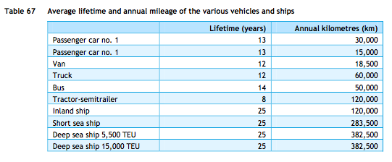
ECN, TNO, CE Delft (2013) | Technical lifetime | 12 | years

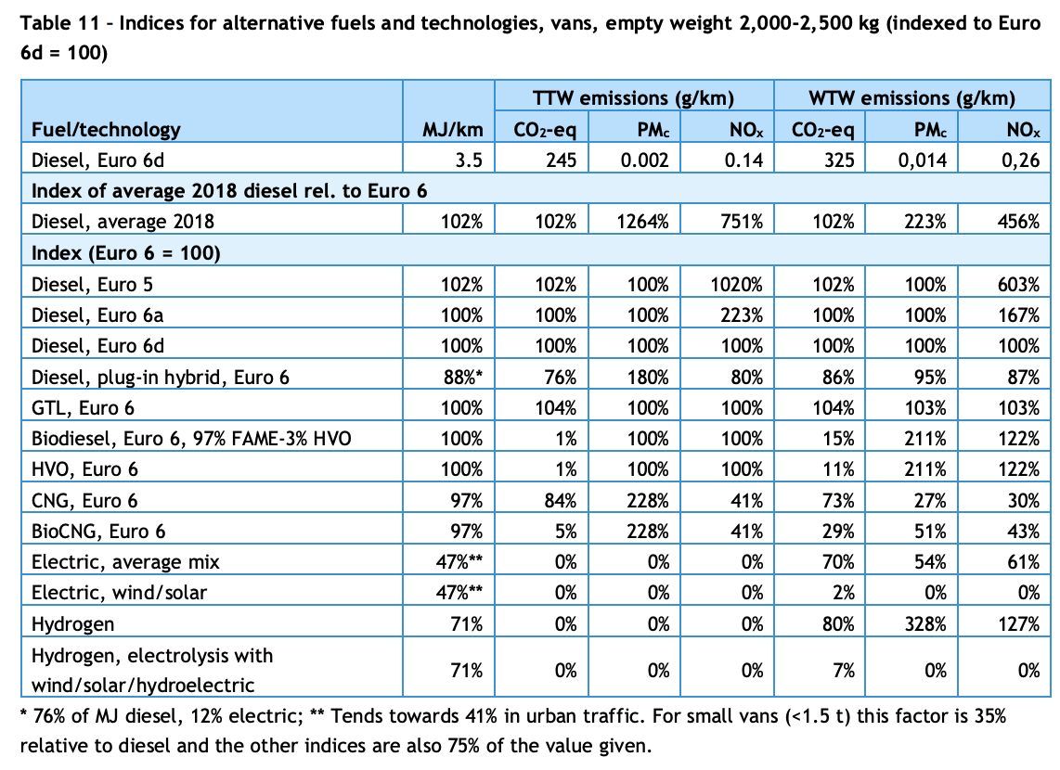

CE Delft (2020) | Effciency per vehicle km | 3.5 | MJ/km | Diesel Euro 6d
 | Effciency per vehicle km | 71% |  | Relative efficiency of hydrogen compared to diesel euro 6d
 | Effciency per vehicle km | 2.485 | MJ/km | Hydrogen

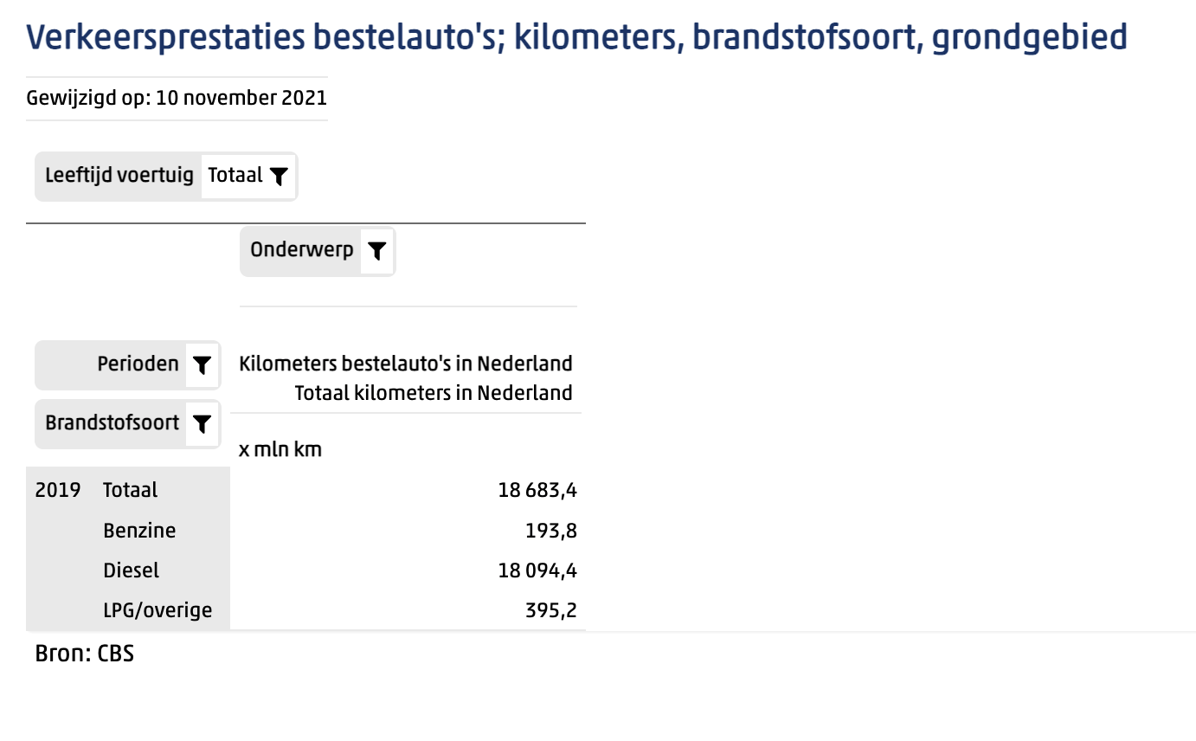
Statline (2019) | Vehicle kms | 18683.4 | mln km | Total vans in Netherlands

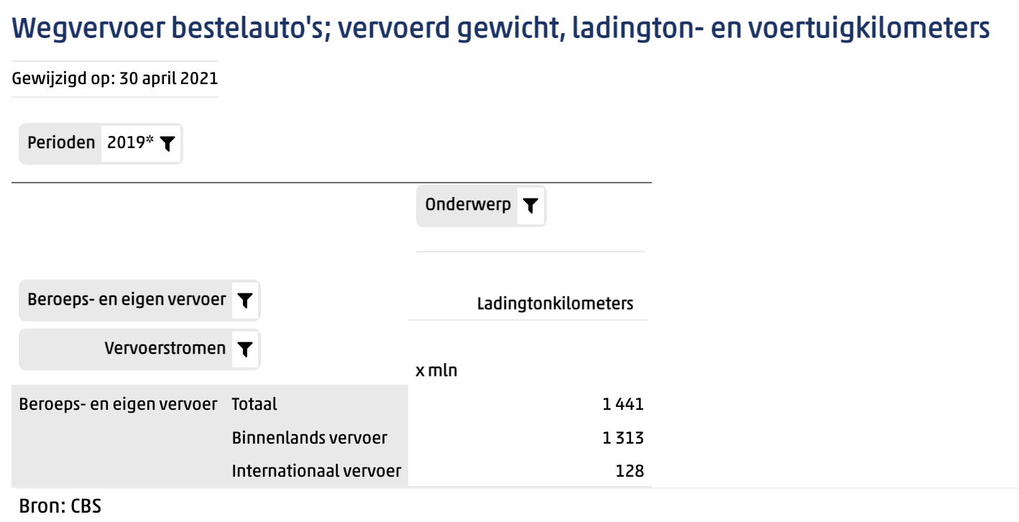
Statline (2019) | Tonne kms | 1441 | mln tonne km | Total vans in Netherlands

 | Transport efficiency | 0.077127289466 | tonne km/vehicle km

 | output.freight_tonne_kms | 0.031037138618 | tonne km/MJ | Hydrogen vans

