Sources
Source: Denmark Statistics
areable_land | 26225.8

Source: Denmark Statistics
number_of_inhabitants | 5707251

Sources: Denmark Energy Agency - Energy in Denmark 2015
coastline | 7314

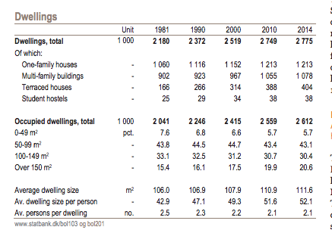

Sources: Denmark Statistics: Denmark in Figures 2015: http://www.dst.dk/Site/Dst/Udgivelser/GetPubFile.aspx?id=19006&sid=denmark2015
number_of_houses | 2775000 | 2014

