Sheet1
AARHUS UNIVERSITY - DANISH EMISSION INVENTORIES FOR ROAD TRANSPORT AND OTHER MOBILE SOURCESM 2016

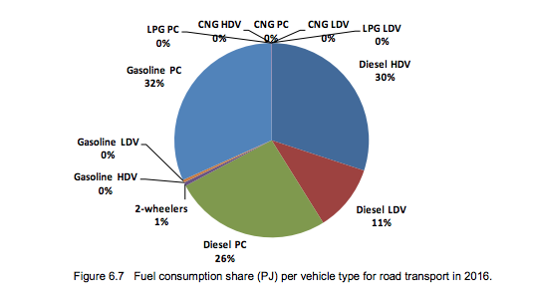

Denmark Statistics
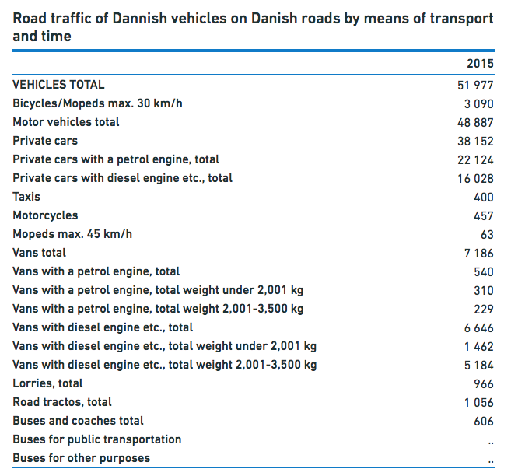

Mogelijk interessante bron
http://ec.europa.eu/eurostat/statistics-explained/index.php/Passenger_cars_in_the_EU#Highest_share_of_passenger_cars_over_20_years_old_in_Poland

