Notes
Sources | Page |  | Notes

EU JRC_201111_Well-to-wheel analysis of future automotive fuels and powertrains in the European context (version 3c) WTT Appendix 1
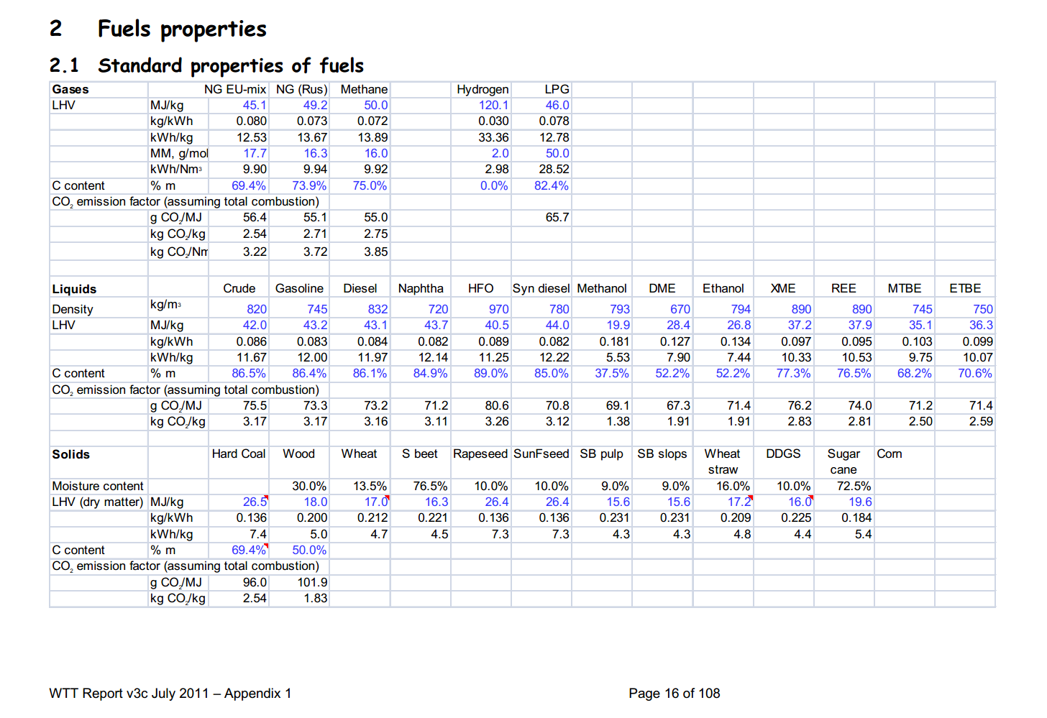

 | 16 | Gasoline | 745 | kg/m3 | Density
 |  |  | 43.2 | MJ/KG | LHV
 |  |  | 0.745 | kg/dm3 | transform to kg/Liter
 |  |  | 32.184 | MJ/L | LHV
 |  |  | 0.0733 | kg/MJ | CO2 emission factor

 |  | Diesel | 832 | kg/m3 | Density
 |  |  | 43.1 | MJ/KG | LHV
 |  |  | 0.832 | kg/dm3 | transform to kg/Liter
 |  |  | 35.8592 | MJ/L | LHV
 |  |  | 0.0732 | kg/MJ | CO2 emission factor

 |  | LPG
 |  |  | 46 | MJ/KG | LHV
 |  |  | 0.524 | kg/L | density @ 8 deg C
 |  |  | 24.104 | MJ/L | LHV
 |  |  | 0.0657 | kg/MJ | CO2 emission factor

 |  | heavy fuel oil | 970 | kg/m3 | Density
 |  |  | 40.5 | MJ/KG | LHV
 |  |  | 0.97 | kg/dm3 | transform to kg/Liter
 |  |  | 39.285 | MJ/L | LHV
 |  |  | 0.0806 | kg/MJ | CO2 emission factor

 |  |  | http://www.langegas.com/alte_daten/umrele.htm

Sources | Page |  | Notes

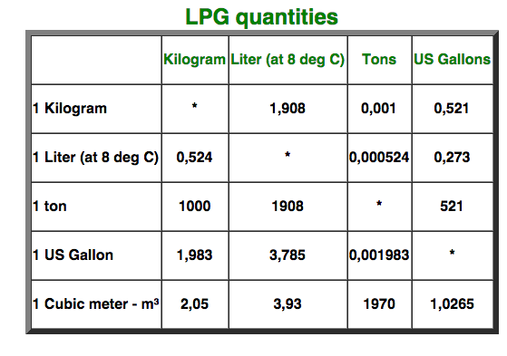
http://www.langegas.com/alte_daten/umrele.htm

 |  | 0.524 | kg/L (at 8 deg C)

Sources | Page |  | Notes

European Commission - Weekly Oil Bulletin
http://ec.europa.eu/energy/observatory/oil/bulletin_en.htm

 | Calculate monthly averages
 | NL |  |  |  | Date | ExchangeRateTo € | Euro-super 95(I) | Gas oil automobileAutomotive gas oilDieselkraftstoff(I) | Gas oil de chauffageHeating gas oilHeizöl(II) | Fuel oil -Schweres Heizöl(III)Soufre | GPL pour moteurLPG motor fuel
 |  |  |  |  |  |  | 1000L | 1000L | 1000L | t | 1000L
 |  | Gasoline | 519.130 | EUR/1000L | 2017-11-20 |  | 534.67 | 550.71 | 364.76 | 614.56 | 384.46
 |  | Diesel | 545.586 | EUR/1000L | 2017-11-13 |  | 546.24 | 559.8 | 386.25 | 621.56 | 381.15
 |  | LPG | 366.110 | EUR/1000L | 2017-11-06 |  | 526.4 | 550.71 | 373.85 | 606.56 | 362.14
 |  | HFO | 599.960 | EUR/t | 2017-10-30 |  | 501.61 | 535.01 | 354.01 | 588.56 | 351.4
 |  |  |  |  | 2017-10-23 |  | 486.73 | 531.7 | 344.1 | 568.56 | 351.4
 |  | Gasoline | 0.51913 | EUR/L | 2016-02-08 | 1.00000 | 395.65 | 371.99 | 192.65 | 358.67 | 277.56
 |  | Diesel | 0.54559 | EUR/L | 2016-02-01 | 1.00000 | 399.79 | 362.08 | 200.09 | 363.67 | 285.82
 |  | LPG | 0.36611 | EUR/L | 2016-01-25 | 1.00000 | 393.17 | 355.46 | 187.7 | 341.67 | 287.48
 |  | HFO |  |  | 2016-01-18 | 1.00000 | 402.27 | 373.65 | 162.08 | 335.67 | 307.31
 |  |  |  |  | 2016-01-11 | 1.00000 | 417.14 | 391.83 | 181.08 | 362.67 | 302.35
 |  | Gasoline | 0.0161300646284 | EUR/MJ | 2016-01-04 | 1.00000 | 412.18 | 391.83 | 181.91 | 382.67 | 303.18
 |  | Diesel | 0.0152146729431 | EUR/MJ | 2015-12-14 | 1.00000 | 435.02 | 444.65 | 360.35 | 464.85 | 318.96
 |  | LPG | 0.0151887653501 | EUR/MJ | 2015-12-07 | 1.00000 | 452.38 | 467.79 | 360.35 | 464.85 | 323.91
 |  | HFO | 0.0148138271605 | EUR/MJ | 2015-11-30 | 1.00000 | 459.81 | 486.8 | 360.35 | 464.85 | 321.44
 |  |  |  |  | 2015-11-23 | 1.00000 | 469.73 | 491.76 | 360.35 | 464.85 | 323.91
 |  |  |  |  | 2015-11-16 | 1.00000 | 492.87 | 506.63 | 360.35 | 464.85 | 323.09
 |  |  |  |  | 2015-11-09 | 1.00000 | 478 | 503.33 | 360.35 | 464.85 | 319.78
 |  |  |  |  | 2015-11-02 | 1.00000 | 449.07 | 481.01 | 360.35 | 464.85 | 308.21
 |  |  |  |  | 2015-10-26 | 1.00000 | 439.98 | 478.54 | 360.35 | 464.85 | 304.91
 |  |  |  |  | 2015-10-19 | 1.00000 | 454.03 | 493.41 | 360.35 | 464.85 | 305.73
 |  |  |  |  | 2015-10-12 | 1.00000 | 462.29 | 501.68 | 360.35 | 464.85 | 302.43
 |  |  |  |  | 2015-10-05 | 1.00000 | 451.55 | 489.28 | 360.35 | 464.85 | 296.64
 |  |  |  |  | 2015-09-28 | 1.00000 | 463.12 | 490.11 | 360.35 | 464.85 | 287.55
 |  |  |  |  | 2015-09-21 | 1.00000 | 472.21 | 498.37 | 360.35 | 464.85 | 284.25
 |  |  |  |  | 2015-09-14 | 1.00000 | 481.3 | 502.5 | 360.35 | 464.85 | 285.07
 |  |  |  |  | 2015-09-07 | 1.00000 | 482.13 | 493.41 | 360.35 | 464.85 | 284.25
 |  |  |  |  | 2015-08-31 | 1.00000 | 482.95 | 466.06 | 360.35 | 464.85 | 276.88
 |  |  |  |  | 2015-08-24 | 1.00000 | 513.53 | 485.97 | 360.35 | 464.85 | 287.55
 |  |  |  |  | 2015-08-17 | 1.00000 | 542.46 | 496.72 | 360.35 | 464.85 | 302.43
 |  |  |  |  | 2015-08-10 | 1.00000 | 562.29 | 504.98 | 360.35 | 464.85 | 308.21
 |  |  |  |  | 2015-08-03 | 1.00000 | 573.86 | 518.2 | 360.35 | 464.85 | 312.34
 |  |  |  |  | 2015-07-27 | 1.00000 | 586.26 | 533.91 | 360.35 | 464.85 | 315.65
 |  |  |  |  | 2015-07-20 | 1.00000 | 599.48 | 547.13 | 360.35 | 464.85 | 310.69
 |  |  |  |  | 2015-07-13 | 1.00000 | 617.67 | 568.62 | 360.35 | 464.85 | 318.96
 |  |  |  |  | 2015-07-06 | 1.00000 | 601.14 | 580.19 | 360.35 | 464.85 | 314.82
 |  |  |  |  | 2015-06-29 | 1.00000 | 593.7 | 580.19 | 360.35 | 464.85 | 318.13
 |  |  |  |  | 2015-06-22 | 1.00000 | 604.44 | 585.15 | 360.35 | 464.85 | 317.3
 |  |  |  |  | 2015-06-15 | 1.00000 | 601.14 | 587.63 | 360.35 | 464.85 | 326.39
 |  |  |  |  | 2015-06-08 | 1.00000 | 585.43 | 587.63 | 360.35 | 464.85 | 337.14
 |  |  |  |  | 2015-06-01 | 1.00000 | 579.65 | 587.63 | 360.35 | 464.85 | 342.1
 |  |  |  |  | 2015-05-25 | 1.00000 | 578 | 591.76 | 360.35 | 464.85 | 338.79
 |  |  |  |  | 2015-05-18 | 1.00000 | 582.13 | 594.24 | 360.35 | 464.85 | 354.49
 |  |  |  |  | 2015-05-11 | 1.00000 | 587.91 | 595.06 | 360.35 | 464.85 | 361.1
 |  |  |  |  | 2015-05-04 | 1.00000 | 584.61 | 590.11 | 360.35 | 464.85 | 365.24
 |  |  |  |  | 2015-04-27 | 1.00000 | 583.78 | 591.76 | 360.35 | 464.85 | 366.06
 |  |  |  |  | 2015-04-20 | 1.00000 | 567.25 | 576.88 | 360.35 | 464.85 | 361.1
 |  |  |  |  | 2015-04-13 | 1.00000 | 544.11 | 553.74 | 360.35 | 464.85 | 366.89
 |  |  |  |  | 2015-03-30 | 1.00000 | 550.72 | 566.14 | 360.35 | 464.85 | 377.63
 |  |  |  |  | 2015-03-23 | 1.00000 | 539.98 | 567.79 | 360.35 | 464.85 | 380.94
 |  |  |  |  | 2015-03-16 | 1.00000 | 543.29 | 578.54 | 360.35 | 464.85 | 377.63
 |  |  |  |  | 2015-03-09 | 1.00000 | 533.37 | 579.36 | 360.35 | 464.85 | 379.29
 |  |  |  |  | 2015-03-02 | 1.00000 | 515.19 | 578.54 | 360.35 | 464.85 | 359.45
 |  |  |  |  | 2015-02-23 | 1.00000 | 502.79 | 569.44 | 360.35 | 464.85 | 338.79
 |  |  |  |  | 2015-02-16 | 1.00000 | 497 | 560.35 | 360.35 | 464.85 | 338.79
 |  |  |  |  | 2015-02-09 | 1.00000 | 463.12 | 525.64 | 360.35 | 464.85 | 342.1
 |  |  |  |  | 2015-02-02 | 1.00000 | 435.02 | 496.72 | 360.35 | 464.85 | 322.26
 |  |  |  |  | 2015-01-26 | 1.00000 | 434.19 | 490.93 | 360.35 | 464.85 | 317.3
 |  |  |  |  | 2015-01-19 | 1.00000 | 435.02 | 490.93 | 360.35 | 464.85 | 313.17
 |  |  |  |  | 2015-01-12 | 1.00000 | 448.24 | 502.5 | 360.35 | 464.85 | 329.7
 |  |  |  |  | 2015-01-05 | 1.00000 | 466.43 | 508.29 | 360.35 | 464.85 | 351.19

