Notes
Source | Page | Notes

This PEM electrolyser is based on the Siemens SILYZER 200, a 1.25 MW unit.

Quintel |  | 7533.6 | hrs | FLH
 |  |  |  | Assumed to be equal to energy_local_electrolysis_hydrogen

Siemens | 9

 |  | 19.53 | m2 |  |  | 22
 |  | 0.00001953 | km2 | land_use_per_unit

 |  | 1.25 | MW | hydrogen_output_capacity

 |  | 0.675 |  | output.hydrogen

 |  | 80000 | uur | levensduur wanneer actief

 |  | 10.619093129 | yrs | technical_lifetime

FCH | 89

 |  | 1200 | euro/kwe | lower bound as prices dropped even further
 |  | 1500000 | euro | initial_investment excl storage
 |  | 1538109.06 | euro | initial_investment incl storage

 |  | 2 | % | of initial_investment equals fixed OPEX
 |  | 30000 | euro | fixed o&m

 |  | 0 | euro | variable o&m

Storage costs |  |  | Northern Gas Networks (2017): H21 Leeds City Gate

Intraday Salt Caverns: |  | 77 | M GBP / 1.2Mm3

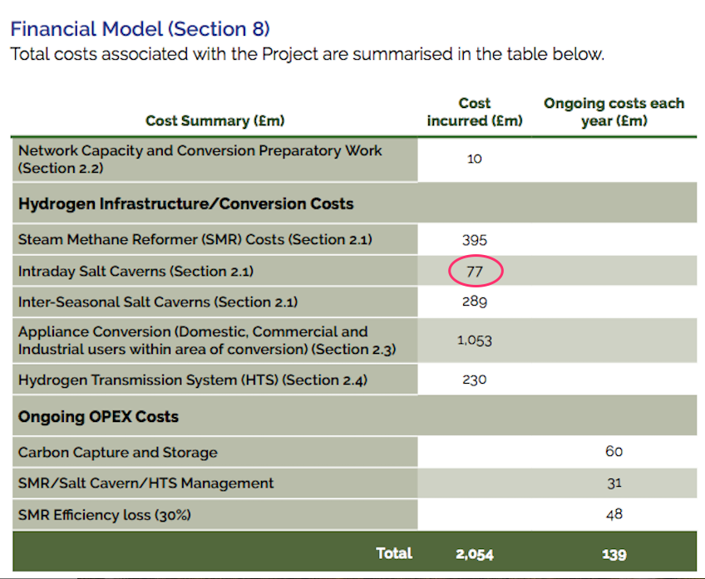
 |  | 2.2 | Mm3 / 5.2 GW |  | storage needed (calculated in study: The Take-off of Synthetic Kerosene Production in the Netherlands by Quintel Intelligence)
 |  | 0.00052884615385 | Mm3 / 1.25 MW

 |  | 33934.294872 | GBP / unit
 |  | 1.21 | euro/ GBP
 |  | 38109.06 | euro / unit

