Notes
Source | Page | Notes

This analysis pertains to the compressor part of a hydrogen refuelling station exclusively, since for other fuels refuelling stations are not modelled. As a result, this analysis will only use that information relevant to the compressor and ignore the rest. This is an ionic compressor that has a target fuelling pressure of 70MPa, in agreement with the industry standard.

 |  |  |  |  | 120.1 | MJ/kg | energy density hydrogen

 |  |  |  |  |  |  |  |  |  | Exchange rate | Unit | Value | Definition | Date | Source

 |  |  |  |  | 1.098 | USD/eur | USD-euro conversion ratio |  |  | dollar_per_euro | USD/EUR | 1.098 | Running Month Average | 2015-08-05 | http://www.ecb.europa.eu/stats/exchange/eurofxref/html/eurofxref-graph-usd.en.html

Hydrogenics |  | page 15

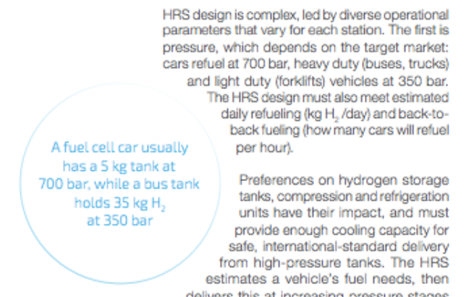

 |  | Hydrogen car requires compression to 700 bar
 |  | Hydrogen truck requires compression to 350 bar

WaterstofNet |  | http://www.waterstofnet.eu/en/hydrogen-refuelling-stations

 |  | Hydrogen car requires compression to 700 bar
 |  | Hydrogen truck requires compression to 350 bar

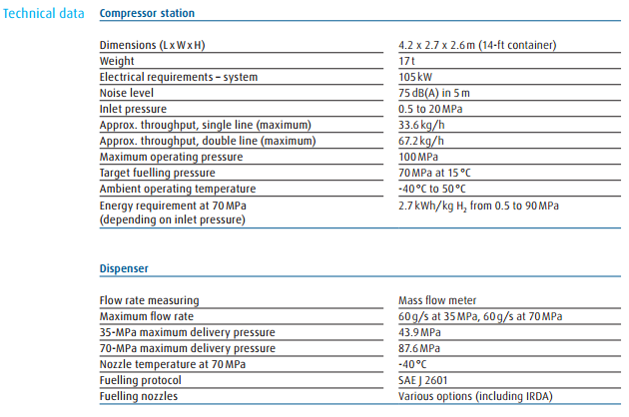

Linde1

Linde IC 90 |  | 11.34 | m2
ionic compressor |  | 0.00001134 | km2

 |  | 105 | kW | Electric capacity

 |  | 33.6 | kg/h | Max. throughput
 |  | 4035.36 | MJ/h | Max. throughput
 |  | 8070.72 | MJ/h | Max. throughput (double line)

 |  | 1.1209333333 | MW | throughput_capacity
 |  | 2.2418666667 | MW | throughput_capacity (double line)

 |  | 2.7 | kWh/kg | Compression to 900 bar
 |  | 9.72 | MJ/kg | Compression to 900 bar

 |  | 0.07487290094 |  | input.electricity
 |  | 0.92512709906 |  | input.hydrogen
 |  | 0.92512709906 |  | output.hydrogen

 |  | 1.0370058029 | MW | hydrogen_output_capacity
 |  | 1.1209333333 | MW | typical_input_capacity

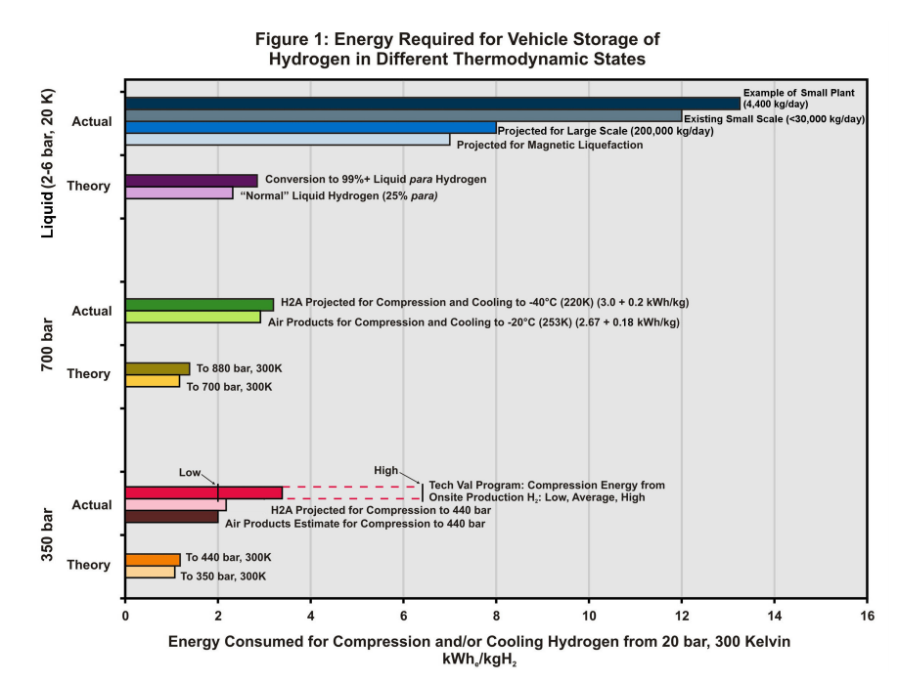

DOE: HF Program Record

 |  | 2.67 | kWh/kg | Compression to 700 bar
 |  | 0.18 | kWh/kg | Cooling to -20*C
 |  | 2.85 | kWh/kg
 |  | 10.26 | MJ/kg

 |  | 120.1 | MJ/kg | energy density hydrogen

 |  | 0.078705124271 |  | input.electricity
 |  | 0.92129487573 |  | input.hydrogen
 |  | 0.92129487573 |  | output.hydrogen for compression to 700 bar

 |  | 3.1 | kWh/kg | Average to 350 bar
 |  | 11.16 | MJ/kg

 |  | 0.91497790645 |  | output.hydrogen for compression to 350 bar

 |  |  |  | Hydrogen car requires compression to 700 bar
 |  |  |  | Hydrogen truck requires compression to 350 bar
 |  | 119 | x 10^9 km's | transport_useful_demand_car_kms 2013
 |  | 21.1 | x 10^9 km's | transport_useful_demand_truck_kms 2013

 |  | The share of hydrogen technology will be equal for cars and trucks |  | Assumption
 |  | Hydrogen car requires compression to 700 bar
 |  | Hydrogen truck requires compression to 350 bar

 |  | 1.0204 | km/MJ | output.car_kms hydrogen car (at 20170518)
 |  | 0.14706 | km/MJ | output.car_kms hydrogen truck (at 20170518)
 |  | 0.44836997042 | % | Part of total hydrogen required for transport
 |  | 0.55163002958 | % | Part of total hydrogen required for transport

 |  | 0.91781024578 |  | weighed average efficiency hydrogen compression for cars and trucks taking efficiency of hydrogen cars/trucks into account

IEA
Technical Annex

 |  | 20 | yrs | technical lifetime
 |  | 300 | USD/kWH2 | initial_investment average

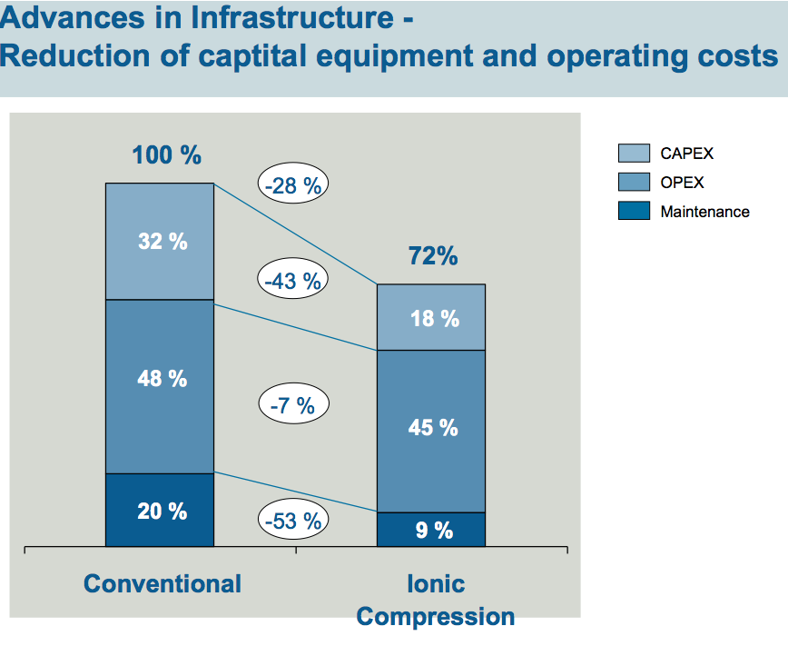

Linde2

 |  | 0.5625 |  | initial_investment factor after reduction
 |  | 168.75 | USD/kWH2 | initial_investment leveled
 |  | 153.68852459 | euro/kWH2 | initia investment for ionic compressor per capacity

 |  | 1037.0058029 | kW | hydrogen_output_capacity

 |  | 159375.89184 | euro | initial_investment

 |  |  |  | OPEX differences are caused by a difference in efficiencies
 |  |  |  | between conventional piston compressor and ionic compressors
 |  |  |  | ETM calculates feedstock costs

 |  | 0 | euro/FLH | variable O&M

 |  | 0.45 |  | fixed_operation_and_maintance costs factor after reduction

DOE: Hydrogen and Fuel Cells Program

 |  | 4 | %/IC | fixed o&m as part of investment costs |  |  |  | Assumed in: | Department of Energy
 |  | 1.8 | %/IC | fixed o&m as part of investment costs for ionic compressor |  |  |  |  | Hydrogen and Fuel Cells Program
 |  |  |  |  |  |  |  |  | 05D_H2A_Current_(2010)_Delivery_Scenario_Analysis_Model_(HDSAM)_Version_2.3 |  |  |  |  |  | and | 08D_H2A_Refueling_Station_Analysis_Model_(HRSAM)_Version_1.1
 |  | 159375.89184 | euro | initial_investment |  |  |  |  | Refueling station - gaseous H2
 |  | 2868.7660531 | euro | fixed O&M

 |  | 10 | % | of initial investment is decommissioning costs |  |  |  | Assumed in: | Department of Energy
 |  | 0.1 |  |  |  |  |  |  | Hydrogen and Fuel Cells Program
 |  |  |  |  |  |  |  |  | 05D_H2A_Current_(2010)_Delivery_Scenario_Analysis_Model_(HDSAM)_Version_2.3 |  |  |  |  |  | and | 08D_H2A_Refueling_Station_Analysis_Model_(HRSAM)_Version_1.1
 |  | 159375.89184 |  | initial_investment |  |  |  |  | Refueling station - gaseous H2
 |  | 15937.589184 |  | decommissioning_costs

 |  | 6570 | FLH | For a station that is open 18h/day, all year around

DOE |  | 1.05 | kWh/kg | theoretical energy to compress hydrogen isothermally from 20 bar to 350 bar
 |  | 1.36 | kWh/kg | theoretical energy to compress hydrogen isothermally from 20 bar to 700 bar
 |  | 1.02 | kWh/kg | theoretical energy to compress hydrogen from 1 atm to 20 bar

 |  |  |  | DOE range for compression efficiencies is 2 to 4 kWh/kg H2

 |  | 2.02 | 52%
 |  | 2.78 | 49%

