Notes
Source | Page | Notes

This electric heater is based on the Elpanneteknik ETSH50Mi-45, a 50 MW electric heater capable of delivering heat up to a temperature of 259 degrees Celsius.

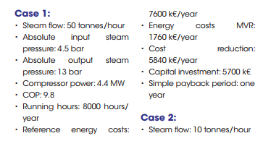
DWA |  |  |  |  | page 4
 |  | 8000 | hrs

 |  | 4.4 | MW | Compressor power
 |  | 43.12 | MW | heat_output_capacity

 |  | 9.8 |  | output.useable_heat
 |  | 0.90740740741 |  | input.ambient_heat
 |  | 0.092592592593 |  | input.electricity

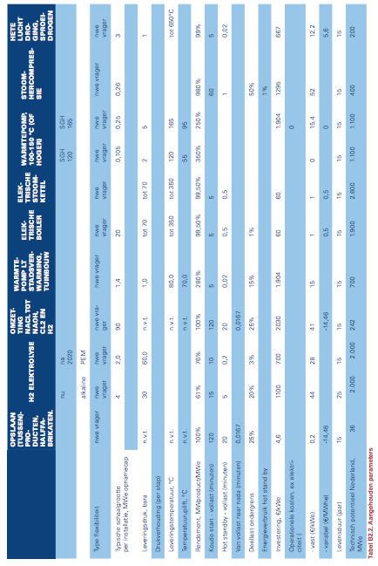
Berenschot |  | 1295 | euro/kWe |  | page 89
 |  | 5698000 | euro | initial_investment

 |  | 52 | euro/kWe
 |  | 228800 | euro | fixed o&m
 |  | 0 | euro/MWhe
 |  | 0 | euro | variable o&m

 |  | 15 | yrs | technical_lifetime

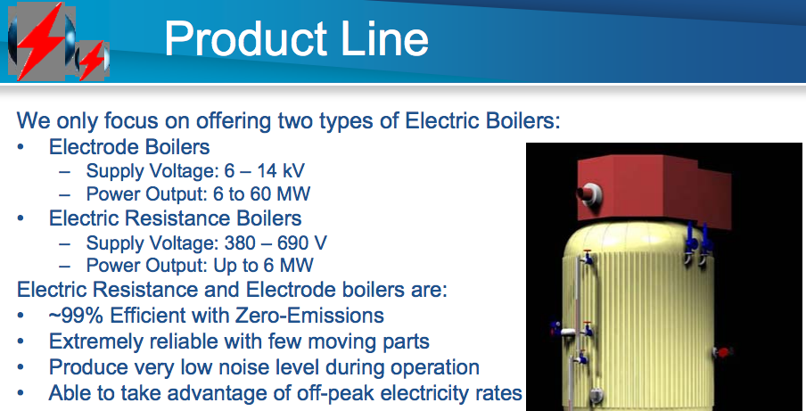

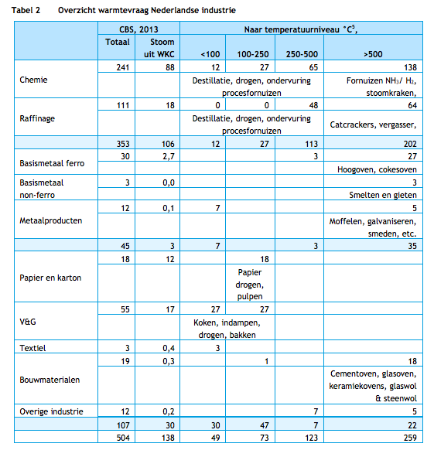
CE Delft | 14

 |  | Able to meet all heat demand
 |  | of the food industry
 |  | based on the temperature split

Engineer Live |  | COP | 10.00 | page 89
 |  | input.ambient_heat | 0.90909090909

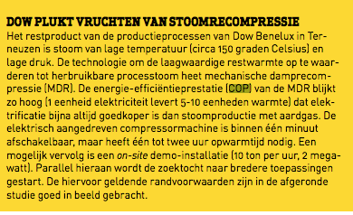
VNCI |  | COP | 10 | page 24
 |  | input.ambient_heat | 0.90909090909

Petrochem |  | COP | 11 | page not relevant
 |  | input.ambient_heat | 0.91666666667

VNP |  | COP | 14.2 | page 19
 |  | input.ambient_heat | 0.93421052632

