Notes
Sourcse |  | Notes

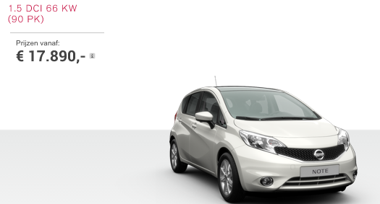

Nissan |  | 17890 | euro

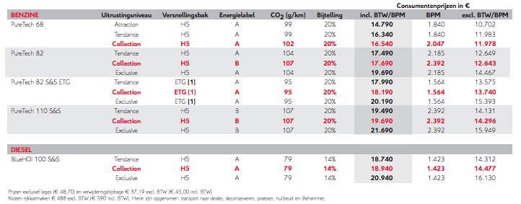

Citroen

 |  | 18940 | euro

Volvo

 |  | 22617.57 | euro

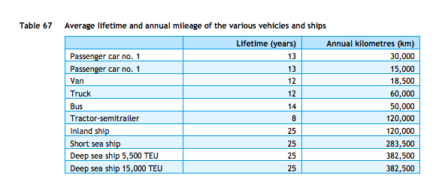
cedelft-ecn-tno
p.87

 |  | 13 | yr

p.64
 |  | 2 | MJ/km
 |  | 0.5 | km/MJ

Wageningen UR
p.34

 |  | 444 | euro/yr

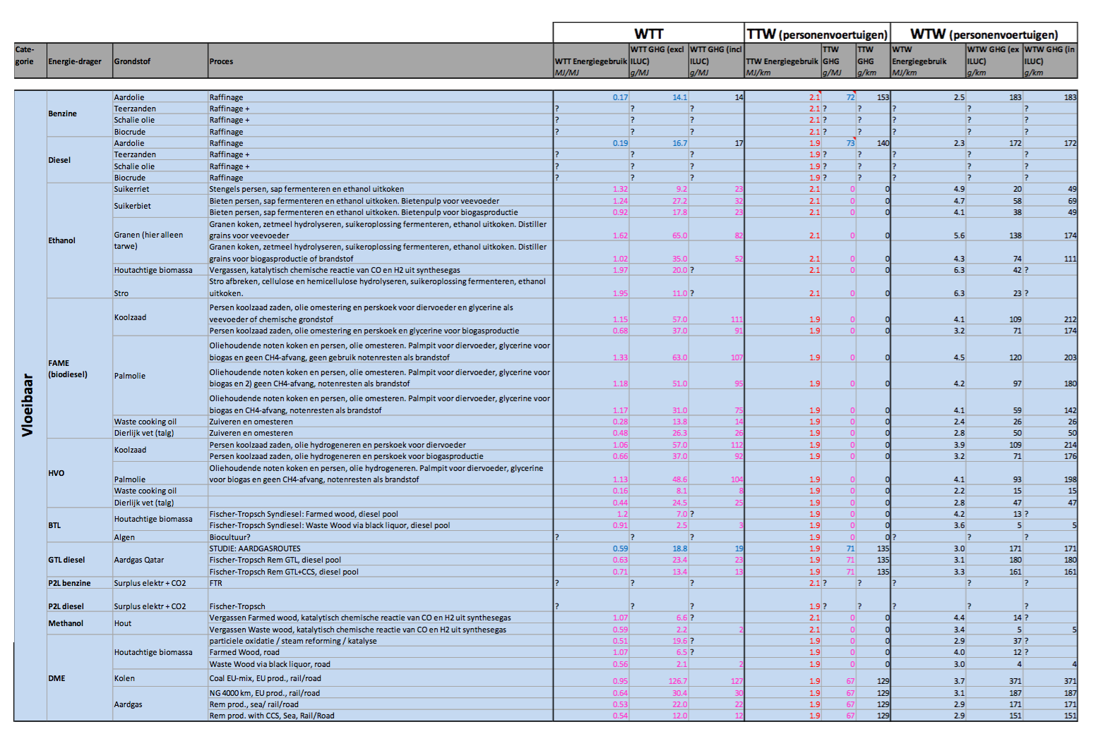

ecn-cedelft-tno2
p.182

 |  | 1.9 | MJ/km
 |  | 0.52631578947 | km/MJ

 | output.passenger_kms | 0.69865659105

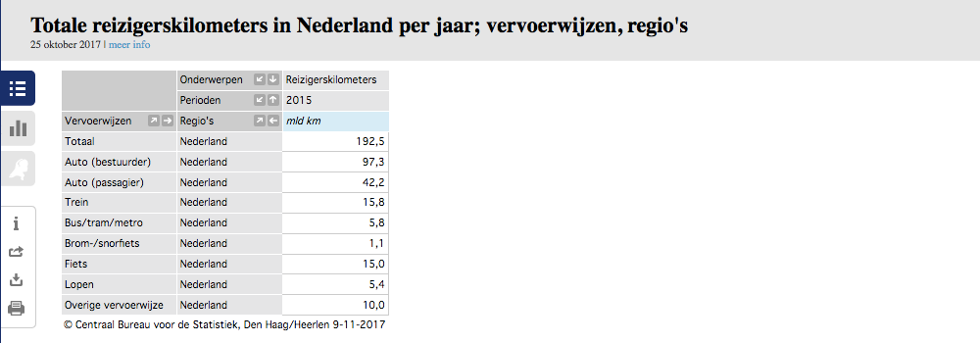
CBS | vehicle km | 105088.9 | mln vehicle km
 |  | 105088900000 | vehicle km
 | passenger km | 139.5 | mld passenger km
 |  | 139500000000 | passenger km

 |  | 1.327 | passenger km/vehicle km

 | output.passenger_kms | 0.6637237615 | passenger km/MJ

